Results
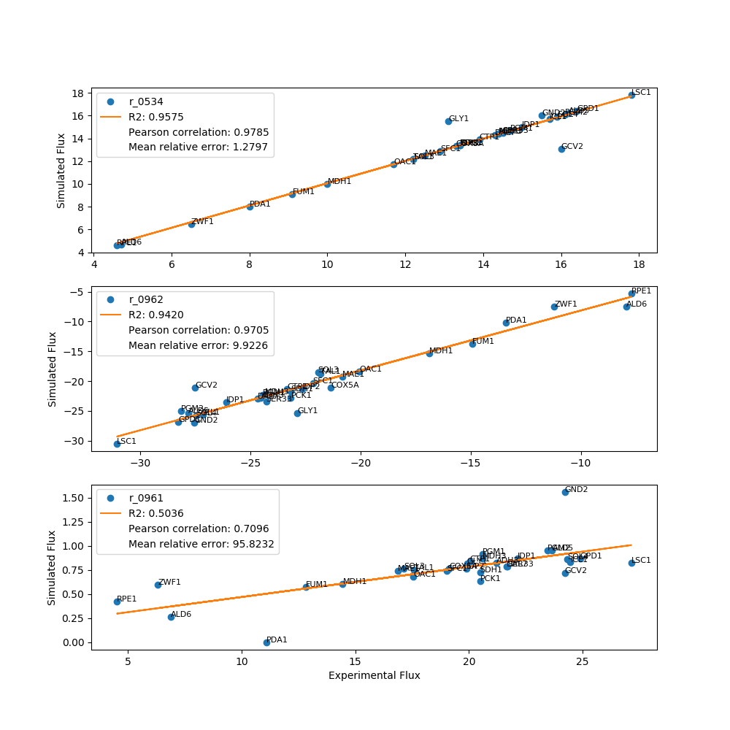
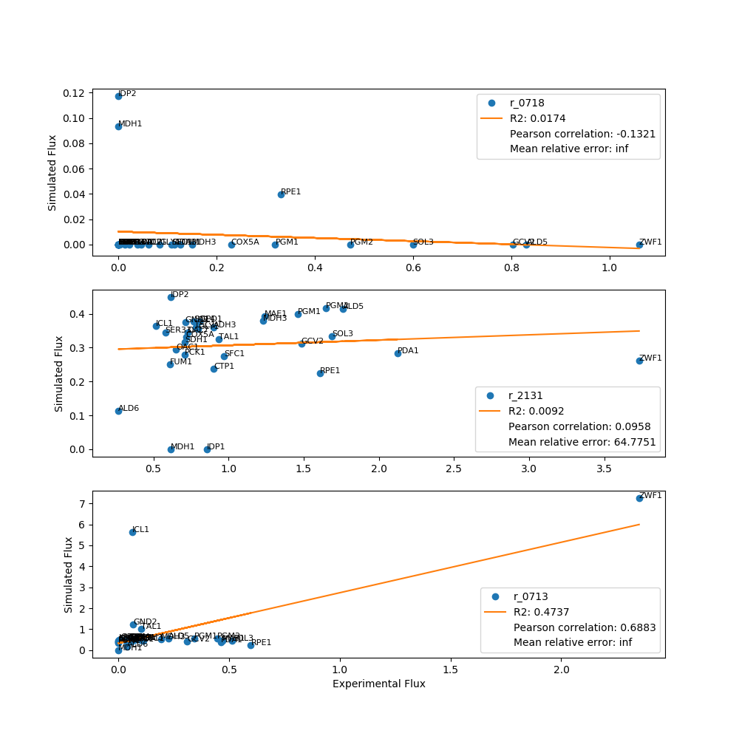
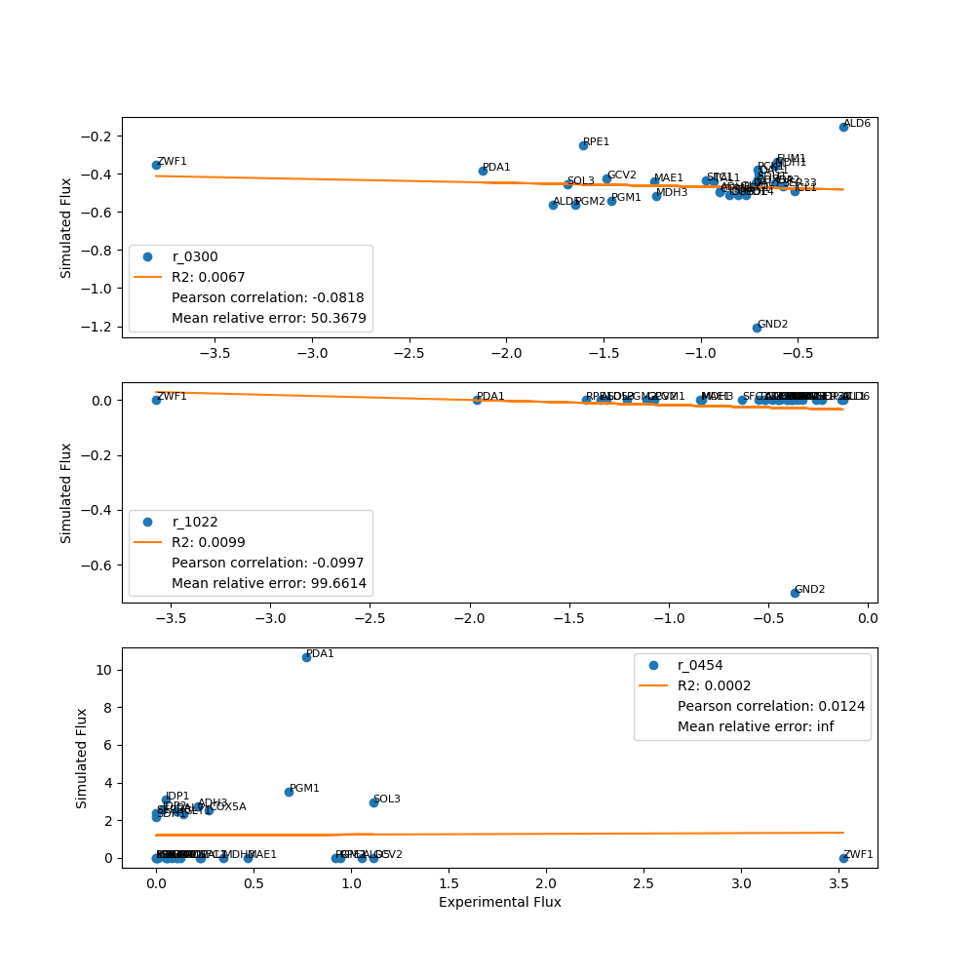
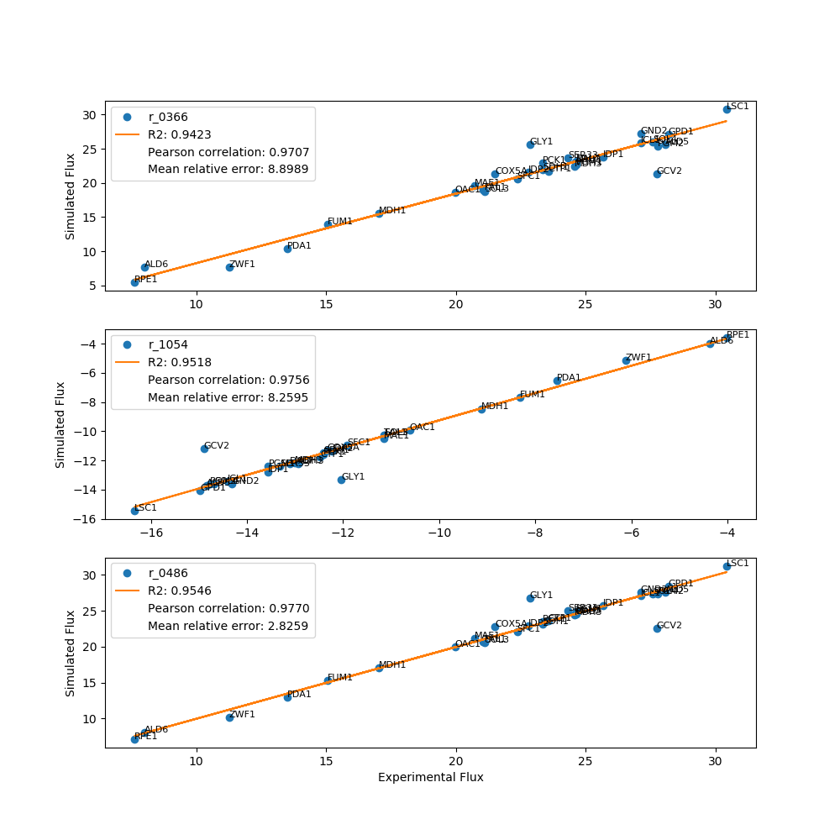
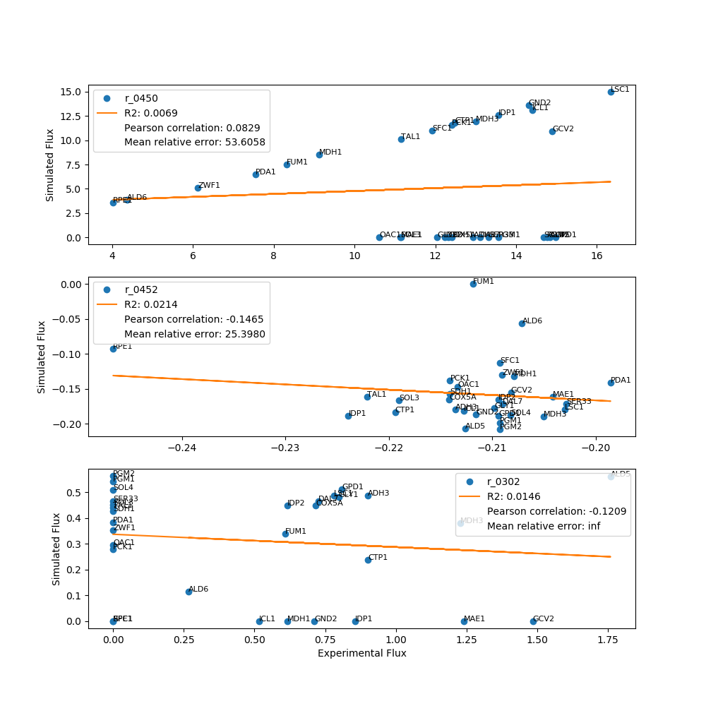
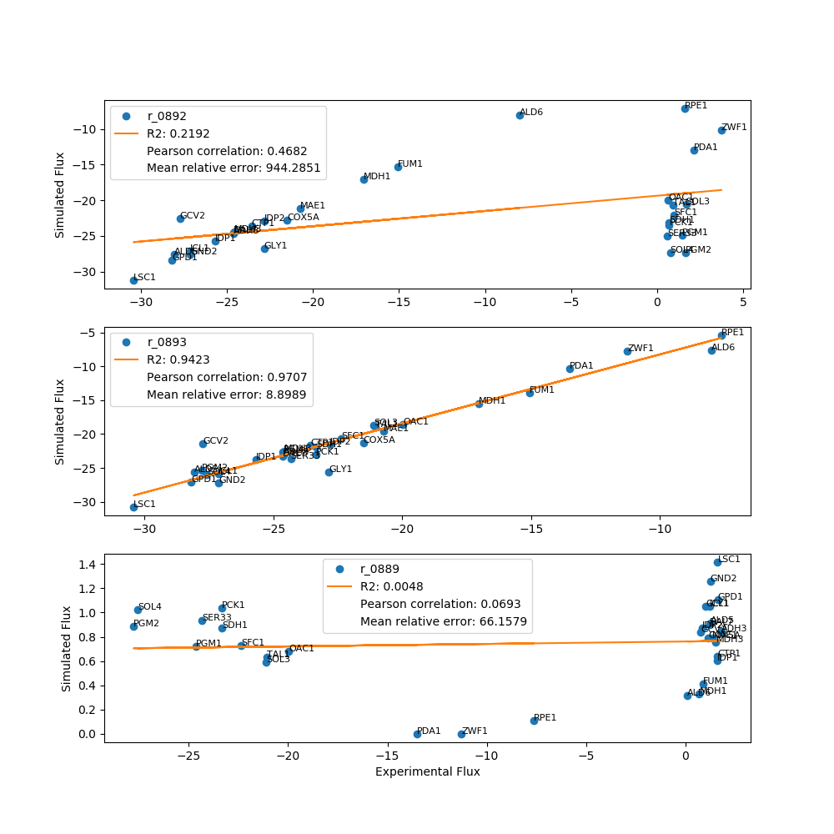
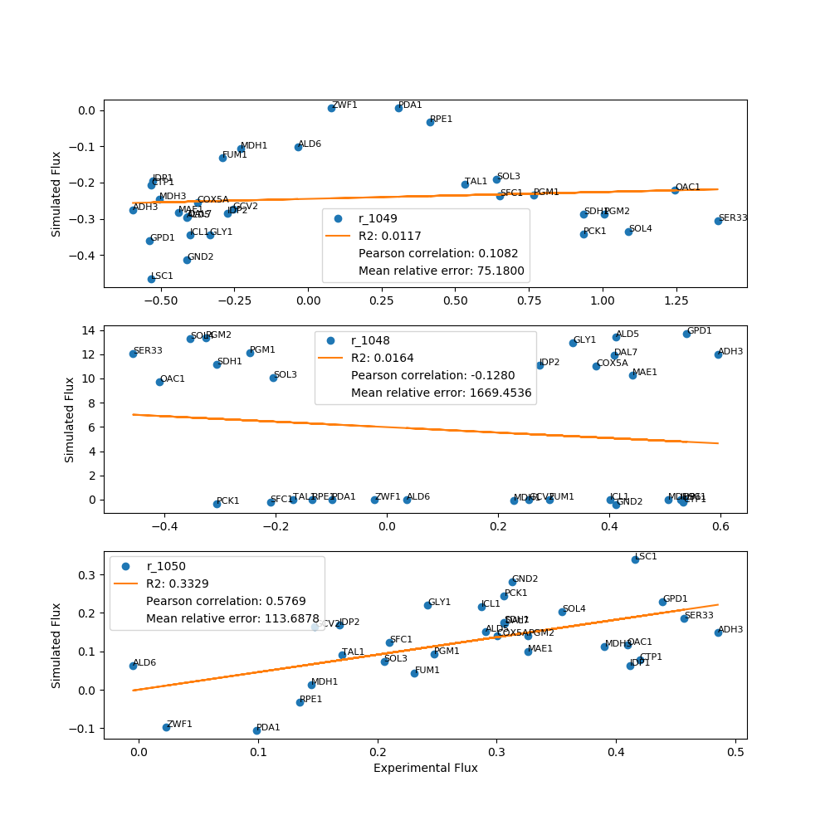
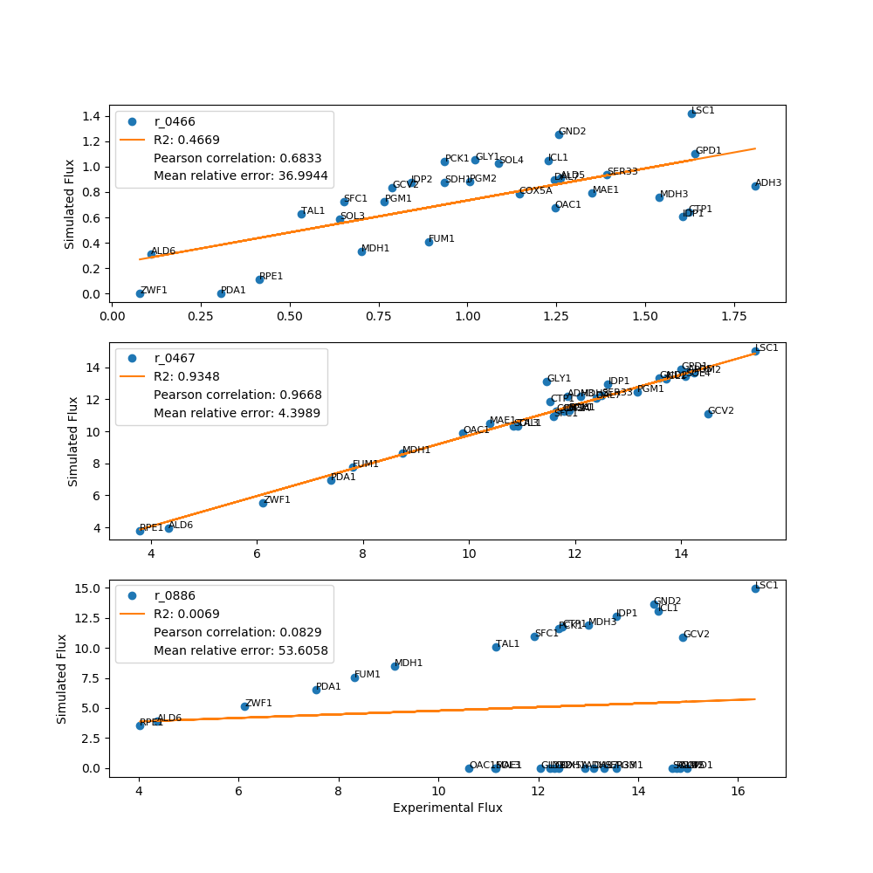
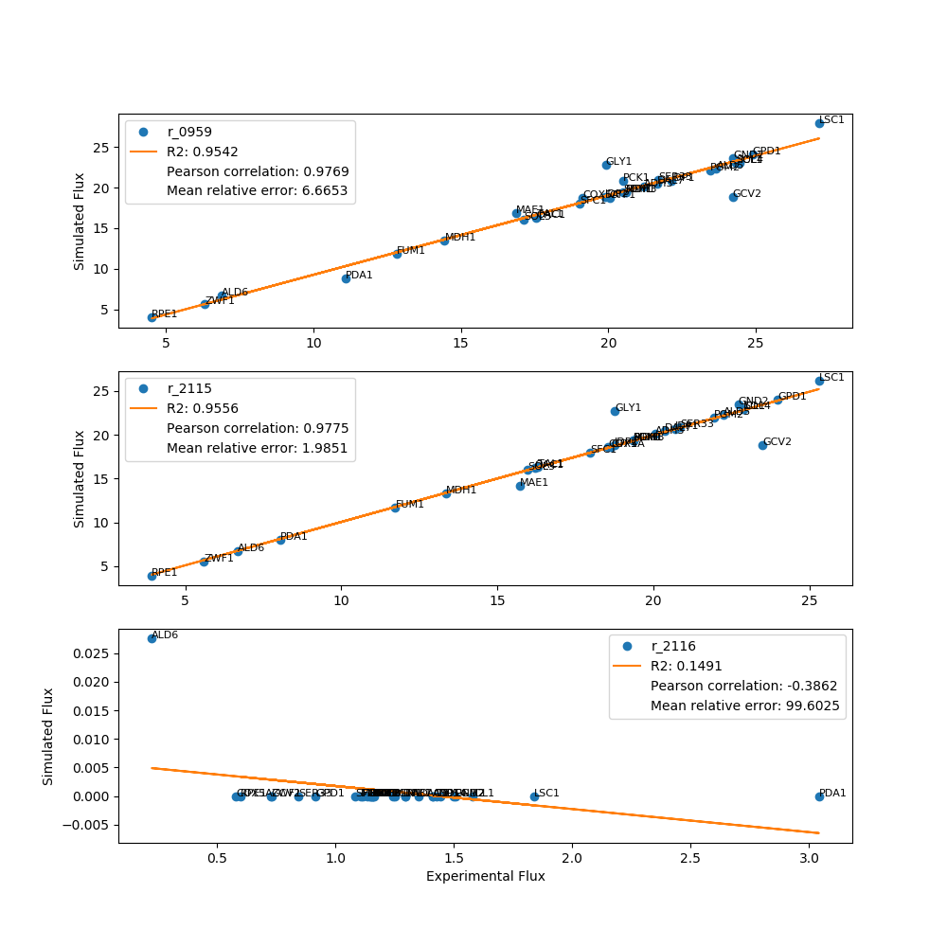
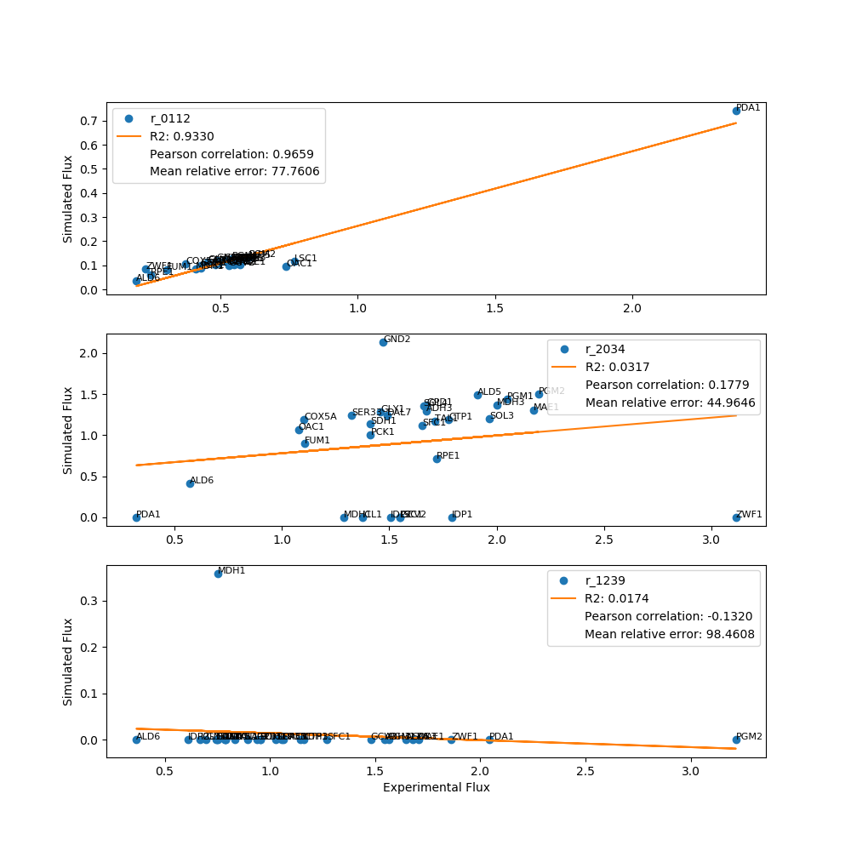
 | FBA Results Case 7

Yeast7_ID | Reaction | ADH3_real_flux | ADH3_sim_flux | ADH3_abs_error | ADH3_rel_error | ALD5_real_flux | ALD5_sim_flux | ALD5_abs_error | ALD5_rel_error | ALD6_real_flux | ALD6_sim_flux | ALD6_abs_error | ALD6_rel_error | COX5A_real_flux | COX5A_sim_flux | COX5A_abs_error | COX5A_rel_error | CTP1_real_flux | CTP1_sim_flux | CTP1_abs_error | CTP1_rel_error | DAL7_real_flux | DAL7_sim_flux | DAL7_abs_error | DAL7_rel_error | FUM1_real_flux | FUM1_sim_flux | FUM1_abs_error | FUM1_rel_error | GND2_real_flux | GCV2_sim_flux | GND2_abs_error | GND2_rel_error | GCV2_real_flux | GLY1_sim_flux | GCV2_abs_error | GCV2_rel_error | GLY1_real_flux | GND2_sim_flux | GLY1_abs_error | GLY1_rel_error | GPD1_real_flux | GPD1_sim_flux | GPD1_abs_error | GPD1_rel_error | ICL1_real_flux | ICL1_sim_flux | ICL1_abs_error | ICL1_rel_error | IDP1_real_flux | IDP1_sim_flux | IDP1_abs_error | IDP1_rel_error | IDP2_real_flux | IDP2_sim_flux | IDP2_abs_error | IDP2_rel_error | LSC1_real_flux | LSC1_sim_flux | LSC1_abs_error | LSC1_rel_error | MAE1_real_flux | MAE1_sim_flux | MAE1_abs_error | MAE1_rel_error | MDH1_real_flux | MDH1_sim_flux | MDH1_abs_error | MDH1_rel_error | MDH3_real_flux | MDH3_sim_flux | MDH3_abs_error | MDH3_rel_error | OAC1_real_flux | OAC1_sim_flux | OAC1_abs_error | OAC1_rel_error | PCK1_real_flux | PCK1_sim_flux | PCK1_abs_error | PCK1_rel_error | PDA1_real_flux | PDA1_sim_flux | PDA1_abs_error | PDA1_rel_error | PGM1_real_flux | PGM1_sim_flux | PGM1_abs_error | PGM1_rel_error | PGM2_real_flux | PGM2_sim_flux | PGM2_abs_error | PGM2_rel_error | RPE1_real_flux | RPE1_sim_flux | RPE1_abs_error | RPE1_rel_error | SDH1_real_flux | SDH1_sim_flux | SDH1_abs_error | SDH1_rel_error | SER33_real_flux | SER33_sim_flux | SER33_abs_error | SER33_rel_error | SFC1_real_flux | SFC1_sim_flux | SFC1_abs_error | SFC1_rel_error | SOL3_real_flux | SOL3_sim_flux | SOL3_abs_error | SOL3_rel_error | SOL4_real_flux | SOL4_sim_flux | SOL4_abs_error | SOL4_rel_error | TAL1_real_flux | TAL1_sim_flux | TAL1_abs_error | TAL1_rel_error | ZWF1_real_flux | ZWF1_sim_flux | ZWF1_abs_error | ZWF1_rel_error
r_0534 | D-Glucose(ex) <==> D-Glucose-6-phosphate | 14.4000 | 14.4000 | 0.0000 | 0.0000 | 16.2000 | 16.2000 | 0.0000 | 0.0000 | 4.7000 | 4.7000 | 0.0000 | 0.0000 | 13.3000 | 13.3000 | 0.0000 | 0.0000 | 13.9000 | 13.9000 | 0.0000 | 0.0000 | 14.3000 | 14.3000 | 0.0000 | 0.0000 | 9.1000 | 9.1000 | 0.0000 | 0.0000 | 15.5000 | 16.0000 | 0.5000 | 3.2258 | 16.0000 | 13.1000 | 2.9000 | 18.1250 | 13.1000 | 15.5000 | 2.4000 | 18.3206 | 16.4000 | 16.4000 | 0.0000 | 0.0000 | 15.7000 | 15.7000 | 0.0000 | 0.0000 | 15.0000 | 15.0000 | 0.0000 | 0.0000 | 13.4000 | 13.4000 | 0.0000 | 0.0000 | 17.8000 | 17.8000 | 0.0000 | 0.0000 | 12.5000 | 12.5000 | 0.0000 | 0.0000 | 10.0000 | 10.0000 | 0.0000 | 0.0000 | 14.4000 | 14.4000 | 0.0000 | 0.0000 | 11.7000 | 11.7000 | 0.0000 | 0.0000 | 13.4000 | 13.4000 | 0.0000 | 0.0000 | 8.0000 | 8.0000 | 0.0000 | 0.0000 | 14.7000 | 14.7000 | 0.0000 | 0.0000 | 16.1000 | 16.1000 | 0.0000 | 0.0000 | 4.6000 | 4.6000 | 0.0000 | 0.0000 | 13.4000 | 13.4000 | 0.0000 | 0.0000 | 14.5000 | 14.5000 | 0.0000 | 0.0000 | 12.9000 | 12.9000 | 0.0000 | 0.0000 | 12.2000 | 12.2000 | 0.0000 | 0.0000 | 15.9000 | 15.9000 | 0.0000 | 0.0000 | 12.2000 | 12.2000 | 0.0000 | 0.0000 | 6.5000 | 6.5000 | 0.0000 | 0.0000
r_0962 | Pyruvate <==> Phosphoenolpyruvate | -24.5211 | -22.7710 | 1.7501 | 7.1369 | -27.8252 | -25.3549 | 2.4703 | 8.8778 | -7.9215 | -7.5458 | 0.3757 | 4.7430 | -21.3579 | -21.0542 | 0.3037 | 1.4219 | -23.3329 | -21.3892 | 1.9436 | 8.3300 | -24.6728 | -22.9755 | 1.6973 | 6.8793 | -14.9383 | -13.7138 | 1.2244 | 8.1966 | -27.5534 | -26.9712 | 0.5822 | 2.1130 | -27.5186 | -21.1348 | 6.3838 | 23.1982 | -22.8675 | -25.4038 | 2.5363 | 11.0911 | -28.2690 | -26.8210 | 1.4479 | 5.1220 | -27.1445 | -25.6343 | 1.5102 | 5.5636 | -26.0931 | -23.5445 | 2.5486 | 9.7672 | -22.6633 | -21.2724 | 1.3909 | 6.1372 | -31.0607 | -30.4994 | 0.5612 | 1.8068 | -20.8298 | -19.1959 | 1.6339 | 7.8438 | -16.8789 | -15.3342 | 1.5447 | 9.1515 | -24.3505 | -22.2007 | 2.1498 | 8.8286 | -20.0604 | -18.4242 | 1.6361 | 8.1560 | -23.1630 | -22.7767 | 0.3863 | 1.6678 | -13.4065 | -10.1612 | 3.2453 | 24.2071 | -24.4366 | -22.3390 | 2.0976 | 8.5838 | -28.1620 | -25.0496 | 3.1124 | 11.0517 | -7.7036 | -5.3068 | 2.3968 | 31.1132 | -23.1630 | -21.7397 | 1.4232 | 6.1444 | -24.2864 | -23.4479 | 0.8384 | 3.4523 | -22.1661 | -20.3993 | 1.7668 | 7.9707 | -21.9342 | -18.4646 | 3.4696 | 15.8182 | -27.4691 | -25.7178 | 1.7513 | 6.3754 | -21.8032 | -18.7325 | 3.0707 | 14.0837 | -11.1937 | -7.5257 | 3.6680 | 32.7681
r_0961 | Pyruvate-mit + CoA <==> Acetyl-CoA-mit + CO2-mit | 21.2158 | 0.8240 | 20.3918 | 96.1160 | 23.6592 | 0.9485 | 22.7108 | 95.9911 | 6.8999 | 0.2597 | 6.6402 | 96.2359 | 19.1303 | 0.7592 | 18.3710 | 96.0312 | 20.0413 | 0.8420 | 19.1993 | 95.7986 | 21.6635 | 0.7887 | 20.8748 | 96.3594 | 12.8422 | 0.5724 | 12.2698 | 95.5428 | 24.2182 | 1.5594 | 22.6588 | 93.5612 | 24.2147 | 0.7154 | 23.4993 | 97.0457 | 19.9145 | 0.8140 | 19.1005 | 95.9126 | 24.8850 | 0.8660 | 24.0190 | 96.5201 | 24.4604 | 0.8324 | 23.6280 | 96.5968 | 22.1304 | 0.8688 | 21.2616 | 96.0744 | 19.8921 | 0.7606 | 19.1315 | 96.1764 | 27.1351 | 0.8264 | 26.3087 | 96.9544 | 16.8764 | 0.7404 | 16.1359 | 95.6127 | 14.4500 | 0.6071 | 13.8429 | 95.7988 | 20.6004 | 0.8706 | 19.7298 | 95.7737 | 17.5464 | 0.6758 | 16.8706 | 96.1483 | 20.4918 | 0.6371 | 19.8546 | 96.8907 | 11.0818 | 0.0000 | 11.0818 | 100.0000 | 20.5964 | 0.9153 | 19.6812 | 95.5562 | 23.4361 | 0.9548 | 22.4813 | 95.9260 | 4.5268 | 0.4252 | 4.1017 | 90.6079 | 20.4918 | 0.7219 | 19.7699 | 96.4773 | 21.6932 | 0.7874 | 20.9059 | 96.3704 | 19.0397 | 0.7376 | 18.3021 | 96.1262 | 17.1263 | 0.7657 | 16.3606 | 95.5288 | 24.3158 | 0.8629 | 23.4529 | 96.4513 | 17.5892 | 0.7439 | 16.8453 | 95.7709 | 6.3310 | 0.5974 | 5.7336 | 90.5637
r_0718 | (S)-Malate-mit <==> Pyruvate-mit + CO2-mit | 0.1144 | 0.0000 | 0.1144 | 100.0000 | 0.8310 | 0.0000 | 0.8310 | 100.0000 | 0.0139 | 0.0000 | 0.0139 | 100.0000 | 0.2295 | 0.0000 | 0.2295 | 100.0000 | 0.0031 | 0.0000 | 0.0031 | 100.0000 | 0.0460 | 0.0000 | 0.0460 | 100.0000 | 0.0000 | 0.0000 | 0.0000 |  | 0.0395 | 0.0000 | 0.0395 | 100.0000 | 0.8028 | 0.0000 | 0.8028 | 100.0000 | 0.0843 | 0.0000 | 0.0843 | 100.0000 | 0.0000 | 0.0000 | 0.0000 |  | 0.0621 | 0.0000 | 0.0621 | 100.0000 | 0.0000 | 0.0000 | 0.0000 |  | 0.0000 | 0.1170 | 0.1170 | inf | 0.0000 | 0.0000 | 0.0000 |  | 0.0000 | 0.0000 | 0.0000 |  | 0.0000 | 0.0934 | 0.0934 | inf | 0.1501 | 0.0000 | 0.1501 | 100.0000 | 0.0000 | 0.0000 | 0.0000 |  | 0.0000 | 0.0000 | 0.0000 |  | 0.0219 | 0.0000 | 0.0219 | 100.0000 | 0.3193 | 0.0000 | 0.3193 | 100.0000 | 0.4726 | 0.0000 | 0.4726 | 100.0000 | 0.3304 | 0.0397 | 0.2907 | 87.9893 | 0.0000 | 0.0000 | 0.0000 |  | 0.0000 | 0.0000 | 0.0000 |  | 0.1081 | 0.0000 | 0.1081 | 100.0000 | 0.5994 | 0.0000 | 0.5994 | 100.0000 | 0.0000 | 0.0000 | 0.0000 |  | 0.1264 | 0.0000 | 0.1264 | 100.0000 | 1.0602 | 0.0000 | 1.0602 | 100.0000
r_2131 | Isocitrate <==> 2-Oxoglutarate + CO2-mit | 0.9001 | 0.3600 | 0.5402 | 60.0098 | 1.7595 | 0.4143 | 1.3452 | 76.4526 | 0.2676 | 0.1135 | 0.1541 | 57.5955 | 0.7162 | 0.3317 | 0.3846 | 53.6940 | 0.9016 | 0.2388 | 0.6628 | 73.5159 | 0.7268 | 0.3445 | 0.3823 | 52.6007 | 0.6092 | 0.2500 | 0.3591 | 58.9535 | 0.7116 | 0.3745 | 0.3371 | 47.3712 | 1.4842 | 0.3125 | 1.1717 | 78.9447 | 0.7980 | 0.3556 | 0.4424 | 55.4408 | 0.8094 | 0.3783 | 0.4311 | 53.2653 | 0.5171 | 0.3636 | 0.1534 | 29.6716 | 0.8549 | 0.0000 | 0.8549 | 100.0000 | 0.6151 | 0.4493 | 0.1659 | 26.9629 | 0.7808 | 0.3610 | 0.4198 | 53.7664 | 1.2396 | 0.3926 | 0.8471 | 68.3332 | 0.6157 | 0.0000 | 0.6157 | 100.0000 | 1.2281 | 0.3803 | 0.8478 | 69.0325 | 0.6502 | 0.2952 | 0.3549 | 54.5924 | 0.7098 | 0.2783 | 0.4315 | 60.7879 | 2.1223 | 0.2840 | 1.8384 | 86.6201 | 1.4606 | 0.3998 | 1.0608 | 72.6266 | 1.6460 | 0.4171 | 1.2290 | 74.6617 | 1.6073 | 0.2254 | 1.3819 | 85.9756 | 0.7098 | 0.3153 | 0.3945 | 55.5737 | 0.5794 | 0.3439 | 0.2354 | 40.6352 | 0.9711 | 0.2749 | 0.6962 | 71.6917 | 1.6872 | 0.3345 | 1.3527 | 80.1737 | 0.7672 | 0.3769 | 0.3902 | 50.8647 | 0.9340 | 0.3249 | 0.6090 | 65.2083 | 3.7306 | 0.2610 | 3.4696 | 93.0046
r_0713 | (S)-Malate-mit <==> Oxaloacetate-mit | 0.0991 | 0.4868 | 0.3877 | 391.1528 | 0.2248 | 0.5603 | 0.3355 | 149.2616 | 0.0396 | 0.1534 | 0.1138 | 287.0561 | 0.0389 | 0.4485 | 0.4095 | 1,051.8319 | 0.0735 | 0.4974 | 0.4239 | 576.9621 | 0.0560 | 0.4659 | 0.4099 | 732.1027 | 0.0000 | 0.3381 | 0.3381 | inf | 0.0668 | 1.2085 | 1.1417 | 1,708.9222 | 0.3098 | 0.4226 | 0.1128 | 36.4098 | 0.0542 | 0.4808 | 0.4266 | 787.0937 | 0.0090 | 0.5115 | 0.5025 | 5,573.7100 | 0.0631 | 5.6201 | 5.5570 | 8,805.8426 | 0.0471 | 0.5132 | 0.4660 | 988.7272 | 0.0331 | 0.4493 | 0.4162 | 1,258.9330 | 0.0029 | 0.4882 | 0.4853 | 16,655.2752 | 0.4699 | 0.4374 | 0.0325 | 6.9165 | 0.0000 | 0.0000 | 0.0000 |  | 0.1923 | 0.5143 | 0.3220 | 167.4936 | 0.0582 | 0.3992 | 0.3410 | 586.2011 | 0.0000 | 0.3764 | 0.3764 | inf | 0.4627 | 0.3840 | 0.0787 | 17.0026 | 0.3414 | 0.5407 | 0.1993 | 58.3758 | 0.4476 | 0.5640 | 0.1164 | 26.0176 | 0.5983 | 0.2511 | 0.3472 | 58.0236 | 0.0000 | 0.4264 | 0.4264 | inf | 0.0000 | 0.4651 | 0.4651 | inf | 0.1131 | 0.4357 | 0.3226 | 285.1365 | 0.5124 | 0.4523 | 0.0601 | 11.7289 | 0.0468 | 0.5097 | 0.4629 | 988.5422 | 0.1031 | 1.0088 | 0.9057 | 878.7933 | 2.3514 | 7.2629 | 4.9116 | 208.8815
r_0300 | Citrate + CoA <==> Acetyl-CoA-mit + Oxaloacetate-mit | -0.9001 | -0.4868 | 0.4134 | 45.9230 | -1.7595 | -0.5603 | 1.1993 | 68.1579 | -0.2676 | -0.1534 | 0.1141 | 42.6583 | -0.7162 | -0.4485 | 0.2677 | 37.3825 | -0.9016 | -0.4974 | 0.4042 | 44.8343 | -0.7268 | -0.4659 | 0.2610 | 35.9041 | -0.6092 | -0.3381 | 0.2710 | 44.4941 | -0.7116 | -1.2085 | 0.4969 | 69.8277 | -1.4842 | -0.4226 | 1.0616 | 71.5279 | -0.7980 | -0.4808 | 0.3172 | 39.7446 | -0.8094 | -0.5115 | 0.2979 | 36.8027 | -0.5171 | -0.4917 | 0.0253 | 4.8980 | -0.8549 | -0.5132 | 0.3417 | 39.9699 | -0.6151 | -0.4493 | 0.1659 | 26.9629 | -0.7808 | -0.4882 | 0.2927 | 37.4803 | -1.2396 | -0.4374 | 0.8023 | 64.7177 | -0.6157 | -0.3586 | 0.2571 | 41.7550 | -1.2281 | -0.5143 | 0.7138 | 58.1240 | -0.7012 | -0.3992 | 0.3020 | 43.0663 | -0.7098 | -0.3764 | 0.3334 | 46.9752 | -2.1223 | -0.3840 | 1.7383 | 81.9070 | -1.4606 | -0.5407 | 0.9199 | 62.9841 | -1.6460 | -0.5640 | 1.0820 | 65.7361 | -1.6073 | -0.2511 | 1.3561 | 84.3744 | -0.7098 | -0.4264 | 0.2834 | 39.9243 | -0.5794 | -0.4651 | 0.1143 | 19.7236 | -0.9711 | -0.4357 | 0.5354 | 55.1336 | -1.6872 | -0.4523 | 1.2348 | 73.1897 | -0.7672 | -0.5097 | 0.2574 | 33.5565 | -0.9340 | -0.4394 | 0.4946 | 52.9527 | -3.8006 | -0.3529 | 3.4477 | 90.7147
r_1022 | Succinate-mit + CoA <==> Succinyl-CoA | -0.5201 | 0.0000 | 0.5201 | 100.0000 | -1.3405 | 0.0000 | 1.3405 | 100.0000 | -0.1318 | 0.0000 | 0.1318 | 100.0000 | -0.4529 | 0.0000 | 0.4529 | 100.0000 | -0.5164 | 0.0000 | 0.5164 | 100.0000 | -0.3819 | 0.0000 | 0.3819 | 100.0000 | -0.3963 | 0.0000 | 0.3963 | 100.0000 | -0.3705 | -0.7020 | 0.3316 | 89.5019 | -1.1126 | 0.0000 | 1.1126 | 100.0000 | -0.4798 | 0.0000 | 0.4798 | 100.0000 | -0.4398 | 0.0000 | 0.4398 | 100.0000 | -0.1252 | 0.0000 | 0.1252 | 100.0000 | -0.4542 | 0.0000 | 0.4542 | 100.0000 | -0.2334 | 0.0000 | 0.2334 | 100.0000 | -0.3720 | 0.0000 | 0.3720 | 100.0000 | -0.8411 | 0.0000 | 0.8411 | 100.0000 | -0.3282 | 0.0000 | 0.3282 | 100.0000 | -0.8338 | 0.0000 | 0.8338 | 100.0000 | -0.3542 | 0.0000 | 0.3542 | 100.0000 | -0.4097 | 0.0000 | 0.4097 | 100.0000 | -1.9637 | 0.0000 | 1.9637 | 100.0000 | -1.0712 | 0.0000 | 1.0712 | 100.0000 | -1.2105 | 0.0000 | 1.2105 | 100.0000 | -1.4138 | 0.0000 | 1.4138 | 100.0000 | -0.4097 | 0.0000 | 0.4097 | 100.0000 | -0.2620 | 0.0000 | 0.2620 | 100.0000 | -0.6327 | 0.0000 | 0.6327 | 100.0000 | -1.3110 | 0.0000 | 1.3110 | 100.0000 | -0.3856 | 0.0000 | 0.3856 | 100.0000 | -0.5483 | 0.0000 | 0.5483 | 100.0000 | -3.5715 | 0.0000 | 3.5715 | 100.0000
r_0454 | Succinate-mit <==> Fumarate | 0.2135 | 2.7584 | 2.5448 | 1,191.7533 | 1.0557 | 0.0000 | 1.0557 | 100.0000 | 0.0525 | 0.0000 | 0.0525 | 100.0000 | 0.2685 | 2.5306 | 2.2621 | 842.6254 | 0.0766 | 0.0000 | 0.0766 | 100.0000 | 0.1020 | 2.4650 | 2.3630 | 2,317.2006 | 0.1014 | 0.0000 | 0.1014 | 100.0000 | 0.1073 | 0.0000 | 0.1073 | 100.0000 | 1.1126 | 0.0000 | 1.1126 | 100.0000 | 0.1385 | 2.2936 | 2.1551 | 1,555.8136 | 0.0090 | 0.0000 | 0.0090 | 100.0000 | 0.1252 | 0.0000 | 0.1252 | 100.0000 | 0.0471 | 3.1031 | 3.0560 | 6,483.3508 | 0.0331 | 2.5991 | 2.5660 | 7,761.2289 | 0.0029 | 0.0000 | 0.0029 | 100.0000 | 0.4699 | 0.0000 | 0.4699 | 100.0000 | 0.0000 | 0.0000 | 0.0000 |  | 0.3433 | 0.0000 | 0.3433 | 100.0000 | 0.0582 | 0.0000 | 0.0582 | 100.0000 | 0.0000 | 0.0000 | 0.0000 |  | 0.7695 | 10.6747 | 9.9052 | 1,287.2143 | 0.6807 | 3.5012 | 2.8205 | 414.3257 | 0.9201 | 0.0000 | 0.9201 | 100.0000 | 0.9417 | 0.0000 | 0.9417 | 100.0000 | 0.0000 | 2.1509 | 2.1509 | inf | 0.0000 | 2.3853 | 2.3853 | inf | 0.2222 | 0.0000 | 0.2222 | 100.0000 | 1.1119 | 2.9627 | 1.8508 | 166.4625 | 0.0468 | 0.0000 | 0.0468 | 100.0000 | 0.2295 | 0.0000 | 0.2295 | 100.0000 | 3.5215 | 0.0000 | 3.5215 | 100.0000
r_0366 | 2-Phospho-D-glycerate <==> Phosphoenolpyruvate | 24.6008 | 23.0236 | 1.5772 | 6.4111 | 28.0673 | 25.6456 | 2.4216 | 8.6280 | 8.0008 | 7.6254 | 0.3754 | 4.6919 | 21.5095 | 21.2869 | 0.2226 | 1.0351 | 23.5585 | 21.6473 | 1.9112 | 8.1127 | 24.6268 | 23.2172 | 1.4096 | 5.7238 | 15.0609 | 13.8893 | 1.1716 | 7.7793 | 27.1131 | 27.2340 | 0.1209 | 0.4458 | 27.7338 | 21.3541 | 6.3797 | 23.0035 | 22.8455 | 25.6533 | 2.8078 | 12.2905 | 28.1868 | 27.0865 | 1.1004 | 3.9039 | 27.1251 | 25.8894 | 1.2357 | 4.5557 | 25.6656 | 23.8108 | 1.8549 | 7.2271 | 22.8045 | 21.5055 | 1.2990 | 5.6964 | 30.4216 | 30.7527 | 0.3311 | 1.0884 | 20.7301 | 19.5611 | 1.1691 | 5.6394 | 17.0450 | 15.5202 | 1.5247 | 8.9453 | 24.5801 | 22.4675 | 2.1125 | 8.5944 | 19.9695 | 18.6314 | 1.3382 | 6.7010 | 23.3361 | 22.9719 | 0.3641 | 1.5604 | 13.4996 | 10.3604 | 3.1392 | 23.2540 | 24.6228 | 22.6195 | 2.0033 | 8.1359 | 27.7775 | 25.3422 | 2.4353 | 8.7671 | 7.6258 | 5.4371 | 2.1887 | 28.7008 | 23.3361 | 21.9610 | 1.3751 | 5.8925 | 24.3242 | 23.6892 | 0.6350 | 2.6105 | 22.3623 | 20.6253 | 1.7370 | 7.7674 | 21.1043 | 18.6993 | 2.4050 | 11.3956 | 27.5797 | 25.9823 | 1.5974 | 5.7919 | 21.0573 | 18.9605 | 2.0968 | 9.9576 | 11.2637 | 7.7088 | 3.5549 | 31.5605
r_1054 | D-Glyceraldehyde-3-phosphate <==> Glycerone-phosphate | -12.9420 | -12.2327 | 0.7093 | 5.4804 | -14.8361 | -13.7265 | 1.1096 | 7.4787 | -4.3591 | -4.0022 | 0.3569 | 8.1882 | -12.3256 | -11.3013 | 1.0242 | 8.3097 | -12.4809 | -11.7613 | 0.7196 | 5.7657 | -13.1112 | -12.1965 | 0.9147 | 6.9765 | -8.3236 | -7.6542 | 0.6694 | 8.0423 | -14.3117 | -13.6205 | 0.6911 | 4.8291 | -14.9013 | -11.1848 | 3.7165 | 24.9409 | -12.0430 | -13.2873 | 1.2443 | 10.3317 | -14.9785 | -14.0510 | 0.9274 | 6.1918 | -14.4074 | -13.4457 | 0.9617 | 6.6751 | -13.5591 | -12.8109 | 0.7483 | 5.5186 | -12.2278 | -11.3688 | 0.8591 | 7.0255 | -16.3413 | -15.4372 | 0.9040 | 5.5321 | -11.1539 | -10.5191 | 0.6348 | 5.6911 | -9.1217 | -8.5013 | 0.6205 | 6.8023 | -13.0002 | -12.1561 | 0.8442 | 6.4934 | -10.6160 | -9.9287 | 0.6873 | 6.4744 | -12.4106 | -11.5966 | 0.8140 | 6.5587 | -7.5430 | -6.5132 | 1.0298 | 13.6526 | -13.5558 | -12.3657 | 1.1900 | 8.7788 | -14.7673 | -13.6218 | 1.1455 | 7.7573 | -4.0194 | -3.5916 | 0.4278 | 10.6444 | -12.4106 | -11.4572 | 0.9534 | 7.6821 | -13.3238 | -12.3874 | 0.9363 | 7.0275 | -11.9229 | -10.9705 | 0.9524 | 7.9879 | -11.1416 | -10.2526 | 0.8890 | 7.9791 | -14.6795 | -13.5843 | 1.0953 | 7.4611 | -11.1492 | -10.2886 | 0.8605 | 7.7185 | -6.1149 | -5.1336 | 0.9813 | 16.0479
r_0486 | D-Glyceraldehyde-3-phosphate <==> 3-Phospho-D-glyceroyl-phosphate | 24.6008 | 24.6330 | 0.0323 | 0.1312 | 28.0673 | 27.6248 | 0.4424 | 1.5763 | 8.0008 | 8.0719 | 0.0711 | 0.8888 | 21.5095 | 22.7589 | 1.2494 | 5.8084 | 23.5585 | 23.6180 | 0.0595 | 0.2524 | 24.6268 | 24.5826 | 0.0442 | 0.1795 | 15.0609 | 15.3651 | 0.3042 | 2.0198 | 27.1131 | 27.5401 | 0.4270 | 1.5748 | 27.7338 | 22.5488 | 5.1850 | 18.6956 | 22.8455 | 26.8120 | 3.9665 | 17.3624 | 28.1868 | 28.3496 | 0.1627 | 0.5773 | 27.1251 | 27.1255 | 0.0004 | 0.0016 | 25.6656 | 25.7026 | 0.0370 | 0.1441 | 22.8045 | 22.9230 | 0.1185 | 0.5195 | 30.4216 | 31.2317 | 0.8101 | 2.6630 | 20.7301 | 21.1532 | 0.4231 | 2.0408 | 17.0450 | 17.0281 | 0.0169 | 0.0991 | 24.5801 | 24.4433 | 0.1368 | 0.5564 | 19.9695 | 19.9887 | 0.0191 | 0.0958 | 23.3361 | 23.4504 | 0.1144 | 0.4902 | 13.4996 | 12.9357 | 0.5639 | 4.1768 | 24.6228 | 24.8446 | 0.2218 | 0.9010 | 27.7775 | 27.4048 | 0.3727 | 1.3418 | 7.6258 | 7.1598 | 0.4660 | 6.1103 | 23.3361 | 23.1054 | 0.2306 | 0.9883 | 24.3242 | 24.9767 | 0.6525 | 2.6825 | 22.3623 | 22.0807 | 0.2816 | 1.2591 | 21.1043 | 20.5943 | 0.5099 | 2.4163 | 27.5797 | 27.3902 | 0.1894 | 0.6868 | 21.0573 | 20.6835 | 0.3738 | 1.7752 | 11.2637 | 10.1839 | 1.0799 | 9.5871
r_0450 | D-Fructose-1,6-bisphosphate <==> Glycerone-phosphate + D-Glyceraldehyde-3-phosphate | 12.9420 | 0.0000 | 12.9420 | 100.0000 | 14.8361 | 0.0000 | 14.8361 | 100.0000 | 4.3591 | 3.9019 | 0.4572 | 10.4891 | 12.3256 | 0.0000 | 12.3256 | 100.0000 | 12.4809 | 11.7658 | 0.7151 | 5.7298 | 13.1112 | 0.0000 | 13.1112 | 100.0000 | 8.3236 | 7.5252 | 0.7984 | 9.5915 | 14.3117 | 13.6251 | 0.6866 | 4.7972 | 14.9013 | 10.9154 | 3.9860 | 26.7490 | 12.0430 | 0.0000 | 12.0430 | 100.0000 | 14.9785 | 0.0000 | 14.9785 | 100.0000 | 14.4074 | 13.1064 | 1.3009 | 9.0295 | 13.5591 | 12.6204 | 0.9387 | 6.9233 | 12.2278 | 0.0000 | 12.2278 | 100.0000 | 16.3413 | 14.9758 | 1.3655 | 8.3560 | 11.1539 | 0.0000 | 11.1539 | 100.0000 | 9.1217 | 8.5045 | 0.6173 | 6.7668 | 13.0002 | 11.9151 | 1.0851 | 8.3469 | 10.6160 | 0.0000 | 10.6160 | 100.0000 | 12.4106 | 11.6000 | 0.8106 | 6.5314 | 7.5430 | 6.5167 | 1.0264 | 13.6067 | 13.5558 | 0.0000 | 13.5558 | 100.0000 | 14.7673 | 0.0000 | 14.7673 | 100.0000 | 4.0194 | 3.5612 | 0.4582 | 11.3985 | 12.4106 | 0.0000 | 12.4106 | 100.0000 | 13.3238 | 0.0000 | 13.3238 | 100.0000 | 11.9229 | 10.9745 | 0.9485 | 7.9549 | 11.1416 | 0.0000 | 11.1416 | 100.0000 | 14.6795 | 0.0000 | 14.6795 | 100.0000 | 11.1492 | 10.0886 | 1.0606 | 9.5128 | 6.1149 | 5.1368 | 0.9781 | 15.9958
r_0452 | (S)-Malate-mit <==> Fumarate | -0.2135 | -0.1794 | 0.0341 | 15.9637 | -0.2126 | -0.2066 | 0.0060 | 2.8313 | -0.2071 | -0.0566 | 0.1505 | 72.6906 | -0.2142 | -0.1653 | 0.0488 | 22.7939 | -0.2194 | -0.1834 | 0.0360 | 16.4125 | -0.2090 | -0.1718 | 0.0372 | 17.8053 | -0.2118 | 0.0000 | 0.2118 | 100.0000 | -0.2116 | -0.1867 | 0.0249 | 11.7497 | -0.2082 | -0.1558 | 0.0524 | 25.1684 | -0.2098 | -0.1773 | 0.0325 | 15.5029 | -0.2094 | -0.1886 | 0.0208 | 9.9283 | -0.2127 | -0.1813 | 0.0314 | 14.7818 | -0.2239 | -0.1892 | 0.0347 | 15.5012 | -0.2094 | -0.1656 | 0.0438 | 20.8974 | -0.2030 | -0.1800 | 0.0230 | 11.3351 | -0.2042 | -0.1612 | 0.0429 | 21.0237 | -0.2079 | -0.1322 | 0.0757 | 36.4043 | -0.2050 | -0.1896 | 0.0154 | 7.5199 | -0.2133 | -0.1472 | 0.0661 | 31.0070 | -0.2141 | -0.1388 | 0.0753 | 35.1826 | -0.1986 | -0.1416 | 0.0570 | 28.7028 | -0.2092 | -0.1993 | 0.0099 | 4.7375 | -0.2093 | -0.2079 | 0.0013 | 0.6386 | -0.2466 | -0.0926 | 0.1541 | 62.4602 | -0.2141 | -0.1572 | 0.0569 | 26.5637 | -0.2028 | -0.1715 | 0.0314 | 15.4642 | -0.2092 | -0.1133 | 0.0959 | 45.8389 | -0.2190 | -0.1668 | 0.0523 | 23.8612 | -0.2082 | -0.1879 | 0.0203 | 9.7553 | -0.2221 | -0.1620 | 0.0601 | 27.0539 | -0.2090 | -0.1301 | 0.0789 | 37.7617
r_0302 | Citrate <==> Isocitrate | 0.9001 | 0.4868 | 0.4134 | 45.9230 | 1.7595 | 0.5603 | 1.1993 | 68.1579 | 0.2676 | 0.1135 | 0.1541 | 57.5955 | 0.7162 | 0.4485 | 0.2677 | 37.3825 | 0.9016 | 0.2388 | 0.6628 | 73.5159 | 0.7268 | 0.4659 | 0.2610 | 35.9041 | 0.6092 | 0.3381 | 0.2710 | 44.4941 | 0.7116 | 0.0000 | 0.7116 | 100.0000 | 1.4842 | 0.0000 | 1.4842 | 100.0000 | 0.7980 | 0.4808 | 0.3172 | 39.7446 | 0.8094 | 0.5115 | 0.2979 | 36.8027 | 0.5171 | 0.0000 | 0.5171 | 100.0000 | 0.8549 | 0.0000 | 0.8549 | 100.0000 | 0.6151 | 0.4493 | 0.1659 | 26.9629 | 0.7808 | 0.4882 | 0.2927 | 37.4803 | 1.2396 | 0.0000 | 1.2396 | 100.0000 | 0.6157 | 0.0000 | 0.6157 | 100.0000 | 1.2281 | 0.3803 | 0.8478 | 69.0325 | 0.0000 | 0.2952 | 0.2952 | inf | 0.0000 | 0.2783 | 0.2783 | inf | 0.0000 | 0.3840 | 0.3840 | inf | 0.0000 | 0.5407 | 0.5407 | inf | 0.0000 | 0.5640 | 0.5640 | inf | 0.0000 | 0.0000 | 0.0000 |  | 0.0000 | 0.4264 | 0.4264 | inf | 0.0000 | 0.4651 | 0.4651 | inf | 0.0000 | 0.0000 | 0.0000 |  | 0.0000 | 0.4523 | 0.4523 | inf | 0.0000 | 0.5097 | 0.5097 | inf | 0.0000 | 0.4394 | 0.4394 | inf | 0.0000 | 0.3529 | 0.3529 | inf
r_0892 | 3-Phospho-D-glycerate <==> 3-Phospho-D-glyceroyl-phosphate | -24.6008 | -24.6330 | 0.0323 | 0.1312 | -28.0673 | -27.6248 | 0.4424 | 1.5763 | -8.0008 | -8.0719 | 0.0711 | 0.8888 | -21.5095 | -22.7589 | 1.2494 | 5.8084 | -23.5585 | -23.6180 | 0.0595 | 0.2524 | -24.6268 | -24.5826 | 0.0442 | 0.1795 | -15.0609 | -15.3651 | 0.3042 | 2.0198 | -27.1131 | -27.5401 | 0.4270 | 1.5748 | -27.7338 | -22.5488 | 5.1850 | 18.6956 | -22.8455 | -26.8120 | 3.9665 | 17.3624 | -28.1868 | -28.3496 | 0.1627 | 0.5773 | -27.1251 | -27.1255 | 0.0004 | 0.0016 | -25.6656 | -25.7026 | 0.0370 | 0.1441 | -22.8045 | -22.9230 | 0.1185 | 0.5195 | -30.4216 | -31.2317 | 0.8101 | 2.6630 | -20.7301 | -21.1532 | 0.4231 | 2.0408 | -17.0450 | -17.0281 | 0.0169 | 0.0991 | -24.5801 | -24.4433 | 0.1368 | 0.5564 | 0.6502 | -19.9887 | 20.6388 | 3,174.3724 | 0.7098 | -23.4504 | 24.1602 | 3,403.8501 | 2.1223 | -12.9357 | 15.0580 | 709.5108 | 1.4606 | -24.8446 | 26.3052 | 1,801.0006 | 1.6460 | -27.4048 | 29.0508 | 1,764.8879 | 1.6073 | -7.1598 | 8.7671 | 545.4589 | 0.7098 | -23.1054 | 23.8152 | 3,355.2419 | 0.5794 | -24.9767 | 25.5561 | 4,410.9464 | 0.9711 | -22.0807 | 23.0518 | 2,373.8919 | 1.6872 | -20.5943 | 22.2815 | 1,320.6453 | 0.7672 | -27.3902 | 28.1574 | 3,670.3737 | 0.9340 | -20.6835 | 21.6174 | 2,314.5829 | 3.7306 | -10.1839 | 13.9144 | 372.9840
r_0893 | 2-Phospho-D-glycerate <==> 3-Phospho-D-glycerate | -24.6008 | -23.0236 | 1.5772 | 6.4111 | -28.0673 | -25.6456 | 2.4216 | 8.6280 | -8.0008 | -7.6254 | 0.3754 | 4.6919 | -21.5095 | -21.2869 | 0.2226 | 1.0351 | -23.5585 | -21.6473 | 1.9112 | 8.1127 | -24.6268 | -23.2172 | 1.4096 | 5.7238 | -15.0609 | -13.8893 | 1.1716 | 7.7793 | -27.1131 | -27.2340 | 0.1209 | 0.4458 | -27.7338 | -21.3541 | 6.3797 | 23.0035 | -22.8455 | -25.6533 | 2.8078 | 12.2905 | -28.1868 | -27.0865 | 1.1004 | 3.9039 | -27.1251 | -25.8894 | 1.2357 | 4.5557 | -25.6656 | -23.8108 | 1.8549 | 7.2271 | -22.8045 | -21.5055 | 1.2990 | 5.6964 | -30.4216 | -30.7527 | 0.3311 | 1.0884 | -20.7301 | -19.5611 | 1.1691 | 5.6394 | -17.0450 | -15.5202 | 1.5247 | 8.9453 | -24.5801 | -22.4675 | 2.1125 | 8.5944 | -19.9695 | -18.6314 | 1.3382 | 6.7010 | -23.3361 | -22.9719 | 0.3641 | 1.5604 | -13.4996 | -10.3604 | 3.1392 | 23.2540 | -24.6228 | -22.6195 | 2.0033 | 8.1359 | -27.7775 | -25.3422 | 2.4353 | 8.7671 | -7.6258 | -5.4371 | 2.1887 | 28.7008 | -23.3361 | -21.9610 | 1.3751 | 5.8925 | -24.3242 | -23.6892 | 0.6350 | 2.6105 | -22.3623 | -20.6253 | 1.7370 | 7.7674 | -21.1043 | -18.6993 | 2.4050 | 11.3956 | -27.5797 | -25.9823 | 1.5974 | 5.7919 | -21.0573 | -18.9605 | 2.0968 | 9.9576 | -11.2637 | -7.7088 | 3.5549 | 31.5605
r_0889 | 6-Phospho-D-gluconate <==> D-Ribulose-5-phosphate + CO2 | 1.8084 | 0.8477 | 0.9608 | 53.1264 | 1.2622 | 0.9124 | 0.3498 | 27.7165 | 0.1110 | 0.3114 | 0.2004 | 180.5546 | 1.1456 | 0.7865 | 0.3591 | 31.3454 | 1.6216 | 0.6386 | 0.9830 | 60.6203 | 1.2447 | 0.8988 | 0.3459 | 27.7905 | 0.8899 | 0.4099 | 0.4800 | 53.9394 | 1.2562 | 1.2560 | 0.0002 | 0.0132 | 0.7889 | 0.8371 | 0.0482 | 6.1140 | 1.0218 | 1.0529 | 0.0311 | 3.0437 | 1.6399 | 1.1050 | 0.5349 | 32.6197 | 1.2275 | 1.0512 | 0.1763 | 14.3625 | 1.6058 | 0.6064 | 0.9994 | 62.2364 | 0.8426 | 0.8750 | 0.0324 | 3.8435 | 1.6287 | 1.4177 | 0.2110 | 12.9538 | 1.3510 | 0.7932 | 0.5578 | 41.2908 | 0.7012 | 0.3308 | 0.3704 | 52.8204 | 1.5401 | 0.7580 | 0.7821 | 50.7821 | -19.9695 | 0.6766 | 20.6461 | 103.3881 | -23.3361 | 1.0384 | 24.3744 | 104.4497 | -13.4996 | 0.0000 | 13.4996 | 100.0000 | -24.6228 | 0.7228 | 25.3456 | 102.9354 | -27.7775 | 0.8833 | 28.6608 | 103.1800 | -7.6258 | 0.1081 | 7.7338 | 101.4173 | -23.3361 | 0.8753 | 24.2114 | 103.7509 | -24.3242 | 0.9351 | 25.2594 | 103.8445 | -22.3623 | 0.7276 | 23.0899 | 103.2539 | -21.1043 | 0.5880 | 21.6923 | 102.7863 | -27.5797 | 1.0264 | 28.6060 | 103.7215 | -21.0573 | 0.6302 | 21.6874 | 102.9926 | -11.2637 | 0.0000 | 11.2637 | 100.0000
r_1049 | Sedoheptulose-7-phosphate + D-Glyceraldehyde-3-phosphate <==> D-Ribose-5-phosphate + D-Xylulose-5-phosphate | -0.5946 | -0.2759 | 0.3188 | 53.6061 | -0.4119 | -0.2964 | 0.1155 | 28.0375 | -0.0347 | -0.1017 | 0.0670 | 193.1840 | -0.3760 | -0.2560 | 0.1200 | 31.9231 | -0.5322 | -0.2060 | 0.3261 | 61.2823 | -0.4079 | -0.2932 | 0.1147 | 28.1199 | -0.2919 | -0.1320 | 0.1599 | 54.7836 | -0.4120 | -0.4117 | 0.0003 | 0.0634 | -0.2550 | -0.2732 | 0.0182 | 7.1545 | -0.3343 | -0.3444 | 0.0101 | 3.0282 | -0.5390 | -0.3613 | 0.1777 | 32.9629 | -0.4010 | -0.3436 | 0.0574 | 14.3074 | -0.5271 | -0.1951 | 0.3320 | 62.9850 | -0.2735 | -0.2855 | 0.0120 | 4.3772 | -0.5342 | -0.4659 | 0.0683 | 12.7844 | -0.4415 | -0.2814 | 0.1601 | 36.2644 | -0.2278 | -0.1054 | 0.1224 | 53.7462 | -0.5052 | -0.2456 | 0.2596 | 51.3836 | 1.2462 | -0.2200 | 1.4663 | 117.6569 | 0.9361 | -0.3410 | 1.2771 | 136.4219 | 0.3069 | 0.0053 | 0.3016 | 98.2816 | 0.7668 | -0.2335 | 1.0003 | 130.4504 | 1.0063 | -0.2867 | 1.2929 | 128.4915 | 0.4142 | -0.0326 | 0.4468 | 107.8647 | 0.9361 | -0.2859 | 1.2221 | 130.5418 | 1.3917 | -0.3053 | 1.6970 | 121.9397 | 0.6517 | -0.2366 | 0.8883 | 136.2992 | 0.6403 | -0.1898 | 0.8301 | 129.6427 | 1.0880 | -0.3351 | 1.4231 | 130.8031 | 0.5323 | -0.2040 | 0.7363 | 138.3256 | 0.0790 | 0.0048 | 0.0742 | 93.8669
r_1048 | Sedoheptulose-7-phosphate + D-Glyceraldehyde-3-phosphate <==> D-Erythrose-4-phosphate + D-Fructose-6-phosphate | 0.5946 | 11.9613 | 11.3666 | 1,911.5262 | 0.4119 | 13.4352 | 13.0233 | 3,161.6288 | 0.0347 | 0.0000 | 0.0347 | 100.0000 | 0.3760 | 11.0494 | 10.6733 | 2,838.2924 | 0.5322 | -0.2060 | 0.7382 | 138.7177 | 0.4079 | 11.9075 | 11.4996 | 2,819.1275 | 0.2919 | 0.0000 | 0.2919 | 100.0000 | 0.4120 | -0.4117 | 0.8237 | 199.9366 | 0.2550 | 0.0000 | 0.2550 | 100.0000 | 0.3343 | 12.9473 | 12.6130 | 3,773.5240 | 0.5390 | 13.6944 | 13.1554 | 2,440.9193 | 0.4010 | 0.0000 | 0.4010 | 100.0000 | 0.5271 | 0.0000 | 0.5271 | 100.0000 | 0.2735 | 11.0873 | 10.8138 | 3,953.7134 | 0.5342 | 0.0000 | 0.5342 | 100.0000 | 0.4415 | 10.2416 | 9.8001 | 2,219.5007 | 0.2278 | -0.1054 | 0.3331 | 146.2538 | 0.5052 | 0.0000 | 0.5052 | 100.0000 | -0.4093 | 9.7123 | 10.1216 | 2,472.9519 | -0.3062 | -0.3410 | 0.0347 | 11.3365 | -0.0988 | 0.0053 | 0.1041 | 105.3369 | -0.2473 | 12.1371 | 12.3844 | 5,008.4559 | -0.3264 | 13.3402 | 13.6666 | 4,187.0019 | -0.1345 | 0.0000 | 0.1345 | 100.0000 | -0.3062 | 11.1751 | 11.4814 | 3,749.0847 | -0.4571 | 12.0863 | 12.5434 | 2,744.1396 | -0.2102 | -0.2366 | 0.0263 | 12.5276 | -0.2054 | 10.0669 | 10.2723 | 5,001.2445 | -0.3547 | 13.2537 | 13.6084 | 3,836.7763 | -0.1700 | 0.0000 | 0.1700 | 100.0000 | -0.0230 | 0.0048 | 0.0278 | 121.0659
r_1050 | D-Fructose-6-phosphate + D-Glyceraldehyde-3-phosphate <==> D-Erythrose-4-phosphate + D-Xylulose-5-phosphate | 0.4853 | 0.1496 | 0.3357 | 69.1751 | 0.2909 | 0.1511 | 0.1398 | 48.0628 | -0.0050 | 0.0619 | 0.0668 | 1,348.9985 | 0.3002 | 0.1397 | 0.1606 | 53.4833 | 0.4198 | 0.0770 | 0.3428 | 81.6588 | 0.3069 | 0.1723 | 0.1346 | 43.8484 | 0.2311 | 0.0443 | 0.1868 | 80.8411 | 0.3128 | 0.2803 | 0.0324 | 10.3720 | 0.1474 | 0.1636 | 0.0162 | 10.9860 | 0.2419 | 0.2196 | 0.0223 | 9.2065 | 0.4388 | 0.2286 | 0.2102 | 47.9019 | 0.2870 | 0.2161 | 0.0709 | 24.7174 | 0.4114 | 0.0620 | 0.3494 | 84.9375 | 0.1683 | 0.1689 | 0.0006 | 0.3644 | 0.4157 | 0.3392 | 0.0764 | 18.3914 | 0.3263 | 0.0988 | 0.2274 | 69.7060 | 0.1442 | 0.0123 | 0.1319 | 91.4553 | 0.3904 | 0.1122 | 0.2782 | 71.2657 | 0.4093 | 0.1165 | 0.2928 | 71.5407 | 0.3062 | 0.2433 | 0.0629 | 20.5458 | 0.0988 | -0.1049 | 0.2037 | 206.1620 | 0.2473 | 0.0932 | 0.1540 | 62.2893 | 0.3264 | 0.1404 | 0.1860 | 56.9919 | 0.1345 | -0.0326 | 0.1671 | 124.2151 | 0.3062 | 0.1753 | 0.1310 | 42.7600 | 0.4571 | 0.1847 | 0.2724 | 59.5993 | 0.2102 | 0.1235 | 0.0867 | 41.2353 | 0.2054 | 0.0725 | 0.1329 | 64.7253 | 0.3547 | 0.2029 | 0.1518 | 42.7963 | 0.1700 | 0.0900 | 0.0800 | 47.0448 | 0.0230 | -0.0964 | 0.1194 | 519.0438
r_0466 | D-Glucose-6-phosphate <==> D-Glucono-1,5-lactone-6-phosphate | 1.8084 | 0.8477 | 0.9608 | 53.1264 | 1.2622 | 0.9124 | 0.3498 | 27.7165 | 0.1110 | 0.3114 | 0.2004 | 180.5546 | 1.1456 | 0.7865 | 0.3591 | 31.3454 | 1.6216 | 0.6386 | 0.9830 | 60.6203 | 1.2447 | 0.8988 | 0.3459 | 27.7905 | 0.8899 | 0.4099 | 0.4800 | 53.9394 | 1.2562 | 1.2560 | 0.0002 | 0.0132 | 0.7889 | 0.8371 | 0.0482 | 6.1140 | 1.0218 | 1.0529 | 0.0311 | 3.0437 | 1.6399 | 1.1050 | 0.5349 | 32.6197 | 1.2275 | 1.0512 | 0.1763 | 14.3625 | 1.6058 | 0.6064 | 0.9994 | 62.2364 | 0.8426 | 0.8750 | 0.0324 | 3.8435 | 1.6287 | 1.4177 | 0.2110 | 12.9538 | 1.3510 | 0.7932 | 0.5578 | 41.2908 | 0.7012 | 0.3308 | 0.3704 | 52.8204 | 1.5401 | 0.7580 | 0.7821 | 50.7821 | 1.2462 | 0.6766 | 0.5697 | 45.7096 | 0.9361 | 1.0384 | 0.1022 | 10.9219 | 0.3069 | 0.0000 | 0.3069 | 100.0000 | 0.7668 | 0.7228 | 0.0441 | 5.7444 | 1.0063 | 0.8833 | 0.1229 | 12.2166 | 0.4142 | 0.1081 | 0.3061 | 73.9080 | 0.9361 | 0.8753 | 0.0608 | 6.4983 | 1.3917 | 0.9351 | 0.4565 | 32.8040 | 0.6517 | 0.7276 | 0.0759 | 11.6516 | 0.6403 | 0.5880 | 0.0523 | 8.1615 | 1.0880 | 1.0264 | 0.0616 | 5.6607 | 0.5323 | 0.6302 | 0.0978 | 18.3774 | 0.0790 | 0.0000 | 0.0790 | 100.0000
r_0467 | D-Glucose-6-phosphate <==> D-Fructose-6-phosphate | 11.8621 | 12.1979 | 0.3358 | 2.8309 | 14.1333 | 13.7286 | 0.4047 | 2.8632 | 4.3304 | 3.9617 | 0.3687 | 8.5132 | 11.6483 | 11.2656 | 0.3827 | 3.2854 | 11.5279 | 11.8774 | 0.3495 | 3.0319 | 12.3964 | 12.1048 | 0.2916 | 2.3521 | 7.8006 | 7.7492 | 0.0513 | 0.6582 | 13.5869 | 13.3349 | 0.2521 | 1.8552 | 14.4989 | 11.0870 | 3.4119 | 23.5320 | 11.4679 | 13.1091 | 1.6412 | 14.3115 | 14.0018 | 13.8716 | 0.1301 | 0.9294 | 13.7193 | 13.2805 | 0.4388 | 3.1984 | 12.6207 | 12.9656 | 0.3449 | 2.7328 | 11.7870 | 11.2749 | 0.5121 | 4.3448 | 15.3905 | 15.0239 | 0.3666 | 2.3819 | 10.3861 | 10.4898 | 0.1037 | 0.9989 | 8.7498 | 8.6713 | 0.0784 | 0.8962 | 12.1046 | 12.2110 | 0.1063 | 0.8785 | 9.8822 | 9.9125 | 0.0304 | 0.3073 | 11.8852 | 11.3143 | 0.5708 | 4.8028 | 7.3920 | 6.9315 | 0.4605 | 6.2295 | 13.1683 | 12.4728 | 0.6955 | 5.2818 | 14.2347 | 13.6473 | 0.5874 | 4.1264 | 3.7975 | 3.7931 | 0.0045 | 0.1173 | 11.8852 | 11.3382 | 0.5470 | 4.6024 | 12.5018 | 12.2707 | 0.2311 | 1.8487 | 11.6006 | 10.9600 | 0.6405 | 5.5216 | 10.8377 | 10.3533 | 0.4844 | 4.4694 | 14.0808 | 13.4553 | 0.6255 | 4.4421 | 10.9218 | 10.3472 | 0.5746 | 5.2612 | 6.1149 | 5.5180 | 0.5969 | 9.7614
r_0886 | D-Fructose-6-phosphate <==> D-Fructose-1,6-bisphosphate | 12.9420 | 0.0000 | 12.9420 | 100.0000 | 14.8361 | 0.0000 | 14.8361 | 100.0000 | 4.3591 | 3.9019 | 0.4572 | 10.4891 | 12.3256 | 0.0000 | 12.3256 | 100.0000 | 12.4809 | 11.7658 | 0.7151 | 5.7298 | 13.1112 | 0.0000 | 13.1112 | 100.0000 | 8.3236 | 7.5252 | 0.7984 | 9.5915 | 14.3117 | 13.6251 | 0.6866 | 4.7972 | 14.9013 | 10.9154 | 3.9860 | 26.7490 | 12.0430 | 0.0000 | 12.0430 | 100.0000 | 14.9785 | 0.0000 | 14.9785 | 100.0000 | 14.4074 | 13.1064 | 1.3009 | 9.0295 | 13.5591 | 12.6204 | 0.9387 | 6.9233 | 12.2278 | 0.0000 | 12.2278 | 100.0000 | 16.3413 | 14.9758 | 1.3655 | 8.3560 | 11.1539 | 0.0000 | 11.1539 | 100.0000 | 9.1217 | 8.5045 | 0.6173 | 6.7668 | 13.0002 | 11.9151 | 1.0851 | 8.3469 | 10.6160 | 0.0000 | 10.6160 | 100.0000 | 12.4106 | 11.6000 | 0.8106 | 6.5314 | 7.5430 | 6.5167 | 1.0264 | 13.6067 | 13.5558 | 0.0000 | 13.5558 | 100.0000 | 14.7673 | 0.0000 | 14.7673 | 100.0000 | 4.0194 | 3.5612 | 0.4582 | 11.3985 | 12.4106 | 0.0000 | 12.4106 | 100.0000 | 13.3238 | 0.0000 | 13.3238 | 100.0000 | 11.9229 | 10.9745 | 0.9485 | 7.9549 | 11.1416 | 0.0000 | 11.1416 | 100.0000 | 14.6795 | 0.0000 | 14.6795 | 100.0000 | 11.1492 | 10.0886 | 1.0606 | 9.5128 | 6.1149 | 5.1368 | 0.9781 | 15.9958
r_0959 | Pyruvate <==> Acetaldehyde | 21.2163 | 20.1751 | 1.0412 | 4.9073 | 23.6597 | 22.3670 | 1.2927 | 5.4638 | 6.8992 | 6.7276 | 0.1715 | 2.4864 | 19.1315 | 18.6624 | 0.4690 | 2.4517 | 20.0406 | 18.7367 | 1.3039 | 6.5061 | 21.6640 | 20.4910 | 1.1730 | 5.4147 | 12.8413 | 11.7860 | 1.0554 | 8.2184 | 24.2193 | 23.5685 | 0.6508 | 2.6871 | 24.2144 | 18.8813 | 5.3331 | 22.0247 | 19.9142 | 22.8396 | 2.9253 | 14.6897 | 24.8860 | 24.0930 | 0.7929 | 3.1863 | 24.4602 | 23.0119 | 1.4484 | 5.9213 | 22.1309 | 20.8077 | 1.3232 | 5.9789 | 19.8919 | 18.8764 | 1.0156 | 5.1054 | 27.1347 | 27.8960 | 0.7613 | 2.8056 | 16.8770 | 16.8634 | 0.0136 | 0.0806 | 14.4492 | 13.4218 | 1.0275 | 7.1108 | 20.6001 | 19.4580 | 1.1421 | 5.5440 | 17.5474 | 16.2952 | 1.2522 | 7.1362 | 20.4919 | 20.7695 | 0.2776 | 1.3549 | 11.0826 | 8.7634 | 2.3192 | 20.9263 | 20.5965 | 19.4557 | 1.1407 | 5.5384 | 23.4369 | 22.0418 | 1.3951 | 5.9526 | 4.5267 | 3.9674 | 0.5593 | 12.3550 | 20.4919 | 19.4657 | 1.0262 | 5.0077 | 21.6930 | 20.9675 | 0.7254 | 3.3440 | 19.0391 | 18.0758 | 0.9633 | 5.0595 | 17.1262 | 16.0523 | 1.0738 | 6.2701 | 24.3164 | 22.9995 | 1.3169 | 5.4158 | 17.5893 | 16.3892 | 1.2001 | 6.8229 | 6.3312 | 5.6438 | 0.6874 | 10.8579
r_2115 | Acetaldehyde <==> Ethanol | 20.0620 | 20.0875 | 0.0255 | 0.1273 | 22.2490 | 22.2661 | 0.0171 | 0.0771 | 6.6750 | 6.7000 | 0.0250 | 0.3751 | 18.5520 | 18.5817 | 0.0297 | 0.1599 | 18.6280 | 18.6471 | 0.0192 | 0.1030 | 20.3690 | 20.4071 | 0.0381 | 0.1871 | 11.7267 | 11.7251 | 0.0016 | 0.0139 | 22.7196 | 23.4773 | 0.7577 | 3.3348 | 23.4845 | 18.8052 | 4.6793 | 19.9252 | 18.7572 | 22.7530 | 3.9958 | 21.3027 | 23.9702 | 24.0009 | 0.0307 | 0.1282 | 22.8825 | 22.9233 | 0.0408 | 0.1784 | 20.7036 | 20.7153 | 0.0117 | 0.0565 | 18.7582 | 18.7955 | 0.0372 | 0.1985 | 25.2964 | 26.1768 | 0.8805 | 3.4806 | 15.7208 | 14.1562 | 1.5646 | 9.9524 | 13.3430 | 13.3572 | 0.0142 | 0.1066 | 19.3488 | 19.3654 | 0.0166 | 0.0860 | 16.1947 | 16.2233 | 0.0286 | 0.1767 | 19.3466 | 19.3315 | 0.0151 | 0.0779 | 8.0414 | 8.0442 | 0.0029 | 0.0355 | 19.3526 | 19.3584 | 0.0058 | 0.0298 | 21.9308 | 21.9403 | 0.0095 | 0.0433 | 3.9261 | 3.9222 | 0.0039 | 0.1001 | 19.3466 | 19.3889 | 0.0423 | 0.2189 | 20.8505 | 20.8838 | 0.0333 | 0.1597 | 17.9555 | 17.9974 | 0.0418 | 0.2330 | 15.9643 | 15.9709 | 0.0066 | 0.0412 | 22.8750 | 22.9077 | 0.0327 | 0.1430 | 16.2961 | 16.3100 | 0.0139 | 0.0852 | 5.6026 | 5.5802 | 0.0223 | 0.3989
r_2116 | Acetaldehyde <==> Acetate | 1.1543 | 0.0000 | 1.1543 | 100.0000 | 1.4107 | 0.0000 | 1.4107 | 100.0000 | 0.2242 | 0.0276 | 0.1966 | 87.6783 | 0.5795 | 0.0000 | 0.5795 | 100.0000 | 1.4126 | 0.0000 | 1.4126 | 100.0000 | 1.2950 | 0.0000 | 1.2950 | 100.0000 | 1.1146 | 0.0000 | 1.1146 | 100.0000 | 1.4996 | 0.0000 | 1.4996 | 100.0000 | 0.7299 | 0.0000 | 0.7299 | 100.0000 | 1.1570 | 0.0000 | 1.1570 | 100.0000 | 0.9158 | 0.0000 | 0.9158 | 100.0000 | 1.5777 | 0.0000 | 1.5777 | 100.0000 | 1.4273 | 0.0000 | 1.4273 | 100.0000 | 1.1337 | 0.0000 | 1.1337 | 100.0000 | 1.8384 | 0.0000 | 1.8384 | 100.0000 | 1.1562 | 0.0000 | 1.1562 | 100.0000 | 1.1063 | 0.0000 | 1.1063 | 100.0000 | 1.2513 | 0.0000 | 1.2513 | 100.0000 | 1.3527 | 0.0000 | 1.3527 | 100.0000 | 1.1453 | 0.0000 | 1.1453 | 100.0000 | 3.0412 | 0.0000 | 3.0412 | 100.0000 | 1.2438 | 0.0000 | 1.2438 | 100.0000 | 1.5062 | 0.0000 | 1.5062 | 100.0000 | 0.6006 | 0.0000 | 0.6006 | 100.0000 | 1.1453 | 0.0000 | 1.1453 | 100.0000 | 0.8425 | 0.0000 | 0.8425 | 100.0000 | 1.0836 | 0.0000 | 1.0836 | 100.0000 | 1.1619 | 0.0000 | 1.1619 | 100.0000 | 1.4414 | 0.0000 | 1.4414 | 100.0000 | 1.2931 | 0.0000 | 1.2931 | 100.0000 | 0.7286 | 0.0000 | 0.7286 | 100.0000
r_0112 | Acetate <==> Acetyl-CoA | 0.5413 | 0.1150 | 0.4263 | 78.7502 | 0.5971 | 0.1324 | 0.4647 | 77.8251 | 0.1945 | 0.0363 | 0.1582 | 81.3581 | 0.3745 | 0.1060 | 0.2686 | 71.7034 | 0.5729 | 0.1175 | 0.4554 | 79.4851 | 0.4952 | 0.1101 | 0.3851 | 77.7684 | 0.3038 | 0.0799 | 0.2239 | 73.6955 | 0.4874 | 0.1197 | 0.3677 | 75.4472 | 0.5307 | 0.0999 | 0.4308 | 81.1834 | 0.4544 | 0.1136 | 0.3408 | 74.9940 | 0.5150 | 0.1209 | 0.3942 | 76.5299 | 0.5599 | 0.1162 | 0.4437 | 79.2467 | 0.5702 | 0.1213 | 0.4490 | 78.7336 | 0.5326 | 0.1062 | 0.4264 | 80.0649 | 0.7701 | 0.1154 | 0.6547 | 85.0193 | 0.5700 | 0.1034 | 0.4667 | 81.8680 | 0.4100 | 0.0847 | 0.3253 | 79.3340 | 0.5647 | 0.1215 | 0.4431 | 78.4776 | 0.7403 | 0.0943 | 0.6459 | 87.2563 | 0.4283 | 0.0889 | 0.3394 | 79.2366 | 2.3762 | 0.7408 | 1.6354 | 68.8244 | 0.5431 | 0.1278 | 0.4153 | 76.4755 | 0.6050 | 0.1333 | 0.4717 | 77.9712 | 0.2465 | 0.0593 | 0.1872 | 75.9269 | 0.4283 | 0.1008 | 0.3276 | 76.4756 | 0.4543 | 0.1099 | 0.3444 | 75.8057 | 0.4829 | 0.1030 | 0.3800 | 78.6817 | 0.5331 | 0.1069 | 0.4262 | 79.9493 | 0.5447 | 0.1205 | 0.4243 | 77.8874 | 0.5493 | 0.1038 | 0.4455 | 81.0974 | 0.2285 | 0.0834 | 0.1451 | 63.5077
r_2034 | Pyruvate <==> Pyruvate-mit | 1.6726 | 1.2966 | 0.3761 | 22.4841 | 1.9082 | 1.4924 | 0.4158 | 21.7918 | 0.5721 | 0.4087 | 0.1634 | 28.5653 | 1.1014 | 1.1946 | 0.0932 | 8.4616 | 1.7758 | 1.1958 | 0.5800 | 32.6608 | 1.4897 | 1.2409 | 0.2488 | 16.6982 | 1.1063 | 0.9006 | 0.2057 | 18.5936 | 1.4708 | 2.1328 | 0.6620 | 45.0069 | 1.5505 | 0.0000 | 1.5505 | 100.0000 | 1.4582 | 1.2808 | 0.1775 | 12.1707 | 1.6738 | 1.3626 | 0.3113 | 18.5967 | 1.3734 | 0.0000 | 1.3734 | 100.0000 | 1.7912 | 0.0000 | 1.7912 | 100.0000 | 1.5047 | 0.0000 | 1.5047 | 100.0000 | 1.5487 | 0.0000 | 1.5487 | 100.0000 | 2.1726 | 1.3048 | 0.8678 | 39.9416 | 1.2870 | 0.0000 | 1.2870 | 100.0000 | 2.0014 | 1.3699 | 0.6315 | 31.5525 | 1.0768 | 1.0634 | 0.0134 | 1.2425 | 1.4126 | 1.0025 | 0.4101 | 29.0323 | 0.3222 | 0.0000 | 0.3222 | 100.0000 | 2.0500 | 1.4401 | 0.6099 | 29.7520 | 2.1935 | 1.5023 | 0.6912 | 31.5123 | 1.7195 | 0.7096 | 1.0099 | 58.7331 | 1.4126 | 1.1358 | 0.2768 | 19.5955 | 1.3227 | 1.2389 | 0.0839 | 6.3400 | 1.6534 | 1.1132 | 0.5403 | 32.6747 | 1.9659 | 1.2049 | 0.7610 | 38.7114 | 1.6595 | 1.3577 | 0.3017 | 18.1831 | 1.7112 | 1.1704 | 0.5408 | 31.6019 | 3.1137 | 0.0000 | 3.1137 | 100.0000
r_1239 | Oxaloacetate <==> Oxaloacetate-mit | 1.5444 | 0.0000 | 1.5444 | 100.0000 | 1.6455 | 0.0000 | 1.6455 | 100.0000 | 0.3653 | 0.0000 | 0.3653 | 100.0000 | 0.7870 | 0.0000 | 0.7870 | 100.0000 | 1.1627 | 0.0000 | 1.1627 | 100.0000 | 0.7426 | 0.0000 | 0.7426 | 100.0000 | 0.7519 | 0.0000 | 0.7519 | 100.0000 | 0.6965 | 0.0000 | 0.6965 | 100.0000 | 1.4791 | 0.0000 | 1.4791 | 100.0000 | 0.7907 | 0.0000 | 0.7907 | 100.0000 | 0.9371 | 0.0000 | 0.9371 | 100.0000 | 0.6695 | 0.0000 | 0.6695 | 100.0000 | 0.8932 | 0.0000 | 0.8932 | 100.0000 | 0.6125 | 0.0000 | 0.6125 | 100.0000 | 0.7883 | 0.0000 | 0.7883 | 100.0000 | 1.7083 | 0.0000 | 1.7083 | 100.0000 | 0.7515 | 0.3586 | 0.3929 | 52.2843 | 1.1446 | 0.0000 | 1.1446 | 100.0000 | 1.0565 | 0.0000 | 1.0565 | 100.0000 | 0.9538 | 0.0000 | 0.9538 | 100.0000 | 2.0429 | 0.0000 | 2.0429 | 100.0000 | 1.5665 | 0.0000 | 1.5665 | 100.0000 | 3.2150 | 0.0000 | 3.2150 | 100.0000 | 1.0624 | 0.0000 | 1.0624 | 100.0000 | 0.9538 | 0.0000 | 0.9538 | 100.0000 | 1.0278 | 0.0000 | 1.0278 | 100.0000 | 1.2705 | 0.0000 | 1.2705 | 100.0000 | 1.6772 | 0.0000 | 1.6772 | 100.0000 | 0.7476 | 0.0000 | 0.7476 | 100.0000 | 0.8319 | 0.0000 | 0.8319 | 100.0000 | 1.8628 | 0.0000 | 1.8628 | 100.0000

 | Experimental vs Simulated Fluxes (Reactions)

ADH3
 | FBA Results Case 7 [ADH3]

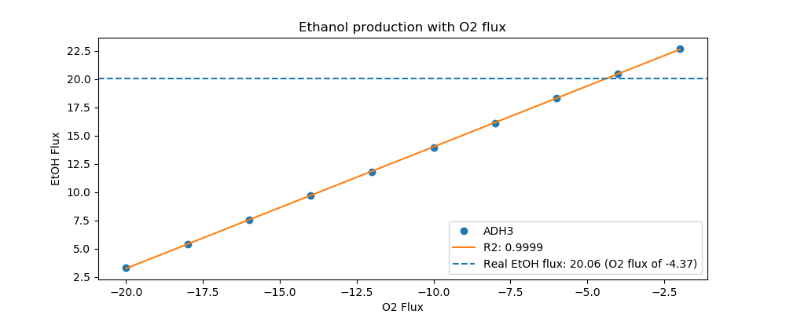
Yeast7_ID | Reaction | ADH3_real_flux | ADH3_sim_flux | ADH3_abs_error | ADH3_rel_error
r_0534 | D-Glucose(ex) <==> D-Glucose-6-phosphate | 14.4000 | 14.4000 | 0.0000 | 0.0000
r_0962 | Pyruvate <==> Phosphoenolpyruvate | -24.5211 | -22.7710 | 1.7501 | 7.1369
r_0961 | Pyruvate-mit + CoA <==> Acetyl-CoA-mit + CO2-mit | 21.2158 | 0.8240 | 20.3918 | 96.1160
r_0718 | (S)-Malate-mit <==> Pyruvate-mit + CO2-mit | 0.1144 | 0.0000 | 0.1144 | 100.0000
r_2131 | Isocitrate <==> 2-Oxoglutarate + CO2-mit | 0.9001 | 0.3600 | 0.5402 | 60.0098
r_0713 | (S)-Malate-mit <==> Oxaloacetate-mit | 0.0991 | 0.4868 | 0.3877 | 391.1528
r_0300 | Citrate + CoA <==> Acetyl-CoA-mit + Oxaloacetate-mit | -0.9001 | -0.4868 | 0.4134 | 45.9230
r_1022 | Succinate-mit + CoA <==> Succinyl-CoA | -0.5201 | 0.0000 | 0.5201 | 100.0000
r_0454 | Succinate-mit <==> Fumarate | 0.2135 | 2.7584 | 2.5448 | 1,191.7533
r_0366 | 2-Phospho-D-glycerate <==> Phosphoenolpyruvate | 24.6008 | 23.0236 | 1.5772 | 6.4111
r_1054 | D-Glyceraldehyde-3-phosphate <==> Glycerone-phosphate | -12.9420 | -12.2327 | 0.7093 | 5.4804
r_0486 | D-Glyceraldehyde-3-phosphate <==> 3-Phospho-D-glyceroyl-phosphate | 24.6008 | 24.6330 | 0.0323 | 0.1312
r_0450 | D-Fructose-1,6-bisphosphate <==> Glycerone-phosphate + D-Glyceraldehyde-3-phosphate | 12.9420 | 0.0000 | 12.9420 | 100.0000
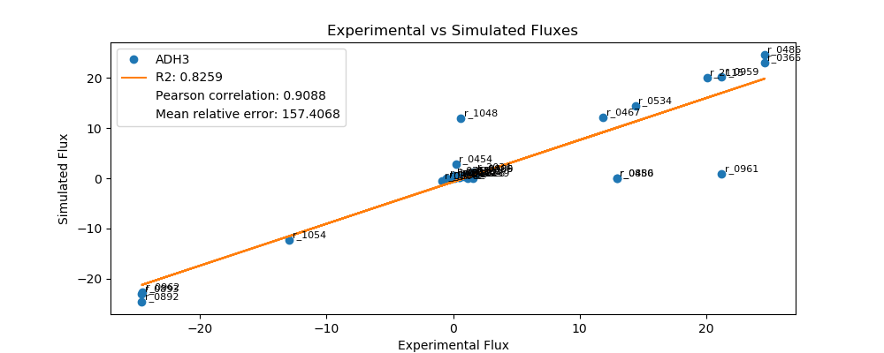
r_0452 | (S)-Malate-mit <==> Fumarate | -0.2135 | -0.1794 | 0.0341 | 15.9637
r_0302 | Citrate <==> Isocitrate | 0.9001 | 0.4868 | 0.4134 | 45.9230
r_0892 | 3-Phospho-D-glycerate <==> 3-Phospho-D-glyceroyl-phosphate | -24.6008 | -24.6330 | 0.0323 | 0.1312
r_0893 | 2-Phospho-D-glycerate <==> 3-Phospho-D-glycerate | -24.6008 | -23.0236 | 1.5772 | 6.4111
r_0889 | 6-Phospho-D-gluconate <==> D-Ribulose-5-phosphate + CO2 | 1.8084 | 0.8477 | 0.9608 | 53.1264
r_1049 | Sedoheptulose-7-phosphate + D-Glyceraldehyde-3-phosphate <==> D-Ribose-5-phosphate + D-Xylulose-5-phosphate | -0.5946 | -0.2759 | 0.3188 | 53.6061
r_1048 | Sedoheptulose-7-phosphate + D-Glyceraldehyde-3-phosphate <==> D-Erythrose-4-phosphate + D-Fructose-6-phosphate | 0.5946 | 11.9613 | 11.3666 | 1,911.5262
r_1050 | D-Fructose-6-phosphate + D-Glyceraldehyde-3-phosphate <==> D-Erythrose-4-phosphate + D-Xylulose-5-phosphate | 0.4853 | 0.1496 | 0.3357 | 69.1751
r_0466 | D-Glucose-6-phosphate <==> D-Glucono-1,5-lactone-6-phosphate | 1.8084 | 0.8477 | 0.9608 | 53.1264
r_0467 | D-Glucose-6-phosphate <==> D-Fructose-6-phosphate | 11.8621 | 12.1979 | 0.3358 | 2.8309
r_0886 | D-Fructose-6-phosphate <==> D-Fructose-1,6-bisphosphate | 12.9420 | 0.0000 | 12.9420 | 100.0000
r_0959 | Pyruvate <==> Acetaldehyde | 21.2163 | 20.1751 | 1.0412 | 4.9073
r_2115 | Acetaldehyde <==> Ethanol | 20.0620 | 20.0875 | 0.0255 | 0.1273
r_2116 | Acetaldehyde <==> Acetate | 1.1543 | 0.0000 | 1.1543 | 100.0000
r_0112 | Acetate <==> Acetyl-CoA | 0.5413 | 0.1150 | 0.4263 | 78.7502
r_2034 | Pyruvate <==> Pyruvate-mit | 1.6726 | 1.2966 | 0.3761 | 22.4841
r_1239 | Oxaloacetate <==> Oxaloacetate-mit | 1.5444 | 0.0000 | 1.5444 | 100.0000

ALD5
 | FBA Results Case 7 [ALD5]

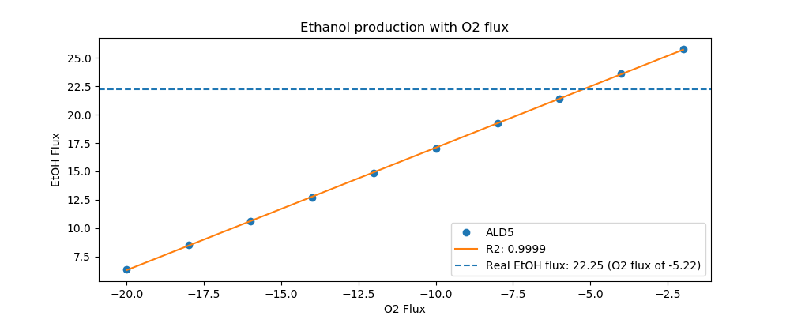
Yeast7_ID | Reaction | ALD5_real_flux | ALD5_sim_flux | ALD5_abs_error | ALD5_rel_error
r_0534 | D-Glucose(ex) <==> D-Glucose-6-phosphate | 16.2000 | 16.2000 | 0.0000 | 0.0000
r_0962 | Pyruvate <==> Phosphoenolpyruvate | -27.8252 | -25.3549 | 2.4703 | 8.8778
r_0961 | Pyruvate-mit + CoA <==> Acetyl-CoA-mit + CO2-mit | 23.6592 | 0.9485 | 22.7108 | 95.9911
r_0718 | (S)-Malate-mit <==> Pyruvate-mit + CO2-mit | 0.8310 | 0.0000 | 0.8310 | 100.0000
r_2131 | Isocitrate <==> 2-Oxoglutarate + CO2-mit | 1.7595 | 0.4143 | 1.3452 | 76.4526
r_0713 | (S)-Malate-mit <==> Oxaloacetate-mit | 0.2248 | 0.5603 | 0.3355 | 149.2616
r_0300 | Citrate + CoA <==> Acetyl-CoA-mit + Oxaloacetate-mit | -1.7595 | -0.5603 | 1.1993 | 68.1579
r_1022 | Succinate-mit + CoA <==> Succinyl-CoA | -1.3405 | 0.0000 | 1.3405 | 100.0000
r_0454 | Succinate-mit <==> Fumarate | 1.0557 | 0.0000 | 1.0557 | 100.0000
r_0366 | 2-Phospho-D-glycerate <==> Phosphoenolpyruvate | 28.0673 | 25.6456 | 2.4216 | 8.6280
r_1054 | D-Glyceraldehyde-3-phosphate <==> Glycerone-phosphate | -14.8361 | -13.7265 | 1.1096 | 7.4787
r_0486 | D-Glyceraldehyde-3-phosphate <==> 3-Phospho-D-glyceroyl-phosphate | 28.0673 | 27.6248 | 0.4424 | 1.5763
r_0450 | D-Fructose-1,6-bisphosphate <==> Glycerone-phosphate + D-Glyceraldehyde-3-phosphate | 14.8361 | 0.0000 | 14.8361 | 100.0000
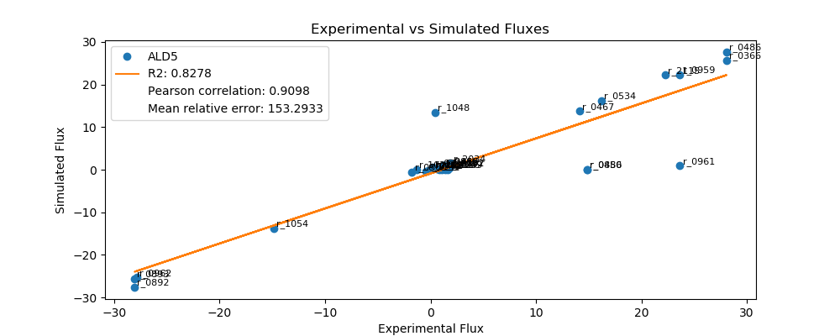
r_0452 | (S)-Malate-mit <==> Fumarate | -0.2126 | -0.2066 | 0.0060 | 2.8313
r_0302 | Citrate <==> Isocitrate | 1.7595 | 0.5603 | 1.1993 | 68.1579
r_0892 | 3-Phospho-D-glycerate <==> 3-Phospho-D-glyceroyl-phosphate | -28.0673 | -27.6248 | 0.4424 | 1.5763
r_0893 | 2-Phospho-D-glycerate <==> 3-Phospho-D-glycerate | -28.0673 | -25.6456 | 2.4216 | 8.6280
r_0889 | 6-Phospho-D-gluconate <==> D-Ribulose-5-phosphate + CO2 | 1.2622 | 0.9124 | 0.3498 | 27.7165
r_1049 | Sedoheptulose-7-phosphate + D-Glyceraldehyde-3-phosphate <==> D-Ribose-5-phosphate + D-Xylulose-5-phosphate | -0.4119 | -0.2964 | 0.1155 | 28.0375
r_1048 | Sedoheptulose-7-phosphate + D-Glyceraldehyde-3-phosphate <==> D-Erythrose-4-phosphate + D-Fructose-6-phosphate | 0.4119 | 13.4352 | 13.0233 | 3,161.6288
r_1050 | D-Fructose-6-phosphate + D-Glyceraldehyde-3-phosphate <==> D-Erythrose-4-phosphate + D-Xylulose-5-phosphate | 0.2909 | 0.1511 | 0.1398 | 48.0628
r_0466 | D-Glucose-6-phosphate <==> D-Glucono-1,5-lactone-6-phosphate | 1.2622 | 0.9124 | 0.3498 | 27.7165
r_0467 | D-Glucose-6-phosphate <==> D-Fructose-6-phosphate | 14.1333 | 13.7286 | 0.4047 | 2.8632
r_0886 | D-Fructose-6-phosphate <==> D-Fructose-1,6-bisphosphate | 14.8361 | 0.0000 | 14.8361 | 100.0000
r_0959 | Pyruvate <==> Acetaldehyde | 23.6597 | 22.3670 | 1.2927 | 5.4638
r_2115 | Acetaldehyde <==> Ethanol | 22.2490 | 22.2661 | 0.0171 | 0.0771
r_2116 | Acetaldehyde <==> Acetate | 1.4107 | 0.0000 | 1.4107 | 100.0000
r_0112 | Acetate <==> Acetyl-CoA | 0.5971 | 0.1324 | 0.4647 | 77.8251
r_2034 | Pyruvate <==> Pyruvate-mit | 1.9082 | 1.4924 | 0.4158 | 21.7918
r_1239 | Oxaloacetate <==> Oxaloacetate-mit | 1.6455 | 0.0000 | 1.6455 | 100.0000

ALD6
 | FBA Results Case 7 [ALD6]

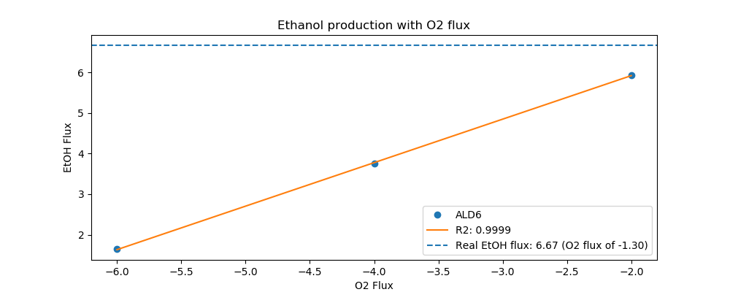
Yeast7_ID | Reaction | ALD6_real_flux | ALD6_sim_flux | ALD6_abs_error | ALD6_rel_error
r_0534 | D-Glucose(ex) <==> D-Glucose-6-phosphate | 4.7000 | 4.7000 | 0.0000 | 0.0000
r_0962 | Pyruvate <==> Phosphoenolpyruvate | -7.9215 | -7.5458 | 0.3757 | 4.7430
r_0961 | Pyruvate-mit + CoA <==> Acetyl-CoA-mit + CO2-mit | 6.8999 | 0.2597 | 6.6402 | 96.2359
r_0718 | (S)-Malate-mit <==> Pyruvate-mit + CO2-mit | 0.0139 | 0.0000 | 0.0139 | 100.0000
r_2131 | Isocitrate <==> 2-Oxoglutarate + CO2-mit | 0.2676 | 0.1135 | 0.1541 | 57.5955
r_0713 | (S)-Malate-mit <==> Oxaloacetate-mit | 0.0396 | 0.1534 | 0.1138 | 287.0561
r_0300 | Citrate + CoA <==> Acetyl-CoA-mit + Oxaloacetate-mit | -0.2676 | -0.1534 | 0.1141 | 42.6583
r_1022 | Succinate-mit + CoA <==> Succinyl-CoA | -0.1318 | 0.0000 | 0.1318 | 100.0000
r_0454 | Succinate-mit <==> Fumarate | 0.0525 | 0.0000 | 0.0525 | 100.0000
r_0366 | 2-Phospho-D-glycerate <==> Phosphoenolpyruvate | 8.0008 | 7.6254 | 0.3754 | 4.6919
r_1054 | D-Glyceraldehyde-3-phosphate <==> Glycerone-phosphate | -4.3591 | -4.0022 | 0.3569 | 8.1882
r_0486 | D-Glyceraldehyde-3-phosphate <==> 3-Phospho-D-glyceroyl-phosphate | 8.0008 | 8.0719 | 0.0711 | 0.8888
r_0450 | D-Fructose-1,6-bisphosphate <==> Glycerone-phosphate + D-Glyceraldehyde-3-phosphate | 4.3591 | 3.9019 | 0.4572 | 10.4891
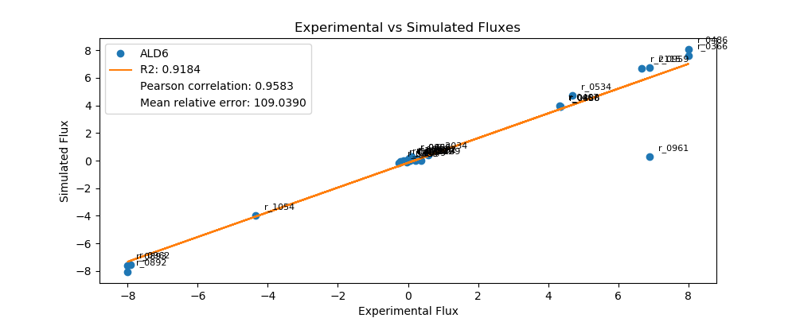
r_0452 | (S)-Malate-mit <==> Fumarate | -0.2071 | -0.0566 | 0.1505 | 72.6906
r_0302 | Citrate <==> Isocitrate | 0.2676 | 0.1135 | 0.1541 | 57.5955
r_0892 | 3-Phospho-D-glycerate <==> 3-Phospho-D-glyceroyl-phosphate | -8.0008 | -8.0719 | 0.0711 | 0.8888
r_0893 | 2-Phospho-D-glycerate <==> 3-Phospho-D-glycerate | -8.0008 | -7.6254 | 0.3754 | 4.6919
r_0889 | 6-Phospho-D-gluconate <==> D-Ribulose-5-phosphate + CO2 | 0.1110 | 0.3114 | 0.2004 | 180.5546
r_1049 | Sedoheptulose-7-phosphate + D-Glyceraldehyde-3-phosphate <==> D-Ribose-5-phosphate + D-Xylulose-5-phosphate | -0.0347 | -0.1017 | 0.0670 | 193.1840
r_1048 | Sedoheptulose-7-phosphate + D-Glyceraldehyde-3-phosphate <==> D-Erythrose-4-phosphate + D-Fructose-6-phosphate | 0.0347 | 0.0000 | 0.0347 | 100.0000
r_1050 | D-Fructose-6-phosphate + D-Glyceraldehyde-3-phosphate <==> D-Erythrose-4-phosphate + D-Xylulose-5-phosphate | -0.0050 | 0.0619 | 0.0668 | 1,348.9985
r_0466 | D-Glucose-6-phosphate <==> D-Glucono-1,5-lactone-6-phosphate | 0.1110 | 0.3114 | 0.2004 | 180.5546
r_0467 | D-Glucose-6-phosphate <==> D-Fructose-6-phosphate | 4.3304 | 3.9617 | 0.3687 | 8.5132
r_0886 | D-Fructose-6-phosphate <==> D-Fructose-1,6-bisphosphate | 4.3591 | 3.9019 | 0.4572 | 10.4891
r_0959 | Pyruvate <==> Acetaldehyde | 6.8992 | 6.7276 | 0.1715 | 2.4864
r_2115 | Acetaldehyde <==> Ethanol | 6.6750 | 6.7000 | 0.0250 | 0.3751
r_2116 | Acetaldehyde <==> Acetate | 0.2242 | 0.0276 | 0.1966 | 87.6783
r_0112 | Acetate <==> Acetyl-CoA | 0.1945 | 0.0363 | 0.1582 | 81.3581
r_2034 | Pyruvate <==> Pyruvate-mit | 0.5721 | 0.4087 | 0.1634 | 28.5653
r_1239 | Oxaloacetate <==> Oxaloacetate-mit | 0.3653 | 0.0000 | 0.3653 | 100.0000

COX5A
 | FBA Results Case 7 [COX5A]

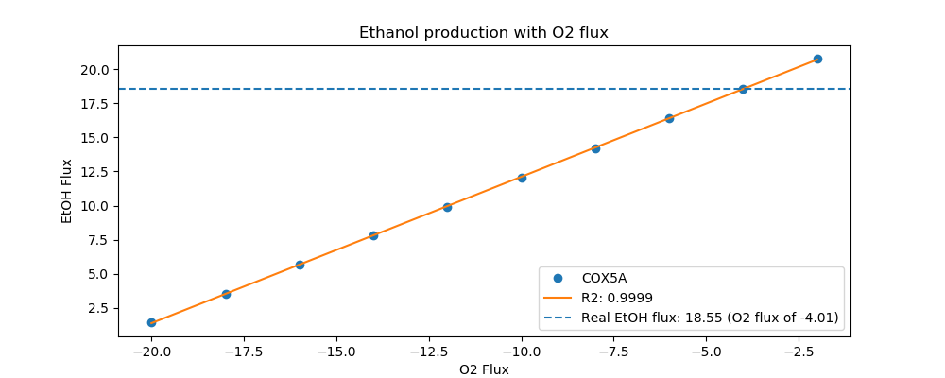
Yeast7_ID | Reaction | COX5A_real_flux | COX5A_sim_flux | COX5A_abs_error | COX5A_rel_error
r_0534 | D-Glucose(ex) <==> D-Glucose-6-phosphate | 13.3000 | 13.3000 | 0.0000 | 0.0000
r_0962 | Pyruvate <==> Phosphoenolpyruvate | -21.3579 | -21.0542 | 0.3037 | 1.4219
r_0961 | Pyruvate-mit + CoA <==> Acetyl-CoA-mit + CO2-mit | 19.1303 | 0.7592 | 18.3710 | 96.0312
r_0718 | (S)-Malate-mit <==> Pyruvate-mit + CO2-mit | 0.2295 | 0.0000 | 0.2295 | 100.0000
r_2131 | Isocitrate <==> 2-Oxoglutarate + CO2-mit | 0.7162 | 0.3317 | 0.3846 | 53.6940
r_0713 | (S)-Malate-mit <==> Oxaloacetate-mit | 0.0389 | 0.4485 | 0.4095 | 1,051.8319
r_0300 | Citrate + CoA <==> Acetyl-CoA-mit + Oxaloacetate-mit | -0.7162 | -0.4485 | 0.2677 | 37.3825
r_1022 | Succinate-mit + CoA <==> Succinyl-CoA | -0.4529 | 0.0000 | 0.4529 | 100.0000
r_0454 | Succinate-mit <==> Fumarate | 0.2685 | 2.5306 | 2.2621 | 842.6254
r_0366 | 2-Phospho-D-glycerate <==> Phosphoenolpyruvate | 21.5095 | 21.2869 | 0.2226 | 1.0351
r_1054 | D-Glyceraldehyde-3-phosphate <==> Glycerone-phosphate | -12.3256 | -11.3013 | 1.0242 | 8.3097
r_0486 | D-Glyceraldehyde-3-phosphate <==> 3-Phospho-D-glyceroyl-phosphate | 21.5095 | 22.7589 | 1.2494 | 5.8084
r_0450 | D-Fructose-1,6-bisphosphate <==> Glycerone-phosphate + D-Glyceraldehyde-3-phosphate | 12.3256 | 0.0000 | 12.3256 | 100.0000
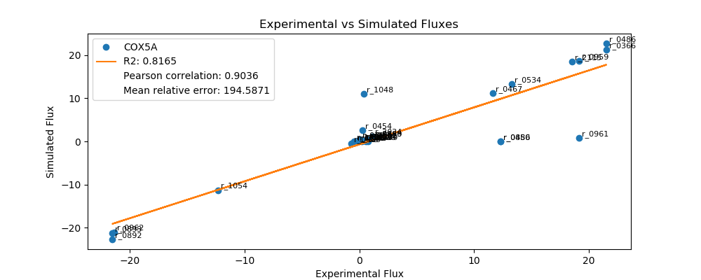
r_0452 | (S)-Malate-mit <==> Fumarate | -0.2142 | -0.1653 | 0.0488 | 22.7939
r_0302 | Citrate <==> Isocitrate | 0.7162 | 0.4485 | 0.2677 | 37.3825
r_0892 | 3-Phospho-D-glycerate <==> 3-Phospho-D-glyceroyl-phosphate | -21.5095 | -22.7589 | 1.2494 | 5.8084
r_0893 | 2-Phospho-D-glycerate <==> 3-Phospho-D-glycerate | -21.5095 | -21.2869 | 0.2226 | 1.0351
r_0889 | 6-Phospho-D-gluconate <==> D-Ribulose-5-phosphate + CO2 | 1.1456 | 0.7865 | 0.3591 | 31.3454
r_1049 | Sedoheptulose-7-phosphate + D-Glyceraldehyde-3-phosphate <==> D-Ribose-5-phosphate + D-Xylulose-5-phosphate | -0.3760 | -0.2560 | 0.1200 | 31.9231
r_1048 | Sedoheptulose-7-phosphate + D-Glyceraldehyde-3-phosphate <==> D-Erythrose-4-phosphate + D-Fructose-6-phosphate | 0.3760 | 11.0494 | 10.6733 | 2,838.2924
r_1050 | D-Fructose-6-phosphate + D-Glyceraldehyde-3-phosphate <==> D-Erythrose-4-phosphate + D-Xylulose-5-phosphate | 0.3002 | 0.1397 | 0.1606 | 53.4833
r_0466 | D-Glucose-6-phosphate <==> D-Glucono-1,5-lactone-6-phosphate | 1.1456 | 0.7865 | 0.3591 | 31.3454
r_0467 | D-Glucose-6-phosphate <==> D-Fructose-6-phosphate | 11.6483 | 11.2656 | 0.3827 | 3.2854
r_0886 | D-Fructose-6-phosphate <==> D-Fructose-1,6-bisphosphate | 12.3256 | 0.0000 | 12.3256 | 100.0000
r_0959 | Pyruvate <==> Acetaldehyde | 19.1315 | 18.6624 | 0.4690 | 2.4517
r_2115 | Acetaldehyde <==> Ethanol | 18.5520 | 18.5817 | 0.0297 | 0.1599
r_2116 | Acetaldehyde <==> Acetate | 0.5795 | 0.0000 | 0.5795 | 100.0000
r_0112 | Acetate <==> Acetyl-CoA | 0.3745 | 0.1060 | 0.2686 | 71.7034
r_2034 | Pyruvate <==> Pyruvate-mit | 1.1014 | 1.1946 | 0.0932 | 8.4616
r_1239 | Oxaloacetate <==> Oxaloacetate-mit | 0.7870 | 0.0000 | 0.7870 | 100.0000

CTP1
 | FBA Results Case 7 [CTP1]

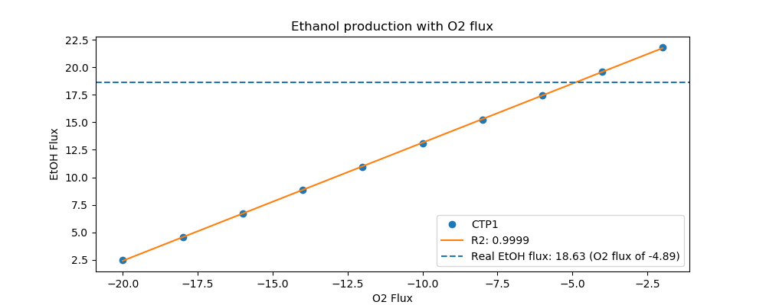
Yeast7_ID | Reaction | CTP1_real_flux | CTP1_sim_flux | CTP1_abs_error | CTP1_rel_error
r_0534 | D-Glucose(ex) <==> D-Glucose-6-phosphate | 13.9000 | 13.9000 | 0.0000 | 0.0000
r_0962 | Pyruvate <==> Phosphoenolpyruvate | -23.3329 | -21.3892 | 1.9436 | 8.3300
r_0961 | Pyruvate-mit + CoA <==> Acetyl-CoA-mit + CO2-mit | 20.0413 | 0.8420 | 19.1993 | 95.7986
r_0718 | (S)-Malate-mit <==> Pyruvate-mit + CO2-mit | 0.0031 | 0.0000 | 0.0031 | 100.0000
r_2131 | Isocitrate <==> 2-Oxoglutarate + CO2-mit | 0.9016 | 0.2388 | 0.6628 | 73.5159
r_0713 | (S)-Malate-mit <==> Oxaloacetate-mit | 0.0735 | 0.4974 | 0.4239 | 576.9621
r_0300 | Citrate + CoA <==> Acetyl-CoA-mit + Oxaloacetate-mit | -0.9016 | -0.4974 | 0.4042 | 44.8343
r_1022 | Succinate-mit + CoA <==> Succinyl-CoA | -0.5164 | 0.0000 | 0.5164 | 100.0000
r_0454 | Succinate-mit <==> Fumarate | 0.0766 | 0.0000 | 0.0766 | 100.0000
r_0366 | 2-Phospho-D-glycerate <==> Phosphoenolpyruvate | 23.5585 | 21.6473 | 1.9112 | 8.1127
r_1054 | D-Glyceraldehyde-3-phosphate <==> Glycerone-phosphate | -12.4809 | -11.7613 | 0.7196 | 5.7657
r_0486 | D-Glyceraldehyde-3-phosphate <==> 3-Phospho-D-glyceroyl-phosphate | 23.5585 | 23.6180 | 0.0595 | 0.2524
r_0450 | D-Fructose-1,6-bisphosphate <==> Glycerone-phosphate + D-Glyceraldehyde-3-phosphate | 12.4809 | 11.7658 | 0.7151 | 5.7298
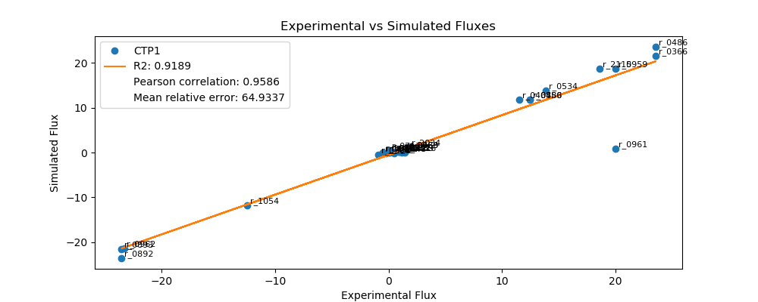
r_0452 | (S)-Malate-mit <==> Fumarate | -0.2194 | -0.1834 | 0.0360 | 16.4125
r_0302 | Citrate <==> Isocitrate | 0.9016 | 0.2388 | 0.6628 | 73.5159
r_0892 | 3-Phospho-D-glycerate <==> 3-Phospho-D-glyceroyl-phosphate | -23.5585 | -23.6180 | 0.0595 | 0.2524
r_0893 | 2-Phospho-D-glycerate <==> 3-Phospho-D-glycerate | -23.5585 | -21.6473 | 1.9112 | 8.1127
r_0889 | 6-Phospho-D-gluconate <==> D-Ribulose-5-phosphate + CO2 | 1.6216 | 0.6386 | 0.9830 | 60.6203
r_1049 | Sedoheptulose-7-phosphate + D-Glyceraldehyde-3-phosphate <==> D-Ribose-5-phosphate + D-Xylulose-5-phosphate | -0.5322 | -0.2060 | 0.3261 | 61.2823
r_1048 | Sedoheptulose-7-phosphate + D-Glyceraldehyde-3-phosphate <==> D-Erythrose-4-phosphate + D-Fructose-6-phosphate | 0.5322 | -0.2060 | 0.7382 | 138.7177
r_1050 | D-Fructose-6-phosphate + D-Glyceraldehyde-3-phosphate <==> D-Erythrose-4-phosphate + D-Xylulose-5-phosphate | 0.4198 | 0.0770 | 0.3428 | 81.6588
r_0466 | D-Glucose-6-phosphate <==> D-Glucono-1,5-lactone-6-phosphate | 1.6216 | 0.6386 | 0.9830 | 60.6203
r_0467 | D-Glucose-6-phosphate <==> D-Fructose-6-phosphate | 11.5279 | 11.8774 | 0.3495 | 3.0319
r_0886 | D-Fructose-6-phosphate <==> D-Fructose-1,6-bisphosphate | 12.4809 | 11.7658 | 0.7151 | 5.7298
r_0959 | Pyruvate <==> Acetaldehyde | 20.0406 | 18.7367 | 1.3039 | 6.5061
r_2115 | Acetaldehyde <==> Ethanol | 18.6280 | 18.6471 | 0.0192 | 0.1030
r_2116 | Acetaldehyde <==> Acetate | 1.4126 | 0.0000 | 1.4126 | 100.0000
r_0112 | Acetate <==> Acetyl-CoA | 0.5729 | 0.1175 | 0.4554 | 79.4851
r_2034 | Pyruvate <==> Pyruvate-mit | 1.7758 | 1.1958 | 0.5800 | 32.6608
r_1239 | Oxaloacetate <==> Oxaloacetate-mit | 1.1627 | 0.0000 | 1.1627 | 100.0000

DAL7
 | FBA Results Case 7 [DAL7]

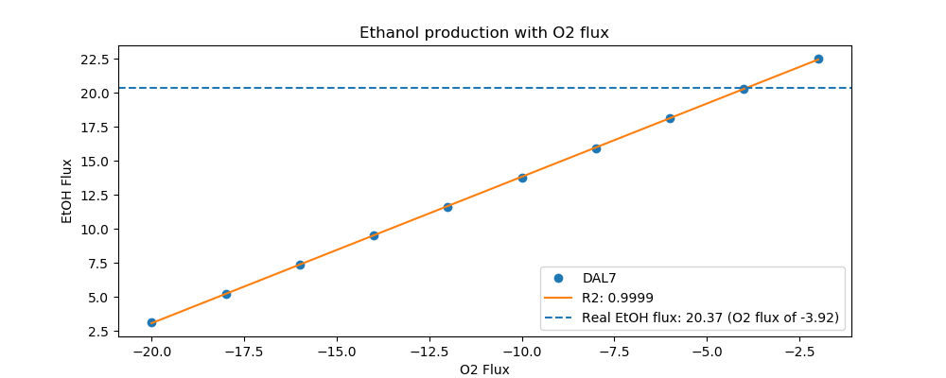
Yeast7_ID | Reaction | DAL7_real_flux | DAL7_sim_flux | DAL7_abs_error | DAL7_rel_error
r_0534 | D-Glucose(ex) <==> D-Glucose-6-phosphate | 14.3000 | 14.3000 | 0.0000 | 0.0000
r_0962 | Pyruvate <==> Phosphoenolpyruvate | -24.6728 | -22.9755 | 1.6973 | 6.8793
r_0961 | Pyruvate-mit + CoA <==> Acetyl-CoA-mit + CO2-mit | 21.6635 | 0.7887 | 20.8748 | 96.3594
r_0718 | (S)-Malate-mit <==> Pyruvate-mit + CO2-mit | 0.0460 | 0.0000 | 0.0460 | 100.0000
r_2131 | Isocitrate <==> 2-Oxoglutarate + CO2-mit | 0.7268 | 0.3445 | 0.3823 | 52.6007
r_0713 | (S)-Malate-mit <==> Oxaloacetate-mit | 0.0560 | 0.4659 | 0.4099 | 732.1027
r_0300 | Citrate + CoA <==> Acetyl-CoA-mit + Oxaloacetate-mit | -0.7268 | -0.4659 | 0.2610 | 35.9041
r_1022 | Succinate-mit + CoA <==> Succinyl-CoA | -0.3819 | 0.0000 | 0.3819 | 100.0000
r_0454 | Succinate-mit <==> Fumarate | 0.1020 | 2.4650 | 2.3630 | 2,317.2006
r_0366 | 2-Phospho-D-glycerate <==> Phosphoenolpyruvate | 24.6268 | 23.2172 | 1.4096 | 5.7238
r_1054 | D-Glyceraldehyde-3-phosphate <==> Glycerone-phosphate | -13.1112 | -12.1965 | 0.9147 | 6.9765
r_0486 | D-Glyceraldehyde-3-phosphate <==> 3-Phospho-D-glyceroyl-phosphate | 24.6268 | 24.5826 | 0.0442 | 0.1795
r_0450 | D-Fructose-1,6-bisphosphate <==> Glycerone-phosphate + D-Glyceraldehyde-3-phosphate | 13.1112 | 0.0000 | 13.1112 | 100.0000
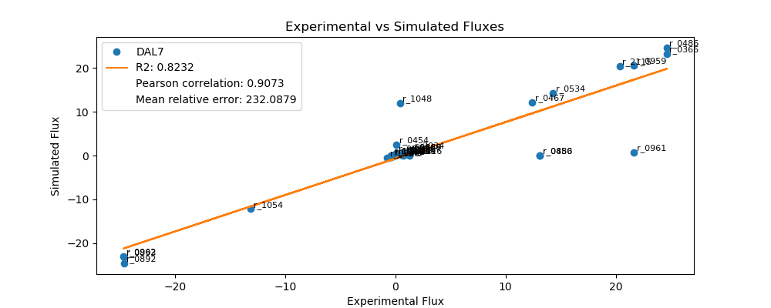
r_0452 | (S)-Malate-mit <==> Fumarate | -0.2090 | -0.1718 | 0.0372 | 17.8053
r_0302 | Citrate <==> Isocitrate | 0.7268 | 0.4659 | 0.2610 | 35.9041
r_0892 | 3-Phospho-D-glycerate <==> 3-Phospho-D-glyceroyl-phosphate | -24.6268 | -24.5826 | 0.0442 | 0.1795
r_0893 | 2-Phospho-D-glycerate <==> 3-Phospho-D-glycerate | -24.6268 | -23.2172 | 1.4096 | 5.7238
r_0889 | 6-Phospho-D-gluconate <==> D-Ribulose-5-phosphate + CO2 | 1.2447 | 0.8988 | 0.3459 | 27.7905
r_1049 | Sedoheptulose-7-phosphate + D-Glyceraldehyde-3-phosphate <==> D-Ribose-5-phosphate + D-Xylulose-5-phosphate | -0.4079 | -0.2932 | 0.1147 | 28.1199
r_1048 | Sedoheptulose-7-phosphate + D-Glyceraldehyde-3-phosphate <==> D-Erythrose-4-phosphate + D-Fructose-6-phosphate | 0.4079 | 11.9075 | 11.4996 | 2,819.1275
r_1050 | D-Fructose-6-phosphate + D-Glyceraldehyde-3-phosphate <==> D-Erythrose-4-phosphate + D-Xylulose-5-phosphate | 0.3069 | 0.1723 | 0.1346 | 43.8484
r_0466 | D-Glucose-6-phosphate <==> D-Glucono-1,5-lactone-6-phosphate | 1.2447 | 0.8988 | 0.3459 | 27.7905
r_0467 | D-Glucose-6-phosphate <==> D-Fructose-6-phosphate | 12.3964 | 12.1048 | 0.2916 | 2.3521
r_0886 | D-Fructose-6-phosphate <==> D-Fructose-1,6-bisphosphate | 13.1112 | 0.0000 | 13.1112 | 100.0000
r_0959 | Pyruvate <==> Acetaldehyde | 21.6640 | 20.4910 | 1.1730 | 5.4147
r_2115 | Acetaldehyde <==> Ethanol | 20.3690 | 20.4071 | 0.0381 | 0.1871
r_2116 | Acetaldehyde <==> Acetate | 1.2950 | 0.0000 | 1.2950 | 100.0000
r_0112 | Acetate <==> Acetyl-CoA | 0.4952 | 0.1101 | 0.3851 | 77.7684
r_2034 | Pyruvate <==> Pyruvate-mit | 1.4897 | 1.2409 | 0.2488 | 16.6982
r_1239 | Oxaloacetate <==> Oxaloacetate-mit | 0.7426 | 0.0000 | 0.7426 | 100.0000

FUM1
 | FBA Results Case 7 [FUM1]

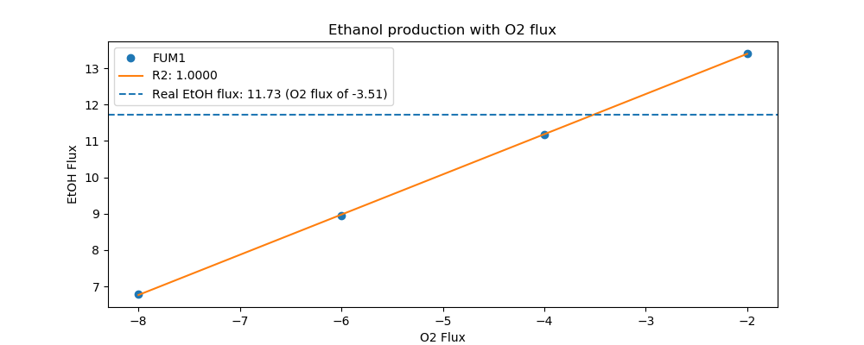
Yeast7_ID | Reaction | FUM1_real_flux | FUM1_sim_flux | FUM1_abs_error | FUM1_rel_error
r_0534 | D-Glucose(ex) <==> D-Glucose-6-phosphate | 9.1000 | 9.1000 | 0.0000 | 0.0000
r_0962 | Pyruvate <==> Phosphoenolpyruvate | -14.9383 | -13.7138 | 1.2244 | 8.1966
r_0961 | Pyruvate-mit + CoA <==> Acetyl-CoA-mit + CO2-mit | 12.8422 | 0.5724 | 12.2698 | 95.5428
r_0718 | (S)-Malate-mit <==> Pyruvate-mit + CO2-mit | 0.0000 | 0.0000 | 0.0000
r_2131 | Isocitrate <==> 2-Oxoglutarate + CO2-mit | 0.6092 | 0.2500 | 0.3591 | 58.9535
r_0713 | (S)-Malate-mit <==> Oxaloacetate-mit | 0.0000 | 0.3381 | 0.3381 | inf
r_0300 | Citrate + CoA <==> Acetyl-CoA-mit + Oxaloacetate-mit | -0.6092 | -0.3381 | 0.2710 | 44.4941
r_1022 | Succinate-mit + CoA <==> Succinyl-CoA | -0.3963 | 0.0000 | 0.3963 | 100.0000
r_0454 | Succinate-mit <==> Fumarate | 0.1014 | 0.0000 | 0.1014 | 100.0000
r_0366 | 2-Phospho-D-glycerate <==> Phosphoenolpyruvate | 15.0609 | 13.8893 | 1.1716 | 7.7793
r_1054 | D-Glyceraldehyde-3-phosphate <==> Glycerone-phosphate | -8.3236 | -7.6542 | 0.6694 | 8.0423
r_0486 | D-Glyceraldehyde-3-phosphate <==> 3-Phospho-D-glyceroyl-phosphate | 15.0609 | 15.3651 | 0.3042 | 2.0198
r_0450 | D-Fructose-1,6-bisphosphate <==> Glycerone-phosphate + D-Glyceraldehyde-3-phosphate | 8.3236 | 7.5252 | 0.7984 | 9.5915
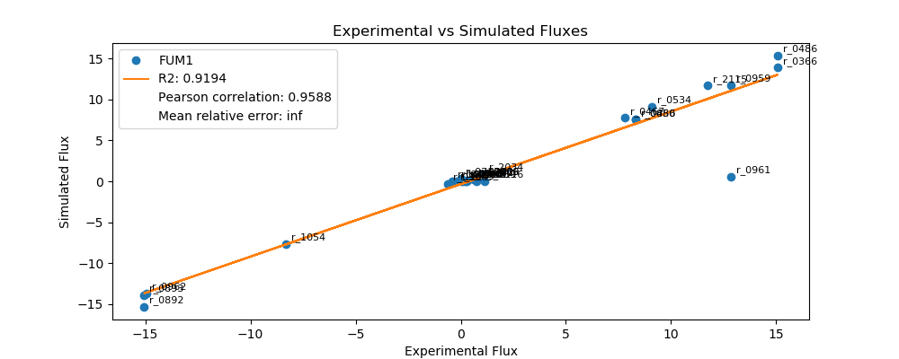
r_0452 | (S)-Malate-mit <==> Fumarate | -0.2118 | 0.0000 | 0.2118 | 100.0000
r_0302 | Citrate <==> Isocitrate | 0.6092 | 0.3381 | 0.2710 | 44.4941
r_0892 | 3-Phospho-D-glycerate <==> 3-Phospho-D-glyceroyl-phosphate | -15.0609 | -15.3651 | 0.3042 | 2.0198
r_0893 | 2-Phospho-D-glycerate <==> 3-Phospho-D-glycerate | -15.0609 | -13.8893 | 1.1716 | 7.7793
r_0889 | 6-Phospho-D-gluconate <==> D-Ribulose-5-phosphate + CO2 | 0.8899 | 0.4099 | 0.4800 | 53.9394
r_1049 | Sedoheptulose-7-phosphate + D-Glyceraldehyde-3-phosphate <==> D-Ribose-5-phosphate + D-Xylulose-5-phosphate | -0.2919 | -0.1320 | 0.1599 | 54.7836
r_1048 | Sedoheptulose-7-phosphate + D-Glyceraldehyde-3-phosphate <==> D-Erythrose-4-phosphate + D-Fructose-6-phosphate | 0.2919 | 0.0000 | 0.2919 | 100.0000
r_1050 | D-Fructose-6-phosphate + D-Glyceraldehyde-3-phosphate <==> D-Erythrose-4-phosphate + D-Xylulose-5-phosphate | 0.2311 | 0.0443 | 0.1868 | 80.8411
r_0466 | D-Glucose-6-phosphate <==> D-Glucono-1,5-lactone-6-phosphate | 0.8899 | 0.4099 | 0.4800 | 53.9394
r_0467 | D-Glucose-6-phosphate <==> D-Fructose-6-phosphate | 7.8006 | 7.7492 | 0.0513 | 0.6582
r_0886 | D-Fructose-6-phosphate <==> D-Fructose-1,6-bisphosphate | 8.3236 | 7.5252 | 0.7984 | 9.5915
r_0959 | Pyruvate <==> Acetaldehyde | 12.8413 | 11.7860 | 1.0554 | 8.2184
r_2115 | Acetaldehyde <==> Ethanol | 11.7267 | 11.7251 | 0.0016 | 0.0139
r_2116 | Acetaldehyde <==> Acetate | 1.1146 | 0.0000 | 1.1146 | 100.0000
r_0112 | Acetate <==> Acetyl-CoA | 0.3038 | 0.0799 | 0.2239 | 73.6955
r_2034 | Pyruvate <==> Pyruvate-mit | 1.1063 | 0.9006 | 0.2057 | 18.5936
r_1239 | Oxaloacetate <==> Oxaloacetate-mit | 0.7519 | 0.0000 | 0.7519 | 100.0000

GND2
 | FBA Results Case 7 [GND2]

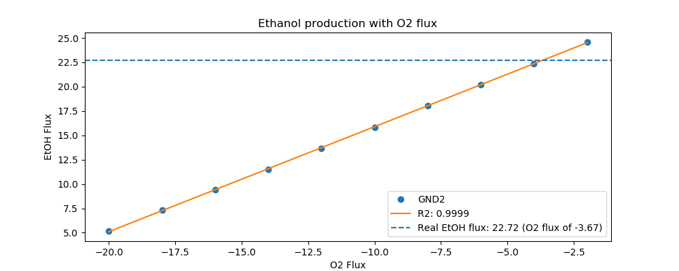
Yeast7_ID | Reaction | GND2_real_flux | GCV2_sim_flux | GND2_abs_error | GND2_rel_error
r_0534 | D-Glucose(ex) <==> D-Glucose-6-phosphate | 15.5000 | 16.0000 | 0.5000 | 3.2258
r_0962 | Pyruvate <==> Phosphoenolpyruvate | -27.5534 | -26.9712 | 0.5822 | 2.1130
r_0961 | Pyruvate-mit + CoA <==> Acetyl-CoA-mit + CO2-mit | 24.2182 | 1.5594 | 22.6588 | 93.5612
r_0718 | (S)-Malate-mit <==> Pyruvate-mit + CO2-mit | 0.0395 | 0.0000 | 0.0395 | 100.0000
r_2131 | Isocitrate <==> 2-Oxoglutarate + CO2-mit | 0.7116 | 0.3745 | 0.3371 | 47.3712
r_0713 | (S)-Malate-mit <==> Oxaloacetate-mit | 0.0668 | 1.2085 | 1.1417 | 1,708.9222
r_0300 | Citrate + CoA <==> Acetyl-CoA-mit + Oxaloacetate-mit | -0.7116 | -1.2085 | 0.4969 | 69.8277
r_1022 | Succinate-mit + CoA <==> Succinyl-CoA | -0.3705 | -0.7020 | 0.3316 | 89.5019
r_0454 | Succinate-mit <==> Fumarate | 0.1073 | 0.0000 | 0.1073 | 100.0000
r_0366 | 2-Phospho-D-glycerate <==> Phosphoenolpyruvate | 27.1131 | 27.2340 | 0.1209 | 0.4458
r_1054 | D-Glyceraldehyde-3-phosphate <==> Glycerone-phosphate | -14.3117 | -13.6205 | 0.6911 | 4.8291
r_0486 | D-Glyceraldehyde-3-phosphate <==> 3-Phospho-D-glyceroyl-phosphate | 27.1131 | 27.5401 | 0.4270 | 1.5748
r_0450 | D-Fructose-1,6-bisphosphate <==> Glycerone-phosphate + D-Glyceraldehyde-3-phosphate | 14.3117 | 13.6251 | 0.6866 | 4.7972
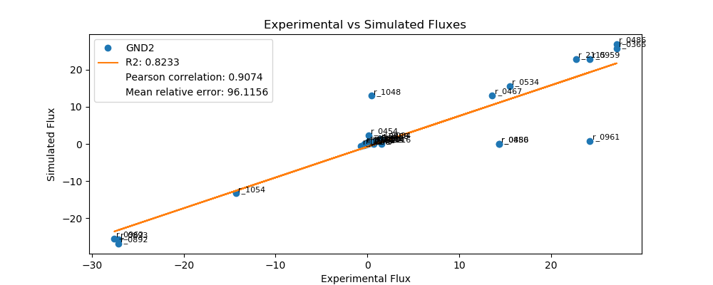
r_0452 | (S)-Malate-mit <==> Fumarate | -0.2116 | -0.1867 | 0.0249 | 11.7497
r_0302 | Citrate <==> Isocitrate | 0.7116 | 0.0000 | 0.7116 | 100.0000
r_0892 | 3-Phospho-D-glycerate <==> 3-Phospho-D-glyceroyl-phosphate | -27.1131 | -27.5401 | 0.4270 | 1.5748
r_0893 | 2-Phospho-D-glycerate <==> 3-Phospho-D-glycerate | -27.1131 | -27.2340 | 0.1209 | 0.4458
r_0889 | 6-Phospho-D-gluconate <==> D-Ribulose-5-phosphate + CO2 | 1.2562 | 1.2560 | 0.0002 | 0.0132
r_1049 | Sedoheptulose-7-phosphate + D-Glyceraldehyde-3-phosphate <==> D-Ribose-5-phosphate + D-Xylulose-5-phosphate | -0.4120 | -0.4117 | 0.0003 | 0.0634
r_1048 | Sedoheptulose-7-phosphate + D-Glyceraldehyde-3-phosphate <==> D-Erythrose-4-phosphate + D-Fructose-6-phosphate | 0.4120 | -0.4117 | 0.8237 | 199.9366
r_1050 | D-Fructose-6-phosphate + D-Glyceraldehyde-3-phosphate <==> D-Erythrose-4-phosphate + D-Xylulose-5-phosphate | 0.3128 | 0.2803 | 0.0324 | 10.3720
r_0466 | D-Glucose-6-phosphate <==> D-Glucono-1,5-lactone-6-phosphate | 1.2562 | 1.2560 | 0.0002 | 0.0132
r_0467 | D-Glucose-6-phosphate <==> D-Fructose-6-phosphate | 13.5869 | 13.3349 | 0.2521 | 1.8552
r_0886 | D-Fructose-6-phosphate <==> D-Fructose-1,6-bisphosphate | 14.3117 | 13.6251 | 0.6866 | 4.7972
r_0959 | Pyruvate <==> Acetaldehyde | 24.2193 | 23.5685 | 0.6508 | 2.6871
r_2115 | Acetaldehyde <==> Ethanol | 22.7196 | 23.4773 | 0.7577 | 3.3348
r_2116 | Acetaldehyde <==> Acetate | 1.4996 | 0.0000 | 1.4996 | 100.0000
r_0112 | Acetate <==> Acetyl-CoA | 0.4874 | 0.1197 | 0.3677 | 75.4472
r_2034 | Pyruvate <==> Pyruvate-mit | 1.4708 | 2.1328 | 0.6620 | 45.0069
r_1239 | Oxaloacetate <==> Oxaloacetate-mit | 0.6965 | 0.0000 | 0.6965 | 100.0000

GCV2
 | FBA Results Case 7 [GCV2]

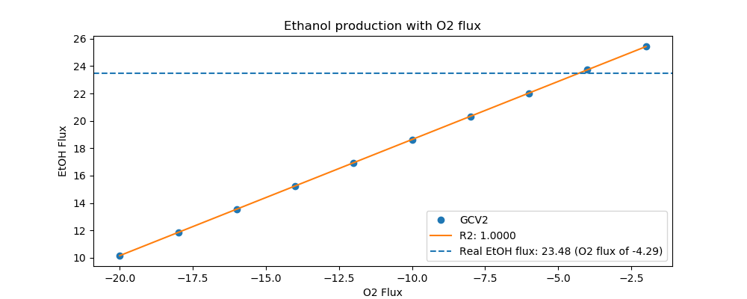
Yeast7_ID | Reaction | GCV2_real_flux | GLY1_sim_flux | GCV2_abs_error | GCV2_rel_error
r_0534 | D-Glucose(ex) <==> D-Glucose-6-phosphate | 16.0000 | 13.1000 | 2.9000 | 18.1250
r_0962 | Pyruvate <==> Phosphoenolpyruvate | -27.5186 | -21.1348 | 6.3838 | 23.1982
r_0961 | Pyruvate-mit + CoA <==> Acetyl-CoA-mit + CO2-mit | 24.2147 | 0.7154 | 23.4993 | 97.0457
r_0718 | (S)-Malate-mit <==> Pyruvate-mit + CO2-mit | 0.8028 | 0.0000 | 0.8028 | 100.0000
r_2131 | Isocitrate <==> 2-Oxoglutarate + CO2-mit | 1.4842 | 0.3125 | 1.1717 | 78.9447
r_0713 | (S)-Malate-mit <==> Oxaloacetate-mit | 0.3098 | 0.4226 | 0.1128 | 36.4098
r_0300 | Citrate + CoA <==> Acetyl-CoA-mit + Oxaloacetate-mit | -1.4842 | -0.4226 | 1.0616 | 71.5279
r_1022 | Succinate-mit + CoA <==> Succinyl-CoA | -1.1126 | 0.0000 | 1.1126 | 100.0000
r_0454 | Succinate-mit <==> Fumarate | 1.1126 | 0.0000 | 1.1126 | 100.0000
r_0366 | 2-Phospho-D-glycerate <==> Phosphoenolpyruvate | 27.7338 | 21.3541 | 6.3797 | 23.0035
r_1054 | D-Glyceraldehyde-3-phosphate <==> Glycerone-phosphate | -14.9013 | -11.1848 | 3.7165 | 24.9409
r_0486 | D-Glyceraldehyde-3-phosphate <==> 3-Phospho-D-glyceroyl-phosphate | 27.7338 | 22.5488 | 5.1850 | 18.6956
r_0450 | D-Fructose-1,6-bisphosphate <==> Glycerone-phosphate + D-Glyceraldehyde-3-phosphate | 14.9013 | 10.9154 | 3.9860 | 26.7490
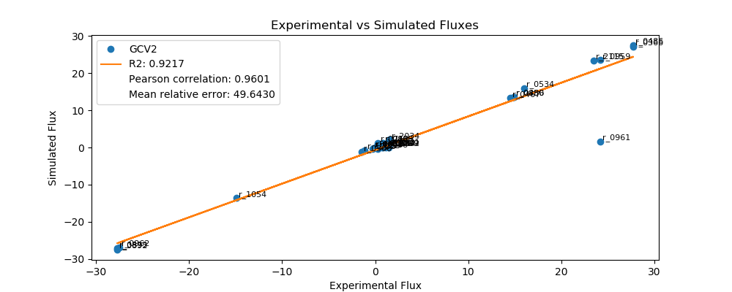
r_0452 | (S)-Malate-mit <==> Fumarate | -0.2082 | -0.1558 | 0.0524 | 25.1684
r_0302 | Citrate <==> Isocitrate | 1.4842 | 0.0000 | 1.4842 | 100.0000
r_0892 | 3-Phospho-D-glycerate <==> 3-Phospho-D-glyceroyl-phosphate | -27.7338 | -22.5488 | 5.1850 | 18.6956
r_0893 | 2-Phospho-D-glycerate <==> 3-Phospho-D-glycerate | -27.7338 | -21.3541 | 6.3797 | 23.0035
r_0889 | 6-Phospho-D-gluconate <==> D-Ribulose-5-phosphate + CO2 | 0.7889 | 0.8371 | 0.0482 | 6.1140
r_1049 | Sedoheptulose-7-phosphate + D-Glyceraldehyde-3-phosphate <==> D-Ribose-5-phosphate + D-Xylulose-5-phosphate | -0.2550 | -0.2732 | 0.0182 | 7.1545
r_1048 | Sedoheptulose-7-phosphate + D-Glyceraldehyde-3-phosphate <==> D-Erythrose-4-phosphate + D-Fructose-6-phosphate | 0.2550 | 0.0000 | 0.2550 | 100.0000
r_1050 | D-Fructose-6-phosphate + D-Glyceraldehyde-3-phosphate <==> D-Erythrose-4-phosphate + D-Xylulose-5-phosphate | 0.1474 | 0.1636 | 0.0162 | 10.9860
r_0466 | D-Glucose-6-phosphate <==> D-Glucono-1,5-lactone-6-phosphate | 0.7889 | 0.8371 | 0.0482 | 6.1140
r_0467 | D-Glucose-6-phosphate <==> D-Fructose-6-phosphate | 14.4989 | 11.0870 | 3.4119 | 23.5320
r_0886 | D-Fructose-6-phosphate <==> D-Fructose-1,6-bisphosphate | 14.9013 | 10.9154 | 3.9860 | 26.7490
r_0959 | Pyruvate <==> Acetaldehyde | 24.2144 | 18.8813 | 5.3331 | 22.0247
r_2115 | Acetaldehyde <==> Ethanol | 23.4845 | 18.8052 | 4.6793 | 19.9252
r_2116 | Acetaldehyde <==> Acetate | 0.7299 | 0.0000 | 0.7299 | 100.0000
r_0112 | Acetate <==> Acetyl-CoA | 0.5307 | 0.0999 | 0.4308 | 81.1834
r_2034 | Pyruvate <==> Pyruvate-mit | 1.5505 | 0.0000 | 1.5505 | 100.0000
r_1239 | Oxaloacetate <==> Oxaloacetate-mit | 1.4791 | 0.0000 | 1.4791 | 100.0000

GLY1
 | FBA Results Case 7 [GLY1]


Yeast7_ID | Reaction | GLY1_real_flux | GND2_sim_flux | GLY1_abs_error | GLY1_rel_error
r_0534 | D-Glucose(ex) <==> D-Glucose-6-phosphate | 13.1000 | 15.5000 | 2.4000 | 18.3206
r_0962 | Pyruvate <==> Phosphoenolpyruvate | -22.8675 | -25.4038 | 2.5363 | 11.0911
r_0961 | Pyruvate-mit + CoA <==> Acetyl-CoA-mit + CO2-mit | 19.9145 | 0.8140 | 19.1005 | 95.9126
r_0718 | (S)-Malate-mit <==> Pyruvate-mit + CO2-mit | 0.0843 | 0.0000 | 0.0843 | 100.0000
r_2131 | Isocitrate <==> 2-Oxoglutarate + CO2-mit | 0.7980 | 0.3556 | 0.4424 | 55.4408
r_0713 | (S)-Malate-mit <==> Oxaloacetate-mit | 0.0542 | 0.4808 | 0.4266 | 787.0937
r_0300 | Citrate + CoA <==> Acetyl-CoA-mit + Oxaloacetate-mit | -0.7980 | -0.4808 | 0.3172 | 39.7446
r_1022 | Succinate-mit + CoA <==> Succinyl-CoA | -0.4798 | 0.0000 | 0.4798 | 100.0000
r_0454 | Succinate-mit <==> Fumarate | 0.1385 | 2.2936 | 2.1551 | 1,555.8136
r_0366 | 2-Phospho-D-glycerate <==> Phosphoenolpyruvate | 22.8455 | 25.6533 | 2.8078 | 12.2905
r_1054 | D-Glyceraldehyde-3-phosphate <==> Glycerone-phosphate | -12.0430 | -13.2873 | 1.2443 | 10.3317
r_0486 | D-Glyceraldehyde-3-phosphate <==> 3-Phospho-D-glyceroyl-phosphate | 22.8455 | 26.8120 | 3.9665 | 17.3624
r_0450 | D-Fructose-1,6-bisphosphate <==> Glycerone-phosphate + D-Glyceraldehyde-3-phosphate | 12.0430 | 0.0000 | 12.0430 | 100.0000
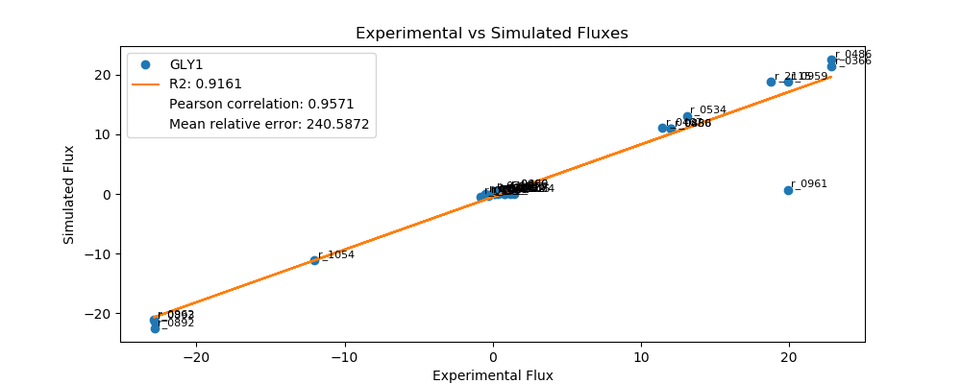
r_0452 | (S)-Malate-mit <==> Fumarate | -0.2098 | -0.1773 | 0.0325 | 15.5029
r_0302 | Citrate <==> Isocitrate | 0.7980 | 0.4808 | 0.3172 | 39.7446
r_0892 | 3-Phospho-D-glycerate <==> 3-Phospho-D-glyceroyl-phosphate | -22.8455 | -26.8120 | 3.9665 | 17.3624
r_0893 | 2-Phospho-D-glycerate <==> 3-Phospho-D-glycerate | -22.8455 | -25.6533 | 2.8078 | 12.2905
r_0889 | 6-Phospho-D-gluconate <==> D-Ribulose-5-phosphate + CO2 | 1.0218 | 1.0529 | 0.0311 | 3.0437
r_1049 | Sedoheptulose-7-phosphate + D-Glyceraldehyde-3-phosphate <==> D-Ribose-5-phosphate + D-Xylulose-5-phosphate | -0.3343 | -0.3444 | 0.0101 | 3.0282
r_1048 | Sedoheptulose-7-phosphate + D-Glyceraldehyde-3-phosphate <==> D-Erythrose-4-phosphate + D-Fructose-6-phosphate | 0.3343 | 12.9473 | 12.6130 | 3,773.5240
r_1050 | D-Fructose-6-phosphate + D-Glyceraldehyde-3-phosphate <==> D-Erythrose-4-phosphate + D-Xylulose-5-phosphate | 0.2419 | 0.2196 | 0.0223 | 9.2065
r_0466 | D-Glucose-6-phosphate <==> D-Glucono-1,5-lactone-6-phosphate | 1.0218 | 1.0529 | 0.0311 | 3.0437
r_0467 | D-Glucose-6-phosphate <==> D-Fructose-6-phosphate | 11.4679 | 13.1091 | 1.6412 | 14.3115
r_0886 | D-Fructose-6-phosphate <==> D-Fructose-1,6-bisphosphate | 12.0430 | 0.0000 | 12.0430 | 100.0000
r_0959 | Pyruvate <==> Acetaldehyde | 19.9142 | 22.8396 | 2.9253 | 14.6897
r_2115 | Acetaldehyde <==> Ethanol | 18.7572 | 22.7530 | 3.9958 | 21.3027
r_2116 | Acetaldehyde <==> Acetate | 1.1570 | 0.0000 | 1.1570 | 100.0000
r_0112 | Acetate <==> Acetyl-CoA | 0.4544 | 0.1136 | 0.3408 | 74.9940
r_2034 | Pyruvate <==> Pyruvate-mit | 1.4582 | 1.2808 | 0.1775 | 12.1707
r_1239 | Oxaloacetate <==> Oxaloacetate-mit | 0.7907 | 0.0000 | 0.7907 | 100.0000

GPD1
 | FBA Results Case 7 [GPD1]

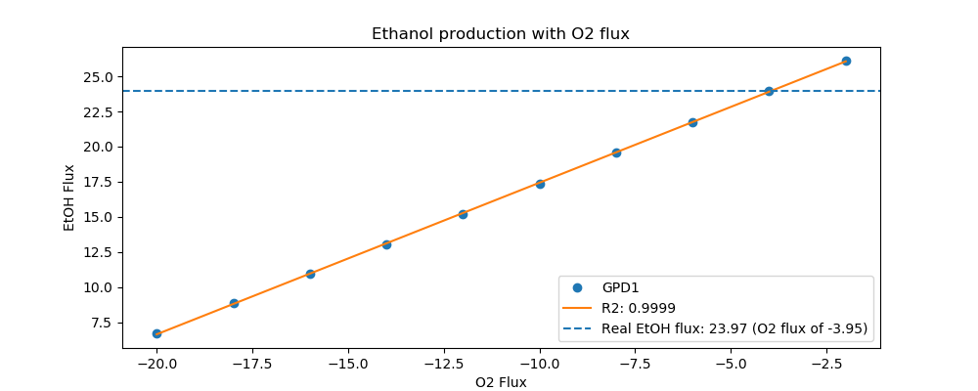
Yeast7_ID | Reaction | GPD1_real_flux | GPD1_sim_flux | GPD1_abs_error | GPD1_rel_error
r_0534 | D-Glucose(ex) <==> D-Glucose-6-phosphate | 16.4000 | 16.4000 | 0.0000 | 0.0000
r_0962 | Pyruvate <==> Phosphoenolpyruvate | -28.2690 | -26.8210 | 1.4479 | 5.1220
r_0961 | Pyruvate-mit + CoA <==> Acetyl-CoA-mit + CO2-mit | 24.8850 | 0.8660 | 24.0190 | 96.5201
r_0718 | (S)-Malate-mit <==> Pyruvate-mit + CO2-mit | 0.0000 | 0.0000 | 0.0000
r_2131 | Isocitrate <==> 2-Oxoglutarate + CO2-mit | 0.8094 | 0.3783 | 0.4311 | 53.2653
r_0713 | (S)-Malate-mit <==> Oxaloacetate-mit | 0.0090 | 0.5115 | 0.5025 | 5,573.7100
r_0300 | Citrate + CoA <==> Acetyl-CoA-mit + Oxaloacetate-mit | -0.8094 | -0.5115 | 0.2979 | 36.8027
r_1022 | Succinate-mit + CoA <==> Succinyl-CoA | -0.4398 | 0.0000 | 0.4398 | 100.0000
r_0454 | Succinate-mit <==> Fumarate | 0.0090 | 0.0000 | 0.0090 | 100.0000
r_0366 | 2-Phospho-D-glycerate <==> Phosphoenolpyruvate | 28.1868 | 27.0865 | 1.1004 | 3.9039
r_1054 | D-Glyceraldehyde-3-phosphate <==> Glycerone-phosphate | -14.9785 | -14.0510 | 0.9274 | 6.1918
r_0486 | D-Glyceraldehyde-3-phosphate <==> 3-Phospho-D-glyceroyl-phosphate | 28.1868 | 28.3496 | 0.1627 | 0.5773
r_0450 | D-Fructose-1,6-bisphosphate <==> Glycerone-phosphate + D-Glyceraldehyde-3-phosphate | 14.9785 | 0.0000 | 14.9785 | 100.0000
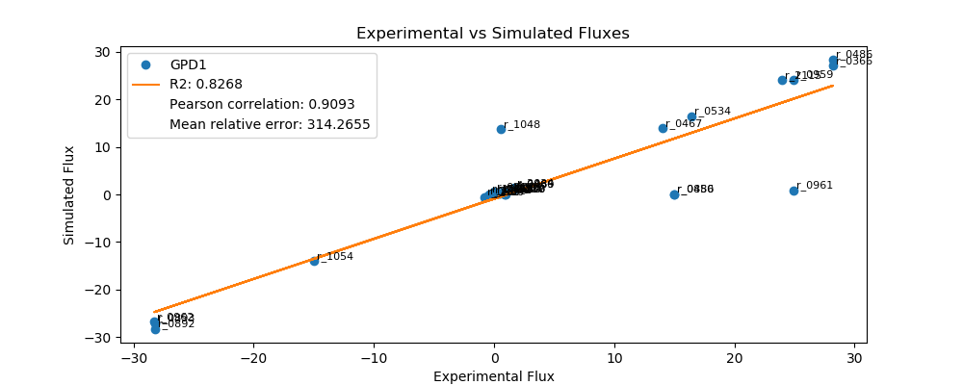
r_0452 | (S)-Malate-mit <==> Fumarate | -0.2094 | -0.1886 | 0.0208 | 9.9283
r_0302 | Citrate <==> Isocitrate | 0.8094 | 0.5115 | 0.2979 | 36.8027
r_0892 | 3-Phospho-D-glycerate <==> 3-Phospho-D-glyceroyl-phosphate | -28.1868 | -28.3496 | 0.1627 | 0.5773
r_0893 | 2-Phospho-D-glycerate <==> 3-Phospho-D-glycerate | -28.1868 | -27.0865 | 1.1004 | 3.9039
r_0889 | 6-Phospho-D-gluconate <==> D-Ribulose-5-phosphate + CO2 | 1.6399 | 1.1050 | 0.5349 | 32.6197
r_1049 | Sedoheptulose-7-phosphate + D-Glyceraldehyde-3-phosphate <==> D-Ribose-5-phosphate + D-Xylulose-5-phosphate | -0.5390 | -0.3613 | 0.1777 | 32.9629
r_1048 | Sedoheptulose-7-phosphate + D-Glyceraldehyde-3-phosphate <==> D-Erythrose-4-phosphate + D-Fructose-6-phosphate | 0.5390 | 13.6944 | 13.1554 | 2,440.9193
r_1050 | D-Fructose-6-phosphate + D-Glyceraldehyde-3-phosphate <==> D-Erythrose-4-phosphate + D-Xylulose-5-phosphate | 0.4388 | 0.2286 | 0.2102 | 47.9019
r_0466 | D-Glucose-6-phosphate <==> D-Glucono-1,5-lactone-6-phosphate | 1.6399 | 1.1050 | 0.5349 | 32.6197
r_0467 | D-Glucose-6-phosphate <==> D-Fructose-6-phosphate | 14.0018 | 13.8716 | 0.1301 | 0.9294
r_0886 | D-Fructose-6-phosphate <==> D-Fructose-1,6-bisphosphate | 14.9785 | 0.0000 | 14.9785 | 100.0000
r_0959 | Pyruvate <==> Acetaldehyde | 24.8860 | 24.0930 | 0.7929 | 3.1863
r_2115 | Acetaldehyde <==> Ethanol | 23.9702 | 24.0009 | 0.0307 | 0.1282
r_2116 | Acetaldehyde <==> Acetate | 0.9158 | 0.0000 | 0.9158 | 100.0000
r_0112 | Acetate <==> Acetyl-CoA | 0.5150 | 0.1209 | 0.3942 | 76.5299
r_2034 | Pyruvate <==> Pyruvate-mit | 1.6738 | 1.3626 | 0.3113 | 18.5967
r_1239 | Oxaloacetate <==> Oxaloacetate-mit | 0.9371 | 0.0000 | 0.9371 | 100.0000

ICL1
 | FBA Results Case 7 [ICL1]

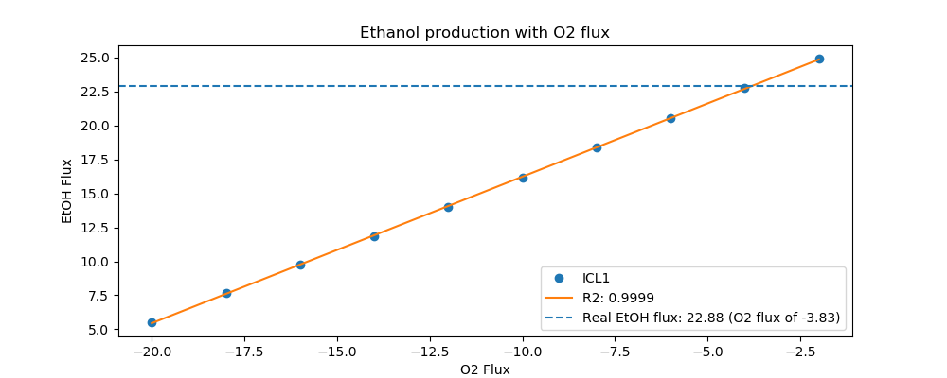
Yeast7_ID | Reaction | ICL1_real_flux | ICL1_sim_flux | ICL1_abs_error | ICL1_rel_error
r_0534 | D-Glucose(ex) <==> D-Glucose-6-phosphate | 15.7000 | 15.7000 | 0.0000 | 0.0000
r_0962 | Pyruvate <==> Phosphoenolpyruvate | -27.1445 | -25.6343 | 1.5102 | 5.5636
r_0961 | Pyruvate-mit + CoA <==> Acetyl-CoA-mit + CO2-mit | 24.4604 | 0.8324 | 23.6280 | 96.5968
r_0718 | (S)-Malate-mit <==> Pyruvate-mit + CO2-mit | 0.0621 | 0.0000 | 0.0621 | 100.0000
r_2131 | Isocitrate <==> 2-Oxoglutarate + CO2-mit | 0.5171 | 0.3636 | 0.1534 | 29.6716
r_0713 | (S)-Malate-mit <==> Oxaloacetate-mit | 0.0631 | 5.6201 | 5.5570 | 8,805.8426
r_0300 | Citrate + CoA <==> Acetyl-CoA-mit + Oxaloacetate-mit | -0.5171 | -0.4917 | 0.0253 | 4.8980
r_1022 | Succinate-mit + CoA <==> Succinyl-CoA | -0.1252 | 0.0000 | 0.1252 | 100.0000
r_0454 | Succinate-mit <==> Fumarate | 0.1252 | 0.0000 | 0.1252 | 100.0000
r_0366 | 2-Phospho-D-glycerate <==> Phosphoenolpyruvate | 27.1251 | 25.8894 | 1.2357 | 4.5557
r_1054 | D-Glyceraldehyde-3-phosphate <==> Glycerone-phosphate | -14.4074 | -13.4457 | 0.9617 | 6.6751
r_0486 | D-Glyceraldehyde-3-phosphate <==> 3-Phospho-D-glyceroyl-phosphate | 27.1251 | 27.1255 | 0.0004 | 0.0016
r_0450 | D-Fructose-1,6-bisphosphate <==> Glycerone-phosphate + D-Glyceraldehyde-3-phosphate | 14.4074 | 13.1064 | 1.3009 | 9.0295
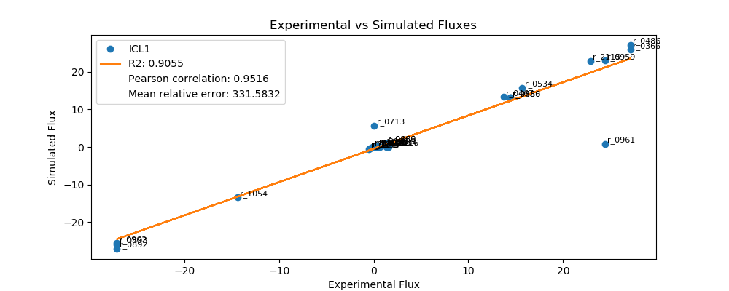
r_0452 | (S)-Malate-mit <==> Fumarate | -0.2127 | -0.1813 | 0.0314 | 14.7818
r_0302 | Citrate <==> Isocitrate | 0.5171 | 0.0000 | 0.5171 | 100.0000
r_0892 | 3-Phospho-D-glycerate <==> 3-Phospho-D-glyceroyl-phosphate | -27.1251 | -27.1255 | 0.0004 | 0.0016
r_0893 | 2-Phospho-D-glycerate <==> 3-Phospho-D-glycerate | -27.1251 | -25.8894 | 1.2357 | 4.5557
r_0889 | 6-Phospho-D-gluconate <==> D-Ribulose-5-phosphate + CO2 | 1.2275 | 1.0512 | 0.1763 | 14.3625
r_1049 | Sedoheptulose-7-phosphate + D-Glyceraldehyde-3-phosphate <==> D-Ribose-5-phosphate + D-Xylulose-5-phosphate | -0.4010 | -0.3436 | 0.0574 | 14.3074
r_1048 | Sedoheptulose-7-phosphate + D-Glyceraldehyde-3-phosphate <==> D-Erythrose-4-phosphate + D-Fructose-6-phosphate | 0.4010 | 0.0000 | 0.4010 | 100.0000
r_1050 | D-Fructose-6-phosphate + D-Glyceraldehyde-3-phosphate <==> D-Erythrose-4-phosphate + D-Xylulose-5-phosphate | 0.2870 | 0.2161 | 0.0709 | 24.7174
r_0466 | D-Glucose-6-phosphate <==> D-Glucono-1,5-lactone-6-phosphate | 1.2275 | 1.0512 | 0.1763 | 14.3625
r_0467 | D-Glucose-6-phosphate <==> D-Fructose-6-phosphate | 13.7193 | 13.2805 | 0.4388 | 3.1984
r_0886 | D-Fructose-6-phosphate <==> D-Fructose-1,6-bisphosphate | 14.4074 | 13.1064 | 1.3009 | 9.0295
r_0959 | Pyruvate <==> Acetaldehyde | 24.4602 | 23.0119 | 1.4484 | 5.9213
r_2115 | Acetaldehyde <==> Ethanol | 22.8825 | 22.9233 | 0.0408 | 0.1784
r_2116 | Acetaldehyde <==> Acetate | 1.5777 | 0.0000 | 1.5777 | 100.0000
r_0112 | Acetate <==> Acetyl-CoA | 0.5599 | 0.1162 | 0.4437 | 79.2467
r_2034 | Pyruvate <==> Pyruvate-mit | 1.3734 | 0.0000 | 1.3734 | 100.0000
r_1239 | Oxaloacetate <==> Oxaloacetate-mit | 0.6695 | 0.0000 | 0.6695 | 100.0000

IDP1
 | FBA Results Case 7 [IDP1]

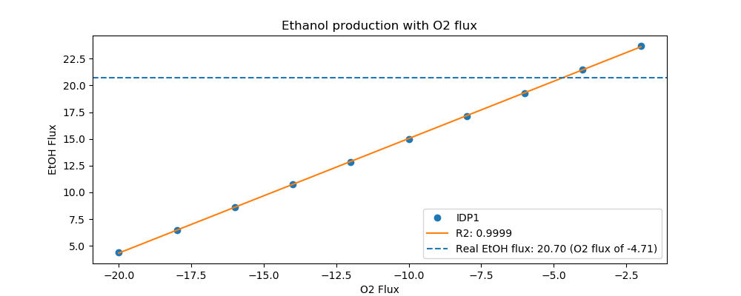
Yeast7_ID | Reaction | IDP1_real_flux | IDP1_sim_flux | IDP1_abs_error | IDP1_rel_error
r_0534 | D-Glucose(ex) <==> D-Glucose-6-phosphate | 15.0000 | 15.0000 | 0.0000 | 0.0000
r_0962 | Pyruvate <==> Phosphoenolpyruvate | -26.0931 | -23.5445 | 2.5486 | 9.7672
r_0961 | Pyruvate-mit + CoA <==> Acetyl-CoA-mit + CO2-mit | 22.1304 | 0.8688 | 21.2616 | 96.0744
r_0718 | (S)-Malate-mit <==> Pyruvate-mit + CO2-mit | 0.0000 | 0.0000 | 0.0000
r_2131 | Isocitrate <==> 2-Oxoglutarate + CO2-mit | 0.8549 | 0.0000 | 0.8549 | 100.0000
r_0713 | (S)-Malate-mit <==> Oxaloacetate-mit | 0.0471 | 0.5132 | 0.4660 | 988.7272
r_0300 | Citrate + CoA <==> Acetyl-CoA-mit + Oxaloacetate-mit | -0.8549 | -0.5132 | 0.3417 | 39.9699
r_1022 | Succinate-mit + CoA <==> Succinyl-CoA | -0.4542 | 0.0000 | 0.4542 | 100.0000
r_0454 | Succinate-mit <==> Fumarate | 0.0471 | 3.1031 | 3.0560 | 6,483.3508
r_0366 | 2-Phospho-D-glycerate <==> Phosphoenolpyruvate | 25.6656 | 23.8108 | 1.8549 | 7.2271
r_1054 | D-Glyceraldehyde-3-phosphate <==> Glycerone-phosphate | -13.5591 | -12.8109 | 0.7483 | 5.5186
r_0486 | D-Glyceraldehyde-3-phosphate <==> 3-Phospho-D-glyceroyl-phosphate | 25.6656 | 25.7026 | 0.0370 | 0.1441
r_0450 | D-Fructose-1,6-bisphosphate <==> Glycerone-phosphate + D-Glyceraldehyde-3-phosphate | 13.5591 | 12.6204 | 0.9387 | 6.9233
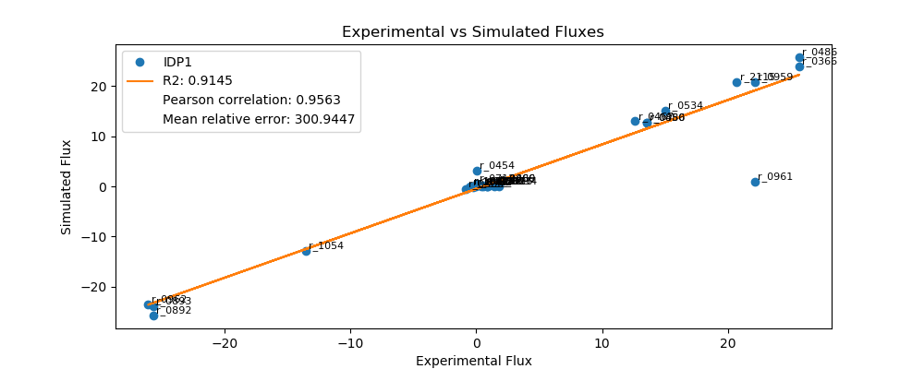
r_0452 | (S)-Malate-mit <==> Fumarate | -0.2239 | -0.1892 | 0.0347 | 15.5012
r_0302 | Citrate <==> Isocitrate | 0.8549 | 0.0000 | 0.8549 | 100.0000
r_0892 | 3-Phospho-D-glycerate <==> 3-Phospho-D-glyceroyl-phosphate | -25.6656 | -25.7026 | 0.0370 | 0.1441
r_0893 | 2-Phospho-D-glycerate <==> 3-Phospho-D-glycerate | -25.6656 | -23.8108 | 1.8549 | 7.2271
r_0889 | 6-Phospho-D-gluconate <==> D-Ribulose-5-phosphate + CO2 | 1.6058 | 0.6064 | 0.9994 | 62.2364
r_1049 | Sedoheptulose-7-phosphate + D-Glyceraldehyde-3-phosphate <==> D-Ribose-5-phosphate + D-Xylulose-5-phosphate | -0.5271 | -0.1951 | 0.3320 | 62.9850
r_1048 | Sedoheptulose-7-phosphate + D-Glyceraldehyde-3-phosphate <==> D-Erythrose-4-phosphate + D-Fructose-6-phosphate | 0.5271 | 0.0000 | 0.5271 | 100.0000
r_1050 | D-Fructose-6-phosphate + D-Glyceraldehyde-3-phosphate <==> D-Erythrose-4-phosphate + D-Xylulose-5-phosphate | 0.4114 | 0.0620 | 0.3494 | 84.9375
r_0466 | D-Glucose-6-phosphate <==> D-Glucono-1,5-lactone-6-phosphate | 1.6058 | 0.6064 | 0.9994 | 62.2364
r_0467 | D-Glucose-6-phosphate <==> D-Fructose-6-phosphate | 12.6207 | 12.9656 | 0.3449 | 2.7328
r_0886 | D-Fructose-6-phosphate <==> D-Fructose-1,6-bisphosphate | 13.5591 | 12.6204 | 0.9387 | 6.9233
r_0959 | Pyruvate <==> Acetaldehyde | 22.1309 | 20.8077 | 1.3232 | 5.9789
r_2115 | Acetaldehyde <==> Ethanol | 20.7036 | 20.7153 | 0.0117 | 0.0565
r_2116 | Acetaldehyde <==> Acetate | 1.4273 | 0.0000 | 1.4273 | 100.0000
r_0112 | Acetate <==> Acetyl-CoA | 0.5702 | 0.1213 | 0.4490 | 78.7336
r_2034 | Pyruvate <==> Pyruvate-mit | 1.7912 | 0.0000 | 1.7912 | 100.0000
r_1239 | Oxaloacetate <==> Oxaloacetate-mit | 0.8932 | 0.0000 | 0.8932 | 100.0000

IDP2
 | FBA Results Case 7 [IDP2]


Yeast7_ID | Reaction | IDP2_real_flux | IDP2_sim_flux | IDP2_abs_error | IDP2_rel_error
r_0534 | D-Glucose(ex) <==> D-Glucose-6-phosphate | 13.4000 | 13.4000 | 0.0000 | 0.0000
r_0962 | Pyruvate <==> Phosphoenolpyruvate | -22.6633 | -21.2724 | 1.3909 | 6.1372
r_0961 | Pyruvate-mit + CoA <==> Acetyl-CoA-mit + CO2-mit | 19.8921 | 0.7606 | 19.1315 | 96.1764
r_0718 | (S)-Malate-mit <==> Pyruvate-mit + CO2-mit | 0.0000 | 0.1170 | 0.1170 | inf
r_2131 | Isocitrate <==> 2-Oxoglutarate + CO2-mit | 0.6151 | 0.4493 | 0.1659 | 26.9629
r_0713 | (S)-Malate-mit <==> Oxaloacetate-mit | 0.0331 | 0.4493 | 0.4162 | 1,258.9330
r_0300 | Citrate + CoA <==> Acetyl-CoA-mit + Oxaloacetate-mit | -0.6151 | -0.4493 | 0.1659 | 26.9629
r_1022 | Succinate-mit + CoA <==> Succinyl-CoA | -0.2334 | 0.0000 | 0.2334 | 100.0000
r_0454 | Succinate-mit <==> Fumarate | 0.0331 | 2.5991 | 2.5660 | 7,761.2289
r_0366 | 2-Phospho-D-glycerate <==> Phosphoenolpyruvate | 22.8045 | 21.5055 | 1.2990 | 5.6964
r_1054 | D-Glyceraldehyde-3-phosphate <==> Glycerone-phosphate | -12.2278 | -11.3688 | 0.8591 | 7.0255
r_0486 | D-Glyceraldehyde-3-phosphate <==> 3-Phospho-D-glyceroyl-phosphate | 22.8045 | 22.9230 | 0.1185 | 0.5195
r_0450 | D-Fructose-1,6-bisphosphate <==> Glycerone-phosphate + D-Glyceraldehyde-3-phosphate | 12.2278 | 0.0000 | 12.2278 | 100.0000

r_0452 | (S)-Malate-mit <==> Fumarate | -0.2094 | -0.1656 | 0.0438 | 20.8974
r_0302 | Citrate <==> Isocitrate | 0.6151 | 0.4493 | 0.1659 | 26.9629
r_0892 | 3-Phospho-D-glycerate <==> 3-Phospho-D-glyceroyl-phosphate | -22.8045 | -22.9230 | 0.1185 | 0.5195
r_0893 | 2-Phospho-D-glycerate <==> 3-Phospho-D-glycerate | -22.8045 | -21.5055 | 1.2990 | 5.6964
r_0889 | 6-Phospho-D-gluconate <==> D-Ribulose-5-phosphate + CO2 | 0.8426 | 0.8750 | 0.0324 | 3.8435
r_1049 | Sedoheptulose-7-phosphate + D-Glyceraldehyde-3-phosphate <==> D-Ribose-5-phosphate + D-Xylulose-5-phosphate | -0.2735 | -0.2855 | 0.0120 | 4.3772
r_1048 | Sedoheptulose-7-phosphate + D-Glyceraldehyde-3-phosphate <==> D-Erythrose-4-phosphate + D-Fructose-6-phosphate | 0.2735 | 11.0873 | 10.8138 | 3,953.7134
r_1050 | D-Fructose-6-phosphate + D-Glyceraldehyde-3-phosphate <==> D-Erythrose-4-phosphate + D-Xylulose-5-phosphate | 0.1683 | 0.1689 | 0.0006 | 0.3644
r_0466 | D-Glucose-6-phosphate <==> D-Glucono-1,5-lactone-6-phosphate | 0.8426 | 0.8750 | 0.0324 | 3.8435
r_0467 | D-Glucose-6-phosphate <==> D-Fructose-6-phosphate | 11.7870 | 11.2749 | 0.5121 | 4.3448
r_0886 | D-Fructose-6-phosphate <==> D-Fructose-1,6-bisphosphate | 12.2278 | 0.0000 | 12.2278 | 100.0000
r_0959 | Pyruvate <==> Acetaldehyde | 19.8919 | 18.8764 | 1.0156 | 5.1054
r_2115 | Acetaldehyde <==> Ethanol | 18.7582 | 18.7955 | 0.0372 | 0.1985
r_2116 | Acetaldehyde <==> Acetate | 1.1337 | 0.0000 | 1.1337 | 100.0000
r_0112 | Acetate <==> Acetyl-CoA | 0.5326 | 0.1062 | 0.4264 | 80.0649
r_2034 | Pyruvate <==> Pyruvate-mit | 1.5047 | 0.0000 | 1.5047 | 100.0000
r_1239 | Oxaloacetate <==> Oxaloacetate-mit | 0.6125 | 0.0000 | 0.6125 | 100.0000

LSC1
 | FBA Results Case 7 [LSC1]

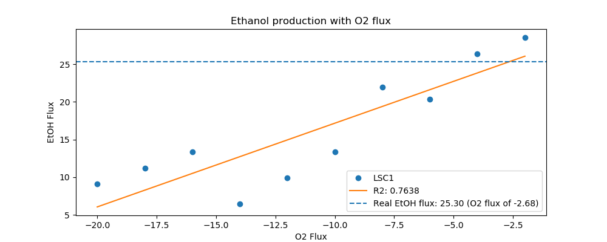
Yeast7_ID | Reaction | LSC1_real_flux | LSC1_sim_flux | LSC1_abs_error | LSC1_rel_error
r_0534 | D-Glucose(ex) <==> D-Glucose-6-phosphate | 17.8000 | 17.8000 | 0.0000 | 0.0000
r_0962 | Pyruvate <==> Phosphoenolpyruvate | -31.0607 | -30.4994 | 0.5612 | 1.8068
r_0961 | Pyruvate-mit + CoA <==> Acetyl-CoA-mit + CO2-mit | 27.1351 | 0.8264 | 26.3087 | 96.9544
r_0718 | (S)-Malate-mit <==> Pyruvate-mit + CO2-mit | 0.0000 | 0.0000 | 0.0000
r_2131 | Isocitrate <==> 2-Oxoglutarate + CO2-mit | 0.7808 | 0.3610 | 0.4198 | 53.7664
r_0713 | (S)-Malate-mit <==> Oxaloacetate-mit | 0.0029 | 0.4882 | 0.4853 | 16,655.2752
r_0300 | Citrate + CoA <==> Acetyl-CoA-mit + Oxaloacetate-mit | -0.7808 | -0.4882 | 0.2927 | 37.4803
r_1022 | Succinate-mit + CoA <==> Succinyl-CoA | -0.3720 | 0.0000 | 0.3720 | 100.0000
r_0454 | Succinate-mit <==> Fumarate | 0.0029 | 0.0000 | 0.0029 | 100.0000
r_0366 | 2-Phospho-D-glycerate <==> Phosphoenolpyruvate | 30.4216 | 30.7527 | 0.3311 | 1.0884
r_1054 | D-Glyceraldehyde-3-phosphate <==> Glycerone-phosphate | -16.3413 | -15.4372 | 0.9040 | 5.5321
r_0486 | D-Glyceraldehyde-3-phosphate <==> 3-Phospho-D-glyceroyl-phosphate | 30.4216 | 31.2317 | 0.8101 | 2.6630
r_0450 | D-Fructose-1,6-bisphosphate <==> Glycerone-phosphate + D-Glyceraldehyde-3-phosphate | 16.3413 | 14.9758 | 1.3655 | 8.3560
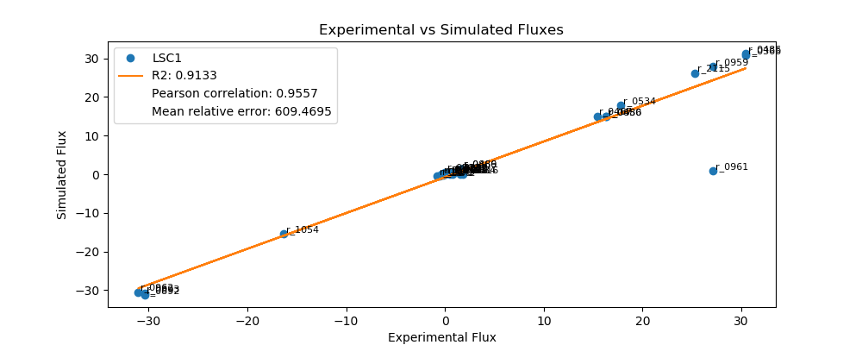
r_0452 | (S)-Malate-mit <==> Fumarate | -0.2030 | -0.1800 | 0.0230 | 11.3351
r_0302 | Citrate <==> Isocitrate | 0.7808 | 0.4882 | 0.2927 | 37.4803
r_0892 | 3-Phospho-D-glycerate <==> 3-Phospho-D-glyceroyl-phosphate | -30.4216 | -31.2317 | 0.8101 | 2.6630
r_0893 | 2-Phospho-D-glycerate <==> 3-Phospho-D-glycerate | -30.4216 | -30.7527 | 0.3311 | 1.0884
r_0889 | 6-Phospho-D-gluconate <==> D-Ribulose-5-phosphate + CO2 | 1.6287 | 1.4177 | 0.2110 | 12.9538
r_1049 | Sedoheptulose-7-phosphate + D-Glyceraldehyde-3-phosphate <==> D-Ribose-5-phosphate + D-Xylulose-5-phosphate | -0.5342 | -0.4659 | 0.0683 | 12.7844
r_1048 | Sedoheptulose-7-phosphate + D-Glyceraldehyde-3-phosphate <==> D-Erythrose-4-phosphate + D-Fructose-6-phosphate | 0.5342 | 0.0000 | 0.5342 | 100.0000
r_1050 | D-Fructose-6-phosphate + D-Glyceraldehyde-3-phosphate <==> D-Erythrose-4-phosphate + D-Xylulose-5-phosphate | 0.4157 | 0.3392 | 0.0764 | 18.3914
r_0466 | D-Glucose-6-phosphate <==> D-Glucono-1,5-lactone-6-phosphate | 1.6287 | 1.4177 | 0.2110 | 12.9538
r_0467 | D-Glucose-6-phosphate <==> D-Fructose-6-phosphate | 15.3905 | 15.0239 | 0.3666 | 2.3819
r_0886 | D-Fructose-6-phosphate <==> D-Fructose-1,6-bisphosphate | 16.3413 | 14.9758 | 1.3655 | 8.3560
r_0959 | Pyruvate <==> Acetaldehyde | 27.1347 | 27.8960 | 0.7613 | 2.8056
r_2115 | Acetaldehyde <==> Ethanol | 25.2964 | 26.1768 | 0.8805 | 3.4806
r_2116 | Acetaldehyde <==> Acetate | 1.8384 | 0.0000 | 1.8384 | 100.0000
r_0112 | Acetate <==> Acetyl-CoA | 0.7701 | 0.1154 | 0.6547 | 85.0193
r_2034 | Pyruvate <==> Pyruvate-mit | 1.5487 | 0.0000 | 1.5487 | 100.0000
r_1239 | Oxaloacetate <==> Oxaloacetate-mit | 0.7883 | 0.0000 | 0.7883 | 100.0000

MAE1
 | FBA Results Case 7 [MAE1]

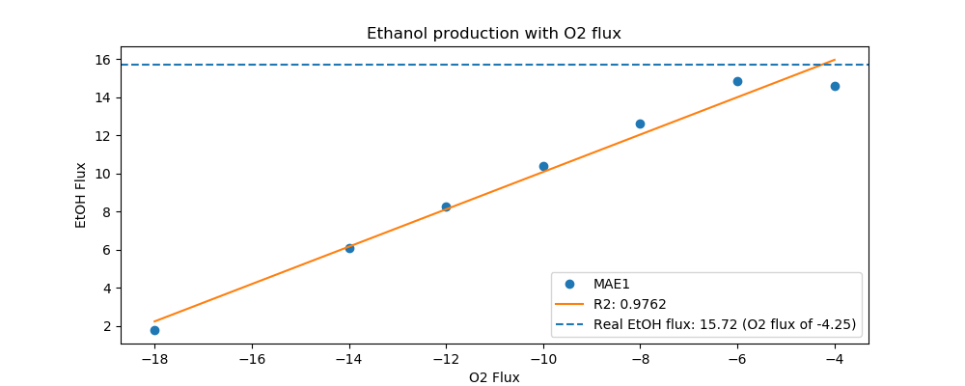
Yeast7_ID | Reaction | MAE1_real_flux | MAE1_sim_flux | MAE1_abs_error | MAE1_rel_error
r_0534 | D-Glucose(ex) <==> D-Glucose-6-phosphate | 12.5000 | 12.5000 | 0.0000 | 0.0000
r_0962 | Pyruvate <==> Phosphoenolpyruvate | -20.8298 | -19.1959 | 1.6339 | 7.8438
r_0961 | Pyruvate-mit + CoA <==> Acetyl-CoA-mit + CO2-mit | 16.8764 | 0.7404 | 16.1359 | 95.6127
r_0718 | (S)-Malate-mit <==> Pyruvate-mit + CO2-mit | 0.0000 | 0.0000 | 0.0000
r_2131 | Isocitrate <==> 2-Oxoglutarate + CO2-mit | 1.2396 | 0.3926 | 0.8471 | 68.3332
r_0713 | (S)-Malate-mit <==> Oxaloacetate-mit | 0.4699 | 0.4374 | 0.0325 | 6.9165
r_0300 | Citrate + CoA <==> Acetyl-CoA-mit + Oxaloacetate-mit | -1.2396 | -0.4374 | 0.8023 | 64.7177
r_1022 | Succinate-mit + CoA <==> Succinyl-CoA | -0.8411 | 0.0000 | 0.8411 | 100.0000
r_0454 | Succinate-mit <==> Fumarate | 0.4699 | 0.0000 | 0.4699 | 100.0000
r_0366 | 2-Phospho-D-glycerate <==> Phosphoenolpyruvate | 20.7301 | 19.5611 | 1.1691 | 5.6394
r_1054 | D-Glyceraldehyde-3-phosphate <==> Glycerone-phosphate | -11.1539 | -10.5191 | 0.6348 | 5.6911
r_0486 | D-Glyceraldehyde-3-phosphate <==> 3-Phospho-D-glyceroyl-phosphate | 20.7301 | 21.1532 | 0.4231 | 2.0408
r_0450 | D-Fructose-1,6-bisphosphate <==> Glycerone-phosphate + D-Glyceraldehyde-3-phosphate | 11.1539 | 0.0000 | 11.1539 | 100.0000
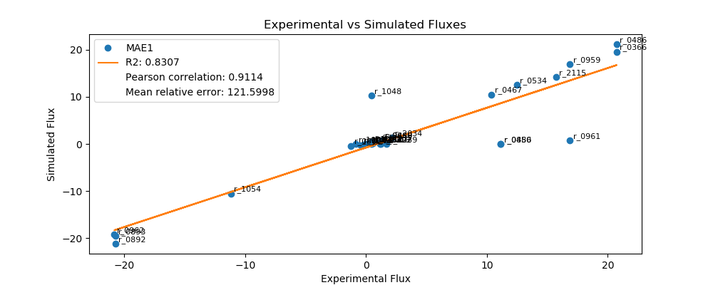
r_0452 | (S)-Malate-mit <==> Fumarate | -0.2042 | -0.1612 | 0.0429 | 21.0237
r_0302 | Citrate <==> Isocitrate | 1.2396 | 0.0000 | 1.2396 | 100.0000
r_0892 | 3-Phospho-D-glycerate <==> 3-Phospho-D-glyceroyl-phosphate | -20.7301 | -21.1532 | 0.4231 | 2.0408
r_0893 | 2-Phospho-D-glycerate <==> 3-Phospho-D-glycerate | -20.7301 | -19.5611 | 1.1691 | 5.6394
r_0889 | 6-Phospho-D-gluconate <==> D-Ribulose-5-phosphate + CO2 | 1.3510 | 0.7932 | 0.5578 | 41.2908
r_1049 | Sedoheptulose-7-phosphate + D-Glyceraldehyde-3-phosphate <==> D-Ribose-5-phosphate + D-Xylulose-5-phosphate | -0.4415 | -0.2814 | 0.1601 | 36.2644
r_1048 | Sedoheptulose-7-phosphate + D-Glyceraldehyde-3-phosphate <==> D-Erythrose-4-phosphate + D-Fructose-6-phosphate | 0.4415 | 10.2416 | 9.8001 | 2,219.5007
r_1050 | D-Fructose-6-phosphate + D-Glyceraldehyde-3-phosphate <==> D-Erythrose-4-phosphate + D-Xylulose-5-phosphate | 0.3263 | 0.0988 | 0.2274 | 69.7060
r_0466 | D-Glucose-6-phosphate <==> D-Glucono-1,5-lactone-6-phosphate | 1.3510 | 0.7932 | 0.5578 | 41.2908
r_0467 | D-Glucose-6-phosphate <==> D-Fructose-6-phosphate | 10.3861 | 10.4898 | 0.1037 | 0.9989
r_0886 | D-Fructose-6-phosphate <==> D-Fructose-1,6-bisphosphate | 11.1539 | 0.0000 | 11.1539 | 100.0000
r_0959 | Pyruvate <==> Acetaldehyde | 16.8770 | 16.8634 | 0.0136 | 0.0806
r_2115 | Acetaldehyde <==> Ethanol | 15.7208 | 14.1562 | 1.5646 | 9.9524
r_2116 | Acetaldehyde <==> Acetate | 1.1562 | 0.0000 | 1.1562 | 100.0000
r_0112 | Acetate <==> Acetyl-CoA | 0.5700 | 0.1034 | 0.4667 | 81.8680
r_2034 | Pyruvate <==> Pyruvate-mit | 2.1726 | 1.3048 | 0.8678 | 39.9416
r_1239 | Oxaloacetate <==> Oxaloacetate-mit | 1.7083 | 0.0000 | 1.7083 | 100.0000

MDH1
 | FBA Results Case 7 [MDH1]

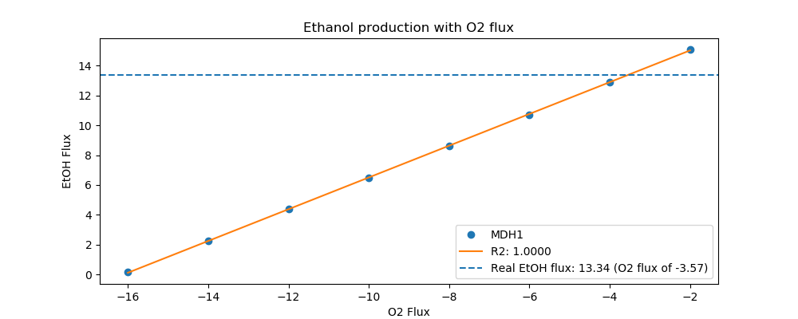
Yeast7_ID | Reaction | MDH1_real_flux | MDH1_sim_flux | MDH1_abs_error | MDH1_rel_error
r_0534 | D-Glucose(ex) <==> D-Glucose-6-phosphate | 10.0000 | 10.0000 | 0.0000 | 0.0000
r_0962 | Pyruvate <==> Phosphoenolpyruvate | -16.8789 | -15.3342 | 1.5447 | 9.1515
r_0961 | Pyruvate-mit + CoA <==> Acetyl-CoA-mit + CO2-mit | 14.4500 | 0.6071 | 13.8429 | 95.7988
r_0718 | (S)-Malate-mit <==> Pyruvate-mit + CO2-mit | 0.0000 | 0.0934 | 0.0934 | inf
r_2131 | Isocitrate <==> 2-Oxoglutarate + CO2-mit | 0.6157 | 0.0000 | 0.6157 | 100.0000
r_0713 | (S)-Malate-mit <==> Oxaloacetate-mit | 0.0000 | 0.0000 | 0.0000
r_0300 | Citrate + CoA <==> Acetyl-CoA-mit + Oxaloacetate-mit | -0.6157 | -0.3586 | 0.2571 | 41.7550
r_1022 | Succinate-mit + CoA <==> Succinyl-CoA | -0.3282 | 0.0000 | 0.3282 | 100.0000
r_0454 | Succinate-mit <==> Fumarate | 0.0000 | 0.0000 | 0.0000
r_0366 | 2-Phospho-D-glycerate <==> Phosphoenolpyruvate | 17.0450 | 15.5202 | 1.5247 | 8.9453
r_1054 | D-Glyceraldehyde-3-phosphate <==> Glycerone-phosphate | -9.1217 | -8.5013 | 0.6205 | 6.8023
r_0486 | D-Glyceraldehyde-3-phosphate <==> 3-Phospho-D-glyceroyl-phosphate | 17.0450 | 17.0281 | 0.0169 | 0.0991
r_0450 | D-Fructose-1,6-bisphosphate <==> Glycerone-phosphate + D-Glyceraldehyde-3-phosphate | 9.1217 | 8.5045 | 0.6173 | 6.7668
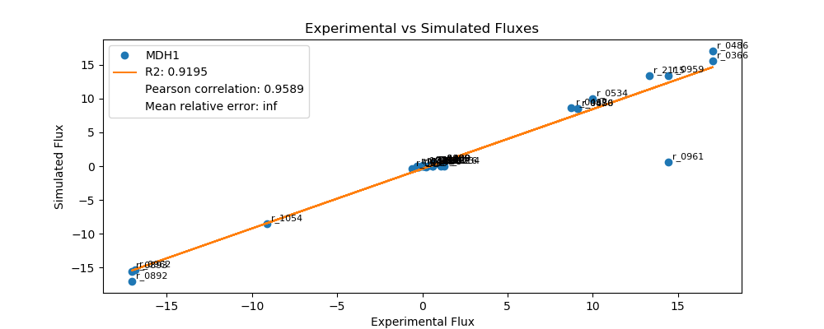
r_0452 | (S)-Malate-mit <==> Fumarate | -0.2079 | -0.1322 | 0.0757 | 36.4043
r_0302 | Citrate <==> Isocitrate | 0.6157 | 0.0000 | 0.6157 | 100.0000
r_0892 | 3-Phospho-D-glycerate <==> 3-Phospho-D-glyceroyl-phosphate | -17.0450 | -17.0281 | 0.0169 | 0.0991
r_0893 | 2-Phospho-D-glycerate <==> 3-Phospho-D-glycerate | -17.0450 | -15.5202 | 1.5247 | 8.9453
r_0889 | 6-Phospho-D-gluconate <==> D-Ribulose-5-phosphate + CO2 | 0.7012 | 0.3308 | 0.3704 | 52.8204
r_1049 | Sedoheptulose-7-phosphate + D-Glyceraldehyde-3-phosphate <==> D-Ribose-5-phosphate + D-Xylulose-5-phosphate | -0.2278 | -0.1054 | 0.1224 | 53.7462
r_1048 | Sedoheptulose-7-phosphate + D-Glyceraldehyde-3-phosphate <==> D-Erythrose-4-phosphate + D-Fructose-6-phosphate | 0.2278 | -0.1054 | 0.3331 | 146.2538
r_1050 | D-Fructose-6-phosphate + D-Glyceraldehyde-3-phosphate <==> D-Erythrose-4-phosphate + D-Xylulose-5-phosphate | 0.1442 | 0.0123 | 0.1319 | 91.4553
r_0466 | D-Glucose-6-phosphate <==> D-Glucono-1,5-lactone-6-phosphate | 0.7012 | 0.3308 | 0.3704 | 52.8204
r_0467 | D-Glucose-6-phosphate <==> D-Fructose-6-phosphate | 8.7498 | 8.6713 | 0.0784 | 0.8962
r_0886 | D-Fructose-6-phosphate <==> D-Fructose-1,6-bisphosphate | 9.1217 | 8.5045 | 0.6173 | 6.7668
r_0959 | Pyruvate <==> Acetaldehyde | 14.4492 | 13.4218 | 1.0275 | 7.1108
r_2115 | Acetaldehyde <==> Ethanol | 13.3430 | 13.3572 | 0.0142 | 0.1066
r_2116 | Acetaldehyde <==> Acetate | 1.1063 | 0.0000 | 1.1063 | 100.0000
r_0112 | Acetate <==> Acetyl-CoA | 0.4100 | 0.0847 | 0.3253 | 79.3340
r_2034 | Pyruvate <==> Pyruvate-mit | 1.2870 | 0.0000 | 1.2870 | 100.0000
r_1239 | Oxaloacetate <==> Oxaloacetate-mit | 0.7515 | 0.3586 | 0.3929 | 52.2843

MDH3
 | FBA Results Case 7 [MDH3]

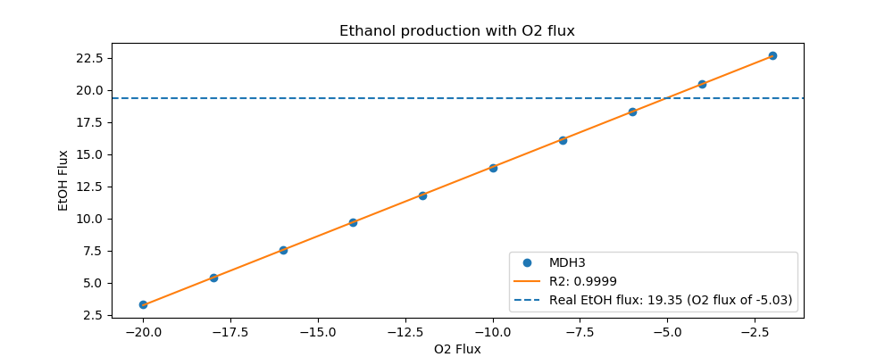
Yeast7_ID | Reaction | MDH3_real_flux | MDH3_sim_flux | MDH3_abs_error | MDH3_rel_error
r_0534 | D-Glucose(ex) <==> D-Glucose-6-phosphate | 14.4000 | 14.4000 | 0.0000 | 0.0000
r_0962 | Pyruvate <==> Phosphoenolpyruvate | -24.3505 | -22.2007 | 2.1498 | 8.8286
r_0961 | Pyruvate-mit + CoA <==> Acetyl-CoA-mit + CO2-mit | 20.6004 | 0.8706 | 19.7298 | 95.7737
r_0718 | (S)-Malate-mit <==> Pyruvate-mit + CO2-mit | 0.1501 | 0.0000 | 0.1501 | 100.0000
r_2131 | Isocitrate <==> 2-Oxoglutarate + CO2-mit | 1.2281 | 0.3803 | 0.8478 | 69.0325
r_0713 | (S)-Malate-mit <==> Oxaloacetate-mit | 0.1923 | 0.5143 | 0.3220 | 167.4936
r_0300 | Citrate + CoA <==> Acetyl-CoA-mit + Oxaloacetate-mit | -1.2281 | -0.5143 | 0.7138 | 58.1240
r_1022 | Succinate-mit + CoA <==> Succinyl-CoA | -0.8338 | 0.0000 | 0.8338 | 100.0000
r_0454 | Succinate-mit <==> Fumarate | 0.3433 | 0.0000 | 0.3433 | 100.0000
r_0366 | 2-Phospho-D-glycerate <==> Phosphoenolpyruvate | 24.5801 | 22.4675 | 2.1125 | 8.5944
r_1054 | D-Glyceraldehyde-3-phosphate <==> Glycerone-phosphate | -13.0002 | -12.1561 | 0.8442 | 6.4934
r_0486 | D-Glyceraldehyde-3-phosphate <==> 3-Phospho-D-glyceroyl-phosphate | 24.5801 | 24.4433 | 0.1368 | 0.5564
r_0450 | D-Fructose-1,6-bisphosphate <==> Glycerone-phosphate + D-Glyceraldehyde-3-phosphate | 13.0002 | 11.9151 | 1.0851 | 8.3469
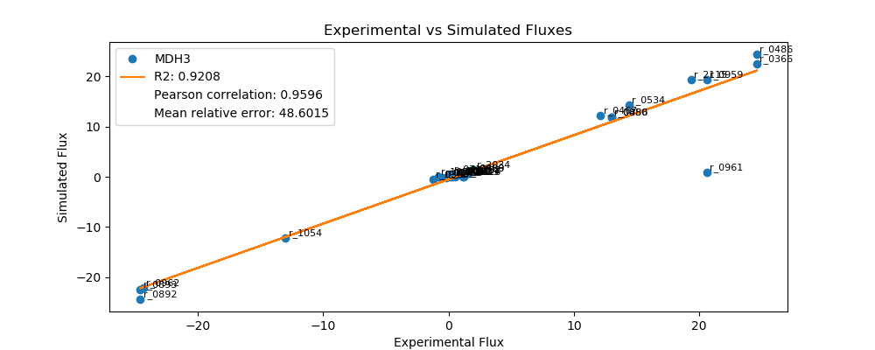
r_0452 | (S)-Malate-mit <==> Fumarate | -0.2050 | -0.1896 | 0.0154 | 7.5199
r_0302 | Citrate <==> Isocitrate | 1.2281 | 0.3803 | 0.8478 | 69.0325
r_0892 | 3-Phospho-D-glycerate <==> 3-Phospho-D-glyceroyl-phosphate | -24.5801 | -24.4433 | 0.1368 | 0.5564
r_0893 | 2-Phospho-D-glycerate <==> 3-Phospho-D-glycerate | -24.5801 | -22.4675 | 2.1125 | 8.5944
r_0889 | 6-Phospho-D-gluconate <==> D-Ribulose-5-phosphate + CO2 | 1.5401 | 0.7580 | 0.7821 | 50.7821
r_1049 | Sedoheptulose-7-phosphate + D-Glyceraldehyde-3-phosphate <==> D-Ribose-5-phosphate + D-Xylulose-5-phosphate | -0.5052 | -0.2456 | 0.2596 | 51.3836
r_1048 | Sedoheptulose-7-phosphate + D-Glyceraldehyde-3-phosphate <==> D-Erythrose-4-phosphate + D-Fructose-6-phosphate | 0.5052 | 0.0000 | 0.5052 | 100.0000
r_1050 | D-Fructose-6-phosphate + D-Glyceraldehyde-3-phosphate <==> D-Erythrose-4-phosphate + D-Xylulose-5-phosphate | 0.3904 | 0.1122 | 0.2782 | 71.2657
r_0466 | D-Glucose-6-phosphate <==> D-Glucono-1,5-lactone-6-phosphate | 1.5401 | 0.7580 | 0.7821 | 50.7821
r_0467 | D-Glucose-6-phosphate <==> D-Fructose-6-phosphate | 12.1046 | 12.2110 | 0.1063 | 0.8785
r_0886 | D-Fructose-6-phosphate <==> D-Fructose-1,6-bisphosphate | 13.0002 | 11.9151 | 1.0851 | 8.3469
r_0959 | Pyruvate <==> Acetaldehyde | 20.6001 | 19.4580 | 1.1421 | 5.5440
r_2115 | Acetaldehyde <==> Ethanol | 19.3488 | 19.3654 | 0.0166 | 0.0860
r_2116 | Acetaldehyde <==> Acetate | 1.2513 | 0.0000 | 1.2513 | 100.0000
r_0112 | Acetate <==> Acetyl-CoA | 0.5647 | 0.1215 | 0.4431 | 78.4776
r_2034 | Pyruvate <==> Pyruvate-mit | 2.0014 | 1.3699 | 0.6315 | 31.5525
r_1239 | Oxaloacetate <==> Oxaloacetate-mit | 1.1446 | 0.0000 | 1.1446 | 100.0000

OAC1
 | FBA Results Case 7 [OAC1]

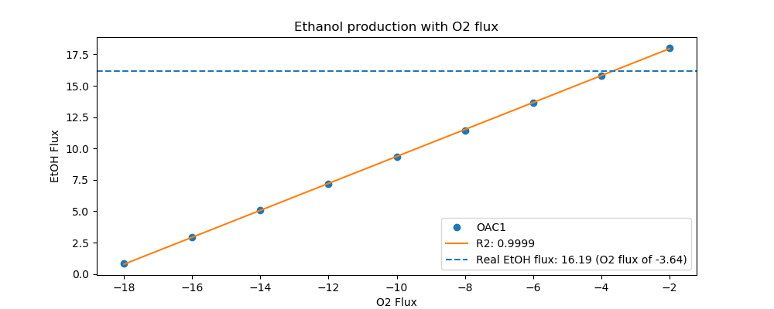
Yeast7_ID | Reaction | OAC1_real_flux | OAC1_sim_flux | OAC1_abs_error | OAC1_rel_error
r_0534 | D-Glucose(ex) <==> D-Glucose-6-phosphate | 11.7000 | 11.7000 | 0.0000 | 0.0000
r_0962 | Pyruvate <==> Phosphoenolpyruvate | -20.0604 | -18.4242 | 1.6361 | 8.1560
r_0961 | Pyruvate-mit + CoA <==> Acetyl-CoA-mit + CO2-mit | 17.5464 | 0.6758 | 16.8706 | 96.1483
r_0718 | (S)-Malate-mit <==> Pyruvate-mit + CO2-mit | 0.0000 | 0.0000 | 0.0000
r_2131 | Isocitrate <==> 2-Oxoglutarate + CO2-mit | 0.6502 | 0.2952 | 0.3549 | 54.5924
r_0713 | (S)-Malate-mit <==> Oxaloacetate-mit | 0.0582 | 0.3992 | 0.3410 | 586.2011
r_0300 | Citrate + CoA <==> Acetyl-CoA-mit + Oxaloacetate-mit | -0.7012 | -0.3992 | 0.3020 | 43.0663
r_1022 | Succinate-mit + CoA <==> Succinyl-CoA | -0.3542 | 0.0000 | 0.3542 | 100.0000
r_0454 | Succinate-mit <==> Fumarate | 0.0582 | 0.0000 | 0.0582 | 100.0000
r_0366 | 2-Phospho-D-glycerate <==> Phosphoenolpyruvate | 19.9695 | 18.6314 | 1.3382 | 6.7010
r_1054 | D-Glyceraldehyde-3-phosphate <==> Glycerone-phosphate | -10.6160 | -9.9287 | 0.6873 | 6.4744
r_0486 | D-Glyceraldehyde-3-phosphate <==> 3-Phospho-D-glyceroyl-phosphate | 19.9695 | 19.9887 | 0.0191 | 0.0958
r_0450 | D-Fructose-1,6-bisphosphate <==> Glycerone-phosphate + D-Glyceraldehyde-3-phosphate | 10.6160 | 0.0000 | 10.6160 | 100.0000
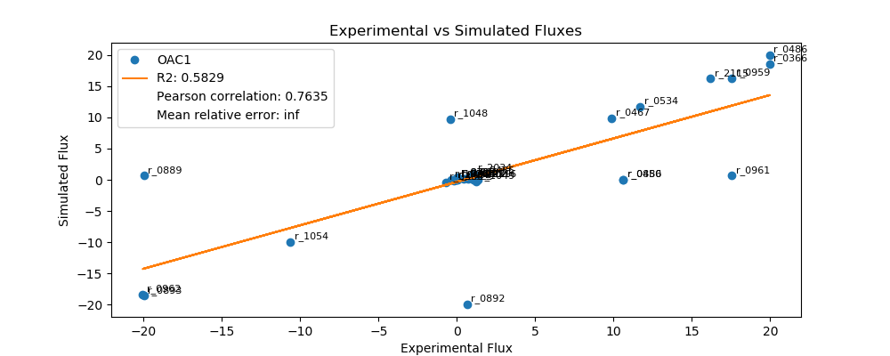
r_0452 | (S)-Malate-mit <==> Fumarate | -0.2133 | -0.1472 | 0.0661 | 31.0070
r_0302 | Citrate <==> Isocitrate | 0.0000 | 0.2952 | 0.2952 | inf
r_0892 | 3-Phospho-D-glycerate <==> 3-Phospho-D-glyceroyl-phosphate | 0.6502 | -19.9887 | 20.6388 | 3,174.3724
r_0893 | 2-Phospho-D-glycerate <==> 3-Phospho-D-glycerate | -19.9695 | -18.6314 | 1.3382 | 6.7010
r_0889 | 6-Phospho-D-gluconate <==> D-Ribulose-5-phosphate + CO2 | -19.9695 | 0.6766 | 20.6461 | 103.3881
r_1049 | Sedoheptulose-7-phosphate + D-Glyceraldehyde-3-phosphate <==> D-Ribose-5-phosphate + D-Xylulose-5-phosphate | 1.2462 | -0.2200 | 1.4663 | 117.6569
r_1048 | Sedoheptulose-7-phosphate + D-Glyceraldehyde-3-phosphate <==> D-Erythrose-4-phosphate + D-Fructose-6-phosphate | -0.4093 | 9.7123 | 10.1216 | 2,472.9519
r_1050 | D-Fructose-6-phosphate + D-Glyceraldehyde-3-phosphate <==> D-Erythrose-4-phosphate + D-Xylulose-5-phosphate | 0.4093 | 0.1165 | 0.2928 | 71.5407
r_0466 | D-Glucose-6-phosphate <==> D-Glucono-1,5-lactone-6-phosphate | 1.2462 | 0.6766 | 0.5697 | 45.7096
r_0467 | D-Glucose-6-phosphate <==> D-Fructose-6-phosphate | 9.8822 | 9.9125 | 0.0304 | 0.3073
r_0886 | D-Fructose-6-phosphate <==> D-Fructose-1,6-bisphosphate | 10.6160 | 0.0000 | 10.6160 | 100.0000
r_0959 | Pyruvate <==> Acetaldehyde | 17.5474 | 16.2952 | 1.2522 | 7.1362
r_2115 | Acetaldehyde <==> Ethanol | 16.1947 | 16.2233 | 0.0286 | 0.1767
r_2116 | Acetaldehyde <==> Acetate | 1.3527 | 0.0000 | 1.3527 | 100.0000
r_0112 | Acetate <==> Acetyl-CoA | 0.7403 | 0.0943 | 0.6459 | 87.2563
r_2034 | Pyruvate <==> Pyruvate-mit | 1.0768 | 1.0634 | 0.0134 | 1.2425
r_1239 | Oxaloacetate <==> Oxaloacetate-mit | 1.0565 | 0.0000 | 1.0565 | 100.0000

PCK1
 | FBA Results Case 7 [PCK1]

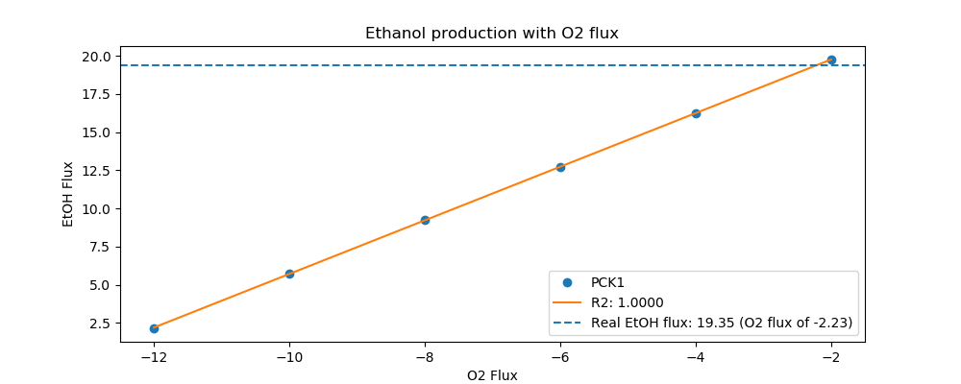
Yeast7_ID | Reaction | PCK1_real_flux | PCK1_sim_flux | PCK1_abs_error | PCK1_rel_error
r_0534 | D-Glucose(ex) <==> D-Glucose-6-phosphate | 13.4000 | 13.4000 | 0.0000 | 0.0000
r_0962 | Pyruvate <==> Phosphoenolpyruvate | -23.1630 | -22.7767 | 0.3863 | 1.6678
r_0961 | Pyruvate-mit + CoA <==> Acetyl-CoA-mit + CO2-mit | 20.4918 | 0.6371 | 19.8546 | 96.8907
r_0718 | (S)-Malate-mit <==> Pyruvate-mit + CO2-mit | 0.0000 | 0.0000 | 0.0000
r_2131 | Isocitrate <==> 2-Oxoglutarate + CO2-mit | 0.7098 | 0.2783 | 0.4315 | 60.7879
r_0713 | (S)-Malate-mit <==> Oxaloacetate-mit | 0.0000 | 0.3764 | 0.3764 | inf
r_0300 | Citrate + CoA <==> Acetyl-CoA-mit + Oxaloacetate-mit | -0.7098 | -0.3764 | 0.3334 | 46.9752
r_1022 | Succinate-mit + CoA <==> Succinyl-CoA | -0.4097 | 0.0000 | 0.4097 | 100.0000
r_0454 | Succinate-mit <==> Fumarate | 0.0000 | 0.0000 | 0.0000
r_0366 | 2-Phospho-D-glycerate <==> Phosphoenolpyruvate | 23.3361 | 22.9719 | 0.3641 | 1.5604
r_1054 | D-Glyceraldehyde-3-phosphate <==> Glycerone-phosphate | -12.4106 | -11.5966 | 0.8140 | 6.5587
r_0486 | D-Glyceraldehyde-3-phosphate <==> 3-Phospho-D-glyceroyl-phosphate | 23.3361 | 23.4504 | 0.1144 | 0.4902
r_0450 | D-Fructose-1,6-bisphosphate <==> Glycerone-phosphate + D-Glyceraldehyde-3-phosphate | 12.4106 | 11.6000 | 0.8106 | 6.5314
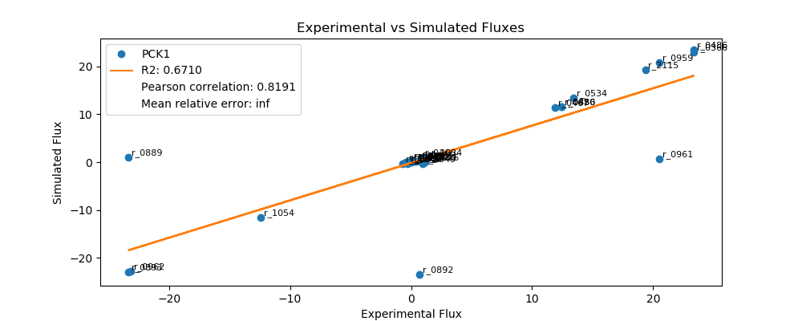
r_0452 | (S)-Malate-mit <==> Fumarate | -0.2141 | -0.1388 | 0.0753 | 35.1826
r_0302 | Citrate <==> Isocitrate | 0.0000 | 0.2783 | 0.2783 | inf
r_0892 | 3-Phospho-D-glycerate <==> 3-Phospho-D-glyceroyl-phosphate | 0.7098 | -23.4504 | 24.1602 | 3,403.8501
r_0893 | 2-Phospho-D-glycerate <==> 3-Phospho-D-glycerate | -23.3361 | -22.9719 | 0.3641 | 1.5604
r_0889 | 6-Phospho-D-gluconate <==> D-Ribulose-5-phosphate + CO2 | -23.3361 | 1.0384 | 24.3744 | 104.4497
r_1049 | Sedoheptulose-7-phosphate + D-Glyceraldehyde-3-phosphate <==> D-Ribose-5-phosphate + D-Xylulose-5-phosphate | 0.9361 | -0.3410 | 1.2771 | 136.4219
r_1048 | Sedoheptulose-7-phosphate + D-Glyceraldehyde-3-phosphate <==> D-Erythrose-4-phosphate + D-Fructose-6-phosphate | -0.3062 | -0.3410 | 0.0347 | 11.3365
r_1050 | D-Fructose-6-phosphate + D-Glyceraldehyde-3-phosphate <==> D-Erythrose-4-phosphate + D-Xylulose-5-phosphate | 0.3062 | 0.2433 | 0.0629 | 20.5458
r_0466 | D-Glucose-6-phosphate <==> D-Glucono-1,5-lactone-6-phosphate | 0.9361 | 1.0384 | 0.1022 | 10.9219
r_0467 | D-Glucose-6-phosphate <==> D-Fructose-6-phosphate | 11.8852 | 11.3143 | 0.5708 | 4.8028
r_0886 | D-Fructose-6-phosphate <==> D-Fructose-1,6-bisphosphate | 12.4106 | 11.6000 | 0.8106 | 6.5314
r_0959 | Pyruvate <==> Acetaldehyde | 20.4919 | 20.7695 | 0.2776 | 1.3549
r_2115 | Acetaldehyde <==> Ethanol | 19.3466 | 19.3315 | 0.0151 | 0.0779
r_2116 | Acetaldehyde <==> Acetate | 1.1453 | 0.0000 | 1.1453 | 100.0000
r_0112 | Acetate <==> Acetyl-CoA | 0.4283 | 0.0889 | 0.3394 | 79.2366
r_2034 | Pyruvate <==> Pyruvate-mit | 1.4126 | 1.0025 | 0.4101 | 29.0323
r_1239 | Oxaloacetate <==> Oxaloacetate-mit | 0.9538 | 0.0000 | 0.9538 | 100.0000

PDA1
 | FBA Results Case 7 [PDA1]

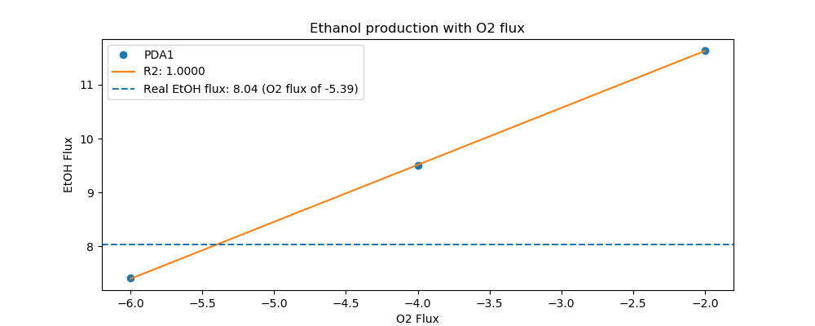
Yeast7_ID | Reaction | PDA1_real_flux | PDA1_sim_flux | PDA1_abs_error | PDA1_rel_error
r_0534 | D-Glucose(ex) <==> D-Glucose-6-phosphate | 8.0000 | 8.0000 | 0.0000 | 0.0000
r_0962 | Pyruvate <==> Phosphoenolpyruvate | -13.4065 | -10.1612 | 3.2453 | 24.2071
r_0961 | Pyruvate-mit + CoA <==> Acetyl-CoA-mit + CO2-mit | 11.0818 | 0.0000 | 11.0818 | 100.0000
r_0718 | (S)-Malate-mit <==> Pyruvate-mit + CO2-mit | 0.0219 | 0.0000 | 0.0219 | 100.0000
r_2131 | Isocitrate <==> 2-Oxoglutarate + CO2-mit | 2.1223 | 0.2840 | 1.8384 | 86.6201
r_0713 | (S)-Malate-mit <==> Oxaloacetate-mit | 0.4627 | 0.3840 | 0.0787 | 17.0026
r_0300 | Citrate + CoA <==> Acetyl-CoA-mit + Oxaloacetate-mit | -2.1223 | -0.3840 | 1.7383 | 81.9070
r_1022 | Succinate-mit + CoA <==> Succinyl-CoA | -1.9637 | 0.0000 | 1.9637 | 100.0000
r_0454 | Succinate-mit <==> Fumarate | 0.7695 | 10.6747 | 9.9052 | 1,287.2143
r_0366 | 2-Phospho-D-glycerate <==> Phosphoenolpyruvate | 13.4996 | 10.3604 | 3.1392 | 23.2540
r_1054 | D-Glyceraldehyde-3-phosphate <==> Glycerone-phosphate | -7.5430 | -6.5132 | 1.0298 | 13.6526
r_0486 | D-Glyceraldehyde-3-phosphate <==> 3-Phospho-D-glyceroyl-phosphate | 13.4996 | 12.9357 | 0.5639 | 4.1768
r_0450 | D-Fructose-1,6-bisphosphate <==> Glycerone-phosphate + D-Glyceraldehyde-3-phosphate | 7.5430 | 6.5167 | 1.0264 | 13.6067
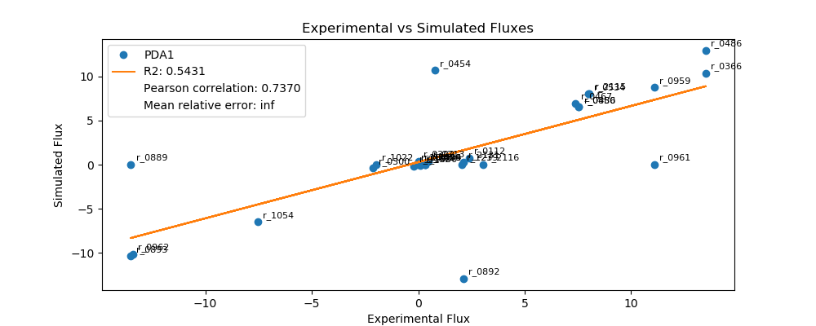
r_0452 | (S)-Malate-mit <==> Fumarate | -0.1986 | -0.1416 | 0.0570 | 28.7028
r_0302 | Citrate <==> Isocitrate | 0.0000 | 0.3840 | 0.3840 | inf
r_0892 | 3-Phospho-D-glycerate <==> 3-Phospho-D-glyceroyl-phosphate | 2.1223 | -12.9357 | 15.0580 | 709.5108
r_0893 | 2-Phospho-D-glycerate <==> 3-Phospho-D-glycerate | -13.4996 | -10.3604 | 3.1392 | 23.2540
r_0889 | 6-Phospho-D-gluconate <==> D-Ribulose-5-phosphate + CO2 | -13.4996 | 0.0000 | 13.4996 | 100.0000
r_1049 | Sedoheptulose-7-phosphate + D-Glyceraldehyde-3-phosphate <==> D-Ribose-5-phosphate + D-Xylulose-5-phosphate | 0.3069 | 0.0053 | 0.3016 | 98.2816
r_1048 | Sedoheptulose-7-phosphate + D-Glyceraldehyde-3-phosphate <==> D-Erythrose-4-phosphate + D-Fructose-6-phosphate | -0.0988 | 0.0053 | 0.1041 | 105.3369
r_1050 | D-Fructose-6-phosphate + D-Glyceraldehyde-3-phosphate <==> D-Erythrose-4-phosphate + D-Xylulose-5-phosphate | 0.0988 | -0.1049 | 0.2037 | 206.1620
r_0466 | D-Glucose-6-phosphate <==> D-Glucono-1,5-lactone-6-phosphate | 0.3069 | 0.0000 | 0.3069 | 100.0000
r_0467 | D-Glucose-6-phosphate <==> D-Fructose-6-phosphate | 7.3920 | 6.9315 | 0.4605 | 6.2295
r_0886 | D-Fructose-6-phosphate <==> D-Fructose-1,6-bisphosphate | 7.5430 | 6.5167 | 1.0264 | 13.6067
r_0959 | Pyruvate <==> Acetaldehyde | 11.0826 | 8.7634 | 2.3192 | 20.9263
r_2115 | Acetaldehyde <==> Ethanol | 8.0414 | 8.0442 | 0.0029 | 0.0355
r_2116 | Acetaldehyde <==> Acetate | 3.0412 | 0.0000 | 3.0412 | 100.0000
r_0112 | Acetate <==> Acetyl-CoA | 2.3762 | 0.7408 | 1.6354 | 68.8244
r_2034 | Pyruvate <==> Pyruvate-mit | 0.3222 | 0.0000 | 0.3222 | 100.0000
r_1239 | Oxaloacetate <==> Oxaloacetate-mit | 2.0429 | 0.0000 | 2.0429 | 100.0000

PGM1
 | FBA Results Case 7 [PGM1]

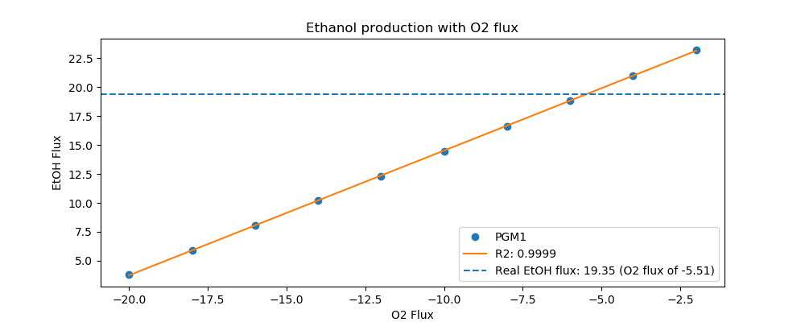
Yeast7_ID | Reaction | PGM1_real_flux | PGM1_sim_flux | PGM1_abs_error | PGM1_rel_error
r_0534 | D-Glucose(ex) <==> D-Glucose-6-phosphate | 14.7000 | 14.7000 | 0.0000 | 0.0000
r_0962 | Pyruvate <==> Phosphoenolpyruvate | -24.4366 | -22.3390 | 2.0976 | 8.5838
r_0961 | Pyruvate-mit + CoA <==> Acetyl-CoA-mit + CO2-mit | 20.5964 | 0.9153 | 19.6812 | 95.5562
r_0718 | (S)-Malate-mit <==> Pyruvate-mit + CO2-mit | 0.3193 | 0.0000 | 0.3193 | 100.0000
r_2131 | Isocitrate <==> 2-Oxoglutarate + CO2-mit | 1.4606 | 0.3998 | 1.0608 | 72.6266
r_0713 | (S)-Malate-mit <==> Oxaloacetate-mit | 0.3414 | 0.5407 | 0.1993 | 58.3758
r_0300 | Citrate + CoA <==> Acetyl-CoA-mit + Oxaloacetate-mit | -1.4606 | -0.5407 | 0.9199 | 62.9841
r_1022 | Succinate-mit + CoA <==> Succinyl-CoA | -1.0712 | 0.0000 | 1.0712 | 100.0000
r_0454 | Succinate-mit <==> Fumarate | 0.6807 | 3.5012 | 2.8205 | 414.3257
r_0366 | 2-Phospho-D-glycerate <==> Phosphoenolpyruvate | 24.6228 | 22.6195 | 2.0033 | 8.1359
r_1054 | D-Glyceraldehyde-3-phosphate <==> Glycerone-phosphate | -13.5558 | -12.3657 | 1.1900 | 8.7788
r_0486 | D-Glyceraldehyde-3-phosphate <==> 3-Phospho-D-glyceroyl-phosphate | 24.6228 | 24.8446 | 0.2218 | 0.9010
r_0450 | D-Fructose-1,6-bisphosphate <==> Glycerone-phosphate + D-Glyceraldehyde-3-phosphate | 13.5558 | 0.0000 | 13.5558 | 100.0000

r_0452 | (S)-Malate-mit <==> Fumarate | -0.2092 | -0.1993 | 0.0099 | 4.7375
r_0302 | Citrate <==> Isocitrate | 0.0000 | 0.5407 | 0.5407 | inf
r_0892 | 3-Phospho-D-glycerate <==> 3-Phospho-D-glyceroyl-phosphate | 1.4606 | -24.8446 | 26.3052 | 1,801.0006
r_0893 | 2-Phospho-D-glycerate <==> 3-Phospho-D-glycerate | -24.6228 | -22.6195 | 2.0033 | 8.1359
r_0889 | 6-Phospho-D-gluconate <==> D-Ribulose-5-phosphate + CO2 | -24.6228 | 0.7228 | 25.3456 | 102.9354
r_1049 | Sedoheptulose-7-phosphate + D-Glyceraldehyde-3-phosphate <==> D-Ribose-5-phosphate + D-Xylulose-5-phosphate | 0.7668 | -0.2335 | 1.0003 | 130.4504
r_1048 | Sedoheptulose-7-phosphate + D-Glyceraldehyde-3-phosphate <==> D-Erythrose-4-phosphate + D-Fructose-6-phosphate | -0.2473 | 12.1371 | 12.3844 | 5,008.4559
r_1050 | D-Fructose-6-phosphate + D-Glyceraldehyde-3-phosphate <==> D-Erythrose-4-phosphate + D-Xylulose-5-phosphate | 0.2473 | 0.0932 | 0.1540 | 62.2893
r_0466 | D-Glucose-6-phosphate <==> D-Glucono-1,5-lactone-6-phosphate | 0.7668 | 0.7228 | 0.0441 | 5.7444
r_0467 | D-Glucose-6-phosphate <==> D-Fructose-6-phosphate | 13.1683 | 12.4728 | 0.6955 | 5.2818
r_0886 | D-Fructose-6-phosphate <==> D-Fructose-1,6-bisphosphate | 13.5558 | 0.0000 | 13.5558 | 100.0000
r_0959 | Pyruvate <==> Acetaldehyde | 20.5965 | 19.4557 | 1.1407 | 5.5384
r_2115 | Acetaldehyde <==> Ethanol | 19.3526 | 19.3584 | 0.0058 | 0.0298
r_2116 | Acetaldehyde <==> Acetate | 1.2438 | 0.0000 | 1.2438 | 100.0000
r_0112 | Acetate <==> Acetyl-CoA | 0.5431 | 0.1278 | 0.4153 | 76.4755
r_2034 | Pyruvate <==> Pyruvate-mit | 2.0500 | 1.4401 | 0.6099 | 29.7520
r_1239 | Oxaloacetate <==> Oxaloacetate-mit | 1.5665 | 0.0000 | 1.5665 | 100.0000

PGM2
 | FBA Results Case 7 [PGM2]


Yeast7_ID | Reaction | PGM2_real_flux | PGM2_sim_flux | PGM2_abs_error | PGM2_rel_error
r_0534 | D-Glucose(ex) <==> D-Glucose-6-phosphate | 16.1000 | 16.1000 | 0.0000 | 0.0000
r_0962 | Pyruvate <==> Phosphoenolpyruvate | -28.1620 | -25.0496 | 3.1124 | 11.0517
r_0961 | Pyruvate-mit + CoA <==> Acetyl-CoA-mit + CO2-mit | 23.4361 | 0.9548 | 22.4813 | 95.9260
r_0718 | (S)-Malate-mit <==> Pyruvate-mit + CO2-mit | 0.4726 | 0.0000 | 0.4726 | 100.0000
r_2131 | Isocitrate <==> 2-Oxoglutarate + CO2-mit | 1.6460 | 0.4171 | 1.2290 | 74.6617
r_0713 | (S)-Malate-mit <==> Oxaloacetate-mit | 0.4476 | 0.5640 | 0.1164 | 26.0176
r_0300 | Citrate + CoA <==> Acetyl-CoA-mit + Oxaloacetate-mit | -1.6460 | -0.5640 | 1.0820 | 65.7361
r_1022 | Succinate-mit + CoA <==> Succinyl-CoA | -1.2105 | 0.0000 | 1.2105 | 100.0000
r_0454 | Succinate-mit <==> Fumarate | 0.9201 | 0.0000 | 0.9201 | 100.0000
r_0366 | 2-Phospho-D-glycerate <==> Phosphoenolpyruvate | 27.7775 | 25.3422 | 2.4353 | 8.7671
r_1054 | D-Glyceraldehyde-3-phosphate <==> Glycerone-phosphate | -14.7673 | -13.6218 | 1.1455 | 7.7573
r_0486 | D-Glyceraldehyde-3-phosphate <==> 3-Phospho-D-glyceroyl-phosphate | 27.7775 | 27.4048 | 0.3727 | 1.3418
r_0450 | D-Fructose-1,6-bisphosphate <==> Glycerone-phosphate + D-Glyceraldehyde-3-phosphate | 14.7673 | 0.0000 | 14.7673 | 100.0000

r_0452 | (S)-Malate-mit <==> Fumarate | -0.2093 | -0.2079 | 0.0013 | 0.6386
r_0302 | Citrate <==> Isocitrate | 0.0000 | 0.5640 | 0.5640 | inf
r_0892 | 3-Phospho-D-glycerate <==> 3-Phospho-D-glyceroyl-phosphate | 1.6460 | -27.4048 | 29.0508 | 1,764.8879
r_0893 | 2-Phospho-D-glycerate <==> 3-Phospho-D-glycerate | -27.7775 | -25.3422 | 2.4353 | 8.7671
r_0889 | 6-Phospho-D-gluconate <==> D-Ribulose-5-phosphate + CO2 | -27.7775 | 0.8833 | 28.6608 | 103.1800
r_1049 | Sedoheptulose-7-phosphate + D-Glyceraldehyde-3-phosphate <==> D-Ribose-5-phosphate + D-Xylulose-5-phosphate | 1.0063 | -0.2867 | 1.2929 | 128.4915
r_1048 | Sedoheptulose-7-phosphate + D-Glyceraldehyde-3-phosphate <==> D-Erythrose-4-phosphate + D-Fructose-6-phosphate | -0.3264 | 13.3402 | 13.6666 | 4,187.0019
r_1050 | D-Fructose-6-phosphate + D-Glyceraldehyde-3-phosphate <==> D-Erythrose-4-phosphate + D-Xylulose-5-phosphate | 0.3264 | 0.1404 | 0.1860 | 56.9919
r_0466 | D-Glucose-6-phosphate <==> D-Glucono-1,5-lactone-6-phosphate | 1.0063 | 0.8833 | 0.1229 | 12.2166
r_0467 | D-Glucose-6-phosphate <==> D-Fructose-6-phosphate | 14.2347 | 13.6473 | 0.5874 | 4.1264
r_0886 | D-Fructose-6-phosphate <==> D-Fructose-1,6-bisphosphate | 14.7673 | 0.0000 | 14.7673 | 100.0000
r_0959 | Pyruvate <==> Acetaldehyde | 23.4369 | 22.0418 | 1.3951 | 5.9526
r_2115 | Acetaldehyde <==> Ethanol | 21.9308 | 21.9403 | 0.0095 | 0.0433
r_2116 | Acetaldehyde <==> Acetate | 1.5062 | 0.0000 | 1.5062 | 100.0000
r_0112 | Acetate <==> Acetyl-CoA | 0.6050 | 0.1333 | 0.4717 | 77.9712
r_2034 | Pyruvate <==> Pyruvate-mit | 2.1935 | 1.5023 | 0.6912 | 31.5123
r_1239 | Oxaloacetate <==> Oxaloacetate-mit | 3.2150 | 0.0000 | 3.2150 | 100.0000

RPE1
 | FBA Results Case 7 [RPE1]


Yeast7_ID | Reaction | RPE1_real_flux | RPE1_sim_flux | RPE1_abs_error | RPE1_rel_error
r_0534 | D-Glucose(ex) <==> D-Glucose-6-phosphate | 4.6000 | 4.6000 | 0.0000 | 0.0000
r_0962 | Pyruvate <==> Phosphoenolpyruvate | -7.7036 | -5.3068 | 2.3968 | 31.1132
r_0961 | Pyruvate-mit + CoA <==> Acetyl-CoA-mit + CO2-mit | 4.5268 | 0.4252 | 4.1017 | 90.6079
r_0718 | (S)-Malate-mit <==> Pyruvate-mit + CO2-mit | 0.3304 | 0.0397 | 0.2907 | 87.9893
r_2131 | Isocitrate <==> 2-Oxoglutarate + CO2-mit | 1.6073 | 0.2254 | 1.3819 | 85.9756
r_0713 | (S)-Malate-mit <==> Oxaloacetate-mit | 0.5983 | 0.2511 | 0.3472 | 58.0236
r_0300 | Citrate + CoA <==> Acetyl-CoA-mit + Oxaloacetate-mit | -1.6073 | -0.2511 | 1.3561 | 84.3744
r_1022 | Succinate-mit + CoA <==> Succinyl-CoA | -1.4138 | 0.0000 | 1.4138 | 100.0000
r_0454 | Succinate-mit <==> Fumarate | 0.9417 | 0.0000 | 0.9417 | 100.0000
r_0366 | 2-Phospho-D-glycerate <==> Phosphoenolpyruvate | 7.6258 | 5.4371 | 2.1887 | 28.7008
r_1054 | D-Glyceraldehyde-3-phosphate <==> Glycerone-phosphate | -4.0194 | -3.5916 | 0.4278 | 10.6444
r_0486 | D-Glyceraldehyde-3-phosphate <==> 3-Phospho-D-glyceroyl-phosphate | 7.6258 | 7.1598 | 0.4660 | 6.1103
r_0450 | D-Fructose-1,6-bisphosphate <==> Glycerone-phosphate + D-Glyceraldehyde-3-phosphate | 4.0194 | 3.5612 | 0.4582 | 11.3985

r_0452 | (S)-Malate-mit <==> Fumarate | -0.2466 | -0.0926 | 0.1541 | 62.4602
r_0302 | Citrate <==> Isocitrate | 0.0000 | 0.0000 | 0.0000
r_0892 | 3-Phospho-D-glycerate <==> 3-Phospho-D-glyceroyl-phosphate | 1.6073 | -7.1598 | 8.7671 | 545.4589
r_0893 | 2-Phospho-D-glycerate <==> 3-Phospho-D-glycerate | -7.6258 | -5.4371 | 2.1887 | 28.7008
r_0889 | 6-Phospho-D-gluconate <==> D-Ribulose-5-phosphate + CO2 | -7.6258 | 0.1081 | 7.7338 | 101.4173
r_1049 | Sedoheptulose-7-phosphate + D-Glyceraldehyde-3-phosphate <==> D-Ribose-5-phosphate + D-Xylulose-5-phosphate | 0.4142 | -0.0326 | 0.4468 | 107.8647
r_1048 | Sedoheptulose-7-phosphate + D-Glyceraldehyde-3-phosphate <==> D-Erythrose-4-phosphate + D-Fructose-6-phosphate | -0.1345 | 0.0000 | 0.1345 | 100.0000
r_1050 | D-Fructose-6-phosphate + D-Glyceraldehyde-3-phosphate <==> D-Erythrose-4-phosphate + D-Xylulose-5-phosphate | 0.1345 | -0.0326 | 0.1671 | 124.2151
r_0466 | D-Glucose-6-phosphate <==> D-Glucono-1,5-lactone-6-phosphate | 0.4142 | 0.1081 | 0.3061 | 73.9080
r_0467 | D-Glucose-6-phosphate <==> D-Fructose-6-phosphate | 3.7975 | 3.7931 | 0.0045 | 0.1173
r_0886 | D-Fructose-6-phosphate <==> D-Fructose-1,6-bisphosphate | 4.0194 | 3.5612 | 0.4582 | 11.3985
r_0959 | Pyruvate <==> Acetaldehyde | 4.5267 | 3.9674 | 0.5593 | 12.3550
r_2115 | Acetaldehyde <==> Ethanol | 3.9261 | 3.9222 | 0.0039 | 0.1001
r_2116 | Acetaldehyde <==> Acetate | 0.6006 | 0.0000 | 0.6006 | 100.0000
r_0112 | Acetate <==> Acetyl-CoA | 0.2465 | 0.0593 | 0.1872 | 75.9269
r_2034 | Pyruvate <==> Pyruvate-mit | 1.7195 | 0.7096 | 1.0099 | 58.7331
r_1239 | Oxaloacetate <==> Oxaloacetate-mit | 1.0624 | 0.0000 | 1.0624 | 100.0000

SDH1
 | FBA Results Case 7 [SDH1]


Yeast7_ID | Reaction | SDH1_real_flux | SDH1_sim_flux | SDH1_abs_error | SDH1_rel_error
r_0534 | D-Glucose(ex) <==> D-Glucose-6-phosphate | 13.4000 | 13.4000 | 0.0000 | 0.0000
r_0962 | Pyruvate <==> Phosphoenolpyruvate | -23.1630 | -21.7397 | 1.4232 | 6.1444
r_0961 | Pyruvate-mit + CoA <==> Acetyl-CoA-mit + CO2-mit | 20.4918 | 0.7219 | 19.7699 | 96.4773
r_0718 | (S)-Malate-mit <==> Pyruvate-mit + CO2-mit | 0.0000 | 0.0000 | 0.0000
r_2131 | Isocitrate <==> 2-Oxoglutarate + CO2-mit | 0.7098 | 0.3153 | 0.3945 | 55.5737
r_0713 | (S)-Malate-mit <==> Oxaloacetate-mit | 0.0000 | 0.4264 | 0.4264 | inf
r_0300 | Citrate + CoA <==> Acetyl-CoA-mit + Oxaloacetate-mit | -0.7098 | -0.4264 | 0.2834 | 39.9243
r_1022 | Succinate-mit + CoA <==> Succinyl-CoA | -0.4097 | 0.0000 | 0.4097 | 100.0000
r_0454 | Succinate-mit <==> Fumarate | 0.0000 | 2.1509 | 2.1509 | inf
r_0366 | 2-Phospho-D-glycerate <==> Phosphoenolpyruvate | 23.3361 | 21.9610 | 1.3751 | 5.8925
r_1054 | D-Glyceraldehyde-3-phosphate <==> Glycerone-phosphate | -12.4106 | -11.4572 | 0.9534 | 7.6821
r_0486 | D-Glyceraldehyde-3-phosphate <==> 3-Phospho-D-glyceroyl-phosphate | 23.3361 | 23.1054 | 0.2306 | 0.9883
r_0450 | D-Fructose-1,6-bisphosphate <==> Glycerone-phosphate + D-Glyceraldehyde-3-phosphate | 12.4106 | 0.0000 | 12.4106 | 100.0000

r_0452 | (S)-Malate-mit <==> Fumarate | -0.2141 | -0.1572 | 0.0569 | 26.5637
r_0302 | Citrate <==> Isocitrate | 0.0000 | 0.4264 | 0.4264 | inf
r_0892 | 3-Phospho-D-glycerate <==> 3-Phospho-D-glyceroyl-phosphate | 0.7098 | -23.1054 | 23.8152 | 3,355.2419
r_0893 | 2-Phospho-D-glycerate <==> 3-Phospho-D-glycerate | -23.3361 | -21.9610 | 1.3751 | 5.8925
r_0889 | 6-Phospho-D-gluconate <==> D-Ribulose-5-phosphate + CO2 | -23.3361 | 0.8753 | 24.2114 | 103.7509
r_1049 | Sedoheptulose-7-phosphate + D-Glyceraldehyde-3-phosphate <==> D-Ribose-5-phosphate + D-Xylulose-5-phosphate | 0.9361 | -0.2859 | 1.2221 | 130.5418
r_1048 | Sedoheptulose-7-phosphate + D-Glyceraldehyde-3-phosphate <==> D-Erythrose-4-phosphate + D-Fructose-6-phosphate | -0.3062 | 11.1751 | 11.4814 | 3,749.0847
r_1050 | D-Fructose-6-phosphate + D-Glyceraldehyde-3-phosphate <==> D-Erythrose-4-phosphate + D-Xylulose-5-phosphate | 0.3062 | 0.1753 | 0.1310 | 42.7600
r_0466 | D-Glucose-6-phosphate <==> D-Glucono-1,5-lactone-6-phosphate | 0.9361 | 0.8753 | 0.0608 | 6.4983
r_0467 | D-Glucose-6-phosphate <==> D-Fructose-6-phosphate | 11.8852 | 11.3382 | 0.5470 | 4.6024
r_0886 | D-Fructose-6-phosphate <==> D-Fructose-1,6-bisphosphate | 12.4106 | 0.0000 | 12.4106 | 100.0000
r_0959 | Pyruvate <==> Acetaldehyde | 20.4919 | 19.4657 | 1.0262 | 5.0077
r_2115 | Acetaldehyde <==> Ethanol | 19.3466 | 19.3889 | 0.0423 | 0.2189
r_2116 | Acetaldehyde <==> Acetate | 1.1453 | 0.0000 | 1.1453 | 100.0000
r_0112 | Acetate <==> Acetyl-CoA | 0.4283 | 0.1008 | 0.3276 | 76.4756
r_2034 | Pyruvate <==> Pyruvate-mit | 1.4126 | 1.1358 | 0.2768 | 19.5955
r_1239 | Oxaloacetate <==> Oxaloacetate-mit | 0.9538 | 0.0000 | 0.9538 | 100.0000

SER33
 | FBA Results Case 7 [SER33]


Yeast7_ID | Reaction | SER33_real_flux | SER33_sim_flux | SER33_abs_error | SER33_rel_error
r_0534 | D-Glucose(ex) <==> D-Glucose-6-phosphate | 14.5000 | 14.5000 | 0.0000 | 0.0000
r_0962 | Pyruvate <==> Phosphoenolpyruvate | -24.2864 | -23.4479 | 0.8384 | 3.4523
r_0961 | Pyruvate-mit + CoA <==> Acetyl-CoA-mit + CO2-mit | 21.6932 | 0.7874 | 20.9059 | 96.3704
r_0718 | (S)-Malate-mit <==> Pyruvate-mit + CO2-mit | 0.0000 | 0.0000 | 0.0000
r_2131 | Isocitrate <==> 2-Oxoglutarate + CO2-mit | 0.5794 | 0.3439 | 0.2354 | 40.6352
r_0713 | (S)-Malate-mit <==> Oxaloacetate-mit | 0.0000 | 0.4651 | 0.4651 | inf
r_0300 | Citrate + CoA <==> Acetyl-CoA-mit + Oxaloacetate-mit | -0.5794 | -0.4651 | 0.1143 | 19.7236
r_1022 | Succinate-mit + CoA <==> Succinyl-CoA | -0.2620 | 0.0000 | 0.2620 | 100.0000
r_0454 | Succinate-mit <==> Fumarate | 0.0000 | 2.3853 | 2.3853 | inf
r_0366 | 2-Phospho-D-glycerate <==> Phosphoenolpyruvate | 24.3242 | 23.6892 | 0.6350 | 2.6105
r_1054 | D-Glyceraldehyde-3-phosphate <==> Glycerone-phosphate | -13.3238 | -12.3874 | 0.9363 | 7.0275
r_0486 | D-Glyceraldehyde-3-phosphate <==> 3-Phospho-D-glyceroyl-phosphate | 24.3242 | 24.9767 | 0.6525 | 2.6825
r_0450 | D-Fructose-1,6-bisphosphate <==> Glycerone-phosphate + D-Glyceraldehyde-3-phosphate | 13.3238 | 0.0000 | 13.3238 | 100.0000

r_0452 | (S)-Malate-mit <==> Fumarate | -0.2028 | -0.1715 | 0.0314 | 15.4642
r_0302 | Citrate <==> Isocitrate | 0.0000 | 0.4651 | 0.4651 | inf
r_0892 | 3-Phospho-D-glycerate <==> 3-Phospho-D-glyceroyl-phosphate | 0.5794 | -24.9767 | 25.5561 | 4,410.9464
r_0893 | 2-Phospho-D-glycerate <==> 3-Phospho-D-glycerate | -24.3242 | -23.6892 | 0.6350 | 2.6105
r_0889 | 6-Phospho-D-gluconate <==> D-Ribulose-5-phosphate + CO2 | -24.3242 | 0.9351 | 25.2594 | 103.8445
r_1049 | Sedoheptulose-7-phosphate + D-Glyceraldehyde-3-phosphate <==> D-Ribose-5-phosphate + D-Xylulose-5-phosphate | 1.3917 | -0.3053 | 1.6970 | 121.9397
r_1048 | Sedoheptulose-7-phosphate + D-Glyceraldehyde-3-phosphate <==> D-Erythrose-4-phosphate + D-Fructose-6-phosphate | -0.4571 | 12.0863 | 12.5434 | 2,744.1396
r_1050 | D-Fructose-6-phosphate + D-Glyceraldehyde-3-phosphate <==> D-Erythrose-4-phosphate + D-Xylulose-5-phosphate | 0.4571 | 0.1847 | 0.2724 | 59.5993
r_0466 | D-Glucose-6-phosphate <==> D-Glucono-1,5-lactone-6-phosphate | 1.3917 | 0.9351 | 0.4565 | 32.8040
r_0467 | D-Glucose-6-phosphate <==> D-Fructose-6-phosphate | 12.5018 | 12.2707 | 0.2311 | 1.8487
r_0886 | D-Fructose-6-phosphate <==> D-Fructose-1,6-bisphosphate | 13.3238 | 0.0000 | 13.3238 | 100.0000
r_0959 | Pyruvate <==> Acetaldehyde | 21.6930 | 20.9675 | 0.7254 | 3.3440
r_2115 | Acetaldehyde <==> Ethanol | 20.8505 | 20.8838 | 0.0333 | 0.1597
r_2116 | Acetaldehyde <==> Acetate | 0.8425 | 0.0000 | 0.8425 | 100.0000
r_0112 | Acetate <==> Acetyl-CoA | 0.4543 | 0.1099 | 0.3444 | 75.8057
r_2034 | Pyruvate <==> Pyruvate-mit | 1.3227 | 1.2389 | 0.0839 | 6.3400
r_1239 | Oxaloacetate <==> Oxaloacetate-mit | 1.0278 | 0.0000 | 1.0278 | 100.0000

SFC1
 | FBA Results Case 7 [SFC1]


Yeast7_ID | Reaction | SFC1_real_flux | SFC1_sim_flux | SFC1_abs_error | SFC1_rel_error
r_0534 | D-Glucose(ex) <==> D-Glucose-6-phosphate | 12.9000 | 12.9000 | 0.0000 | 0.0000
r_0962 | Pyruvate <==> Phosphoenolpyruvate | -22.1661 | -20.3993 | 1.7668 | 7.9707
r_0961 | Pyruvate-mit + CoA <==> Acetyl-CoA-mit + CO2-mit | 19.0397 | 0.7376 | 18.3021 | 96.1262
r_0718 | (S)-Malate-mit <==> Pyruvate-mit + CO2-mit | 0.1081 | 0.0000 | 0.1081 | 100.0000
r_2131 | Isocitrate <==> 2-Oxoglutarate + CO2-mit | 0.9711 | 0.2749 | 0.6962 | 71.6917
r_0713 | (S)-Malate-mit <==> Oxaloacetate-mit | 0.1131 | 0.4357 | 0.3226 | 285.1365
r_0300 | Citrate + CoA <==> Acetyl-CoA-mit + Oxaloacetate-mit | -0.9711 | -0.4357 | 0.5354 | 55.1336
r_1022 | Succinate-mit + CoA <==> Succinyl-CoA | -0.6327 | 0.0000 | 0.6327 | 100.0000
r_0454 | Succinate-mit <==> Fumarate | 0.2222 | 0.0000 | 0.2222 | 100.0000
r_0366 | 2-Phospho-D-glycerate <==> Phosphoenolpyruvate | 22.3623 | 20.6253 | 1.7370 | 7.7674
r_1054 | D-Glyceraldehyde-3-phosphate <==> Glycerone-phosphate | -11.9229 | -10.9705 | 0.9524 | 7.9879
r_0486 | D-Glyceraldehyde-3-phosphate <==> 3-Phospho-D-glyceroyl-phosphate | 22.3623 | 22.0807 | 0.2816 | 1.2591
r_0450 | D-Fructose-1,6-bisphosphate <==> Glycerone-phosphate + D-Glyceraldehyde-3-phosphate | 11.9229 | 10.9745 | 0.9485 | 7.9549

r_0452 | (S)-Malate-mit <==> Fumarate | -0.2092 | -0.1133 | 0.0959 | 45.8389
r_0302 | Citrate <==> Isocitrate | 0.0000 | 0.0000 | 0.0000
r_0892 | 3-Phospho-D-glycerate <==> 3-Phospho-D-glyceroyl-phosphate | 0.9711 | -22.0807 | 23.0518 | 2,373.8919
r_0893 | 2-Phospho-D-glycerate <==> 3-Phospho-D-glycerate | -22.3623 | -20.6253 | 1.7370 | 7.7674
r_0889 | 6-Phospho-D-gluconate <==> D-Ribulose-5-phosphate + CO2 | -22.3623 | 0.7276 | 23.0899 | 103.2539
r_1049 | Sedoheptulose-7-phosphate + D-Glyceraldehyde-3-phosphate <==> D-Ribose-5-phosphate + D-Xylulose-5-phosphate | 0.6517 | -0.2366 | 0.8883 | 136.2992
r_1048 | Sedoheptulose-7-phosphate + D-Glyceraldehyde-3-phosphate <==> D-Erythrose-4-phosphate + D-Fructose-6-phosphate | -0.2102 | -0.2366 | 0.0263 | 12.5276
r_1050 | D-Fructose-6-phosphate + D-Glyceraldehyde-3-phosphate <==> D-Erythrose-4-phosphate + D-Xylulose-5-phosphate | 0.2102 | 0.1235 | 0.0867 | 41.2353
r_0466 | D-Glucose-6-phosphate <==> D-Glucono-1,5-lactone-6-phosphate | 0.6517 | 0.7276 | 0.0759 | 11.6516
r_0467 | D-Glucose-6-phosphate <==> D-Fructose-6-phosphate | 11.6006 | 10.9600 | 0.6405 | 5.5216
r_0886 | D-Fructose-6-phosphate <==> D-Fructose-1,6-bisphosphate | 11.9229 | 10.9745 | 0.9485 | 7.9549
r_0959 | Pyruvate <==> Acetaldehyde | 19.0391 | 18.0758 | 0.9633 | 5.0595
r_2115 | Acetaldehyde <==> Ethanol | 17.9555 | 17.9974 | 0.0418 | 0.2330
r_2116 | Acetaldehyde <==> Acetate | 1.0836 | 0.0000 | 1.0836 | 100.0000
r_0112 | Acetate <==> Acetyl-CoA | 0.4829 | 0.1030 | 0.3800 | 78.6817
r_2034 | Pyruvate <==> Pyruvate-mit | 1.6534 | 1.1132 | 0.5403 | 32.6747
r_1239 | Oxaloacetate <==> Oxaloacetate-mit | 1.2705 | 0.0000 | 1.2705 | 100.0000

SOL3
 | FBA Results Case 7 [SOL3]


Yeast7_ID | Reaction | SOL3_real_flux | SOL3_sim_flux | SOL3_abs_error | SOL3_rel_error
r_0534 | D-Glucose(ex) <==> D-Glucose-6-phosphate | 12.2000 | 12.2000 | 0.0000 | 0.0000
r_0962 | Pyruvate <==> Phosphoenolpyruvate | -21.9342 | -18.4646 | 3.4696 | 15.8182
r_0961 | Pyruvate-mit + CoA <==> Acetyl-CoA-mit + CO2-mit | 17.1263 | 0.7657 | 16.3606 | 95.5288
r_0718 | (S)-Malate-mit <==> Pyruvate-mit + CO2-mit | 0.5994 | 0.0000 | 0.5994 | 100.0000
r_2131 | Isocitrate <==> 2-Oxoglutarate + CO2-mit | 1.6872 | 0.3345 | 1.3527 | 80.1737
r_0713 | (S)-Malate-mit <==> Oxaloacetate-mit | 0.5124 | 0.4523 | 0.0601 | 11.7289
r_0300 | Citrate + CoA <==> Acetyl-CoA-mit + Oxaloacetate-mit | -1.6872 | -0.4523 | 1.2348 | 73.1897
r_1022 | Succinate-mit + CoA <==> Succinyl-CoA | -1.3110 | 0.0000 | 1.3110 | 100.0000
r_0454 | Succinate-mit <==> Fumarate | 1.1119 | 2.9627 | 1.8508 | 166.4625
r_0366 | 2-Phospho-D-glycerate <==> Phosphoenolpyruvate | 21.1043 | 18.6993 | 2.4050 | 11.3956
r_1054 | D-Glyceraldehyde-3-phosphate <==> Glycerone-phosphate | -11.1416 | -10.2526 | 0.8890 | 7.9791
r_0486 | D-Glyceraldehyde-3-phosphate <==> 3-Phospho-D-glyceroyl-phosphate | 21.1043 | 20.5943 | 0.5099 | 2.4163
r_0450 | D-Fructose-1,6-bisphosphate <==> Glycerone-phosphate + D-Glyceraldehyde-3-phosphate | 11.1416 | 0.0000 | 11.1416 | 100.0000

r_0452 | (S)-Malate-mit <==> Fumarate | -0.2190 | -0.1668 | 0.0523 | 23.8612
r_0302 | Citrate <==> Isocitrate | 0.0000 | 0.4523 | 0.4523 | inf
r_0892 | 3-Phospho-D-glycerate <==> 3-Phospho-D-glyceroyl-phosphate | 1.6872 | -20.5943 | 22.2815 | 1,320.6453
r_0893 | 2-Phospho-D-glycerate <==> 3-Phospho-D-glycerate | -21.1043 | -18.6993 | 2.4050 | 11.3956
r_0889 | 6-Phospho-D-gluconate <==> D-Ribulose-5-phosphate + CO2 | -21.1043 | 0.5880 | 21.6923 | 102.7863
r_1049 | Sedoheptulose-7-phosphate + D-Glyceraldehyde-3-phosphate <==> D-Ribose-5-phosphate + D-Xylulose-5-phosphate | 0.6403 | -0.1898 | 0.8301 | 129.6427
r_1048 | Sedoheptulose-7-phosphate + D-Glyceraldehyde-3-phosphate <==> D-Erythrose-4-phosphate + D-Fructose-6-phosphate | -0.2054 | 10.0669 | 10.2723 | 5,001.2445
r_1050 | D-Fructose-6-phosphate + D-Glyceraldehyde-3-phosphate <==> D-Erythrose-4-phosphate + D-Xylulose-5-phosphate | 0.2054 | 0.0725 | 0.1329 | 64.7253
r_0466 | D-Glucose-6-phosphate <==> D-Glucono-1,5-lactone-6-phosphate | 0.6403 | 0.5880 | 0.0523 | 8.1615
r_0467 | D-Glucose-6-phosphate <==> D-Fructose-6-phosphate | 10.8377 | 10.3533 | 0.4844 | 4.4694
r_0886 | D-Fructose-6-phosphate <==> D-Fructose-1,6-bisphosphate | 11.1416 | 0.0000 | 11.1416 | 100.0000
r_0959 | Pyruvate <==> Acetaldehyde | 17.1262 | 16.0523 | 1.0738 | 6.2701
r_2115 | Acetaldehyde <==> Ethanol | 15.9643 | 15.9709 | 0.0066 | 0.0412
r_2116 | Acetaldehyde <==> Acetate | 1.1619 | 0.0000 | 1.1619 | 100.0000
r_0112 | Acetate <==> Acetyl-CoA | 0.5331 | 0.1069 | 0.4262 | 79.9493
r_2034 | Pyruvate <==> Pyruvate-mit | 1.9659 | 1.2049 | 0.7610 | 38.7114
r_1239 | Oxaloacetate <==> Oxaloacetate-mit | 1.6772 | 0.0000 | 1.6772 | 100.0000

SOL4
 | FBA Results Case 7 [SOL4]


Yeast7_ID | Reaction | SOL4_real_flux | SOL4_sim_flux | SOL4_abs_error | SOL4_rel_error
r_0534 | D-Glucose(ex) <==> D-Glucose-6-phosphate | 15.9000 | 15.9000 | 0.0000 | 0.0000
r_0962 | Pyruvate <==> Phosphoenolpyruvate | -27.4691 | -25.7178 | 1.7513 | 6.3754
r_0961 | Pyruvate-mit + CoA <==> Acetyl-CoA-mit + CO2-mit | 24.3158 | 0.8629 | 23.4529 | 96.4513
r_0718 | (S)-Malate-mit <==> Pyruvate-mit + CO2-mit | 0.0000 | 0.0000 | 0.0000
r_2131 | Isocitrate <==> 2-Oxoglutarate + CO2-mit | 0.7672 | 0.3769 | 0.3902 | 50.8647
r_0713 | (S)-Malate-mit <==> Oxaloacetate-mit | 0.0468 | 0.5097 | 0.4629 | 988.5422
r_0300 | Citrate + CoA <==> Acetyl-CoA-mit + Oxaloacetate-mit | -0.7672 | -0.5097 | 0.2574 | 33.5565
r_1022 | Succinate-mit + CoA <==> Succinyl-CoA | -0.3856 | 0.0000 | 0.3856 | 100.0000
r_0454 | Succinate-mit <==> Fumarate | 0.0468 | 0.0000 | 0.0468 | 100.0000
r_0366 | 2-Phospho-D-glycerate <==> Phosphoenolpyruvate | 27.5797 | 25.9823 | 1.5974 | 5.7919
r_1054 | D-Glyceraldehyde-3-phosphate <==> Glycerone-phosphate | -14.6795 | -13.5843 | 1.0953 | 7.4611
r_0486 | D-Glyceraldehyde-3-phosphate <==> 3-Phospho-D-glyceroyl-phosphate | 27.5797 | 27.3902 | 0.1894 | 0.6868
r_0450 | D-Fructose-1,6-bisphosphate <==> Glycerone-phosphate + D-Glyceraldehyde-3-phosphate | 14.6795 | 0.0000 | 14.6795 | 100.0000

r_0452 | (S)-Malate-mit <==> Fumarate | -0.2082 | -0.1879 | 0.0203 | 9.7553
r_0302 | Citrate <==> Isocitrate | 0.0000 | 0.5097 | 0.5097 | inf
r_0892 | 3-Phospho-D-glycerate <==> 3-Phospho-D-glyceroyl-phosphate | 0.7672 | -27.3902 | 28.1574 | 3,670.3737
r_0893 | 2-Phospho-D-glycerate <==> 3-Phospho-D-glycerate | -27.5797 | -25.9823 | 1.5974 | 5.7919
r_0889 | 6-Phospho-D-gluconate <==> D-Ribulose-5-phosphate + CO2 | -27.5797 | 1.0264 | 28.6060 | 103.7215
r_1049 | Sedoheptulose-7-phosphate + D-Glyceraldehyde-3-phosphate <==> D-Ribose-5-phosphate + D-Xylulose-5-phosphate | 1.0880 | -0.3351 | 1.4231 | 130.8031
r_1048 | Sedoheptulose-7-phosphate + D-Glyceraldehyde-3-phosphate <==> D-Erythrose-4-phosphate + D-Fructose-6-phosphate | -0.3547 | 13.2537 | 13.6084 | 3,836.7763
r_1050 | D-Fructose-6-phosphate + D-Glyceraldehyde-3-phosphate <==> D-Erythrose-4-phosphate + D-Xylulose-5-phosphate | 0.3547 | 0.2029 | 0.1518 | 42.7963
r_0466 | D-Glucose-6-phosphate <==> D-Glucono-1,5-lactone-6-phosphate | 1.0880 | 1.0264 | 0.0616 | 5.6607
r_0467 | D-Glucose-6-phosphate <==> D-Fructose-6-phosphate | 14.0808 | 13.4553 | 0.6255 | 4.4421
r_0886 | D-Fructose-6-phosphate <==> D-Fructose-1,6-bisphosphate | 14.6795 | 0.0000 | 14.6795 | 100.0000
r_0959 | Pyruvate <==> Acetaldehyde | 24.3164 | 22.9995 | 1.3169 | 5.4158
r_2115 | Acetaldehyde <==> Ethanol | 22.8750 | 22.9077 | 0.0327 | 0.1430
r_2116 | Acetaldehyde <==> Acetate | 1.4414 | 0.0000 | 1.4414 | 100.0000
r_0112 | Acetate <==> Acetyl-CoA | 0.5447 | 0.1205 | 0.4243 | 77.8874
r_2034 | Pyruvate <==> Pyruvate-mit | 1.6595 | 1.3577 | 0.3017 | 18.1831
r_1239 | Oxaloacetate <==> Oxaloacetate-mit | 0.7476 | 0.0000 | 0.7476 | 100.0000

TAL1
 | FBA Results Case 7 [TAL1]


Yeast7_ID | Reaction | TAL1_real_flux | TAL1_sim_flux | TAL1_abs_error | TAL1_rel_error
r_0534 | D-Glucose(ex) <==> D-Glucose-6-phosphate | 12.2000 | 12.2000 | 0.0000 | 0.0000
r_0962 | Pyruvate <==> Phosphoenolpyruvate | -21.8032 | -18.7325 | 3.0707 | 14.0837
r_0961 | Pyruvate-mit + CoA <==> Acetyl-CoA-mit + CO2-mit | 17.5892 | 0.7439 | 16.8453 | 95.7709
r_0718 | (S)-Malate-mit <==> Pyruvate-mit + CO2-mit | 0.1264 | 0.0000 | 0.1264 | 100.0000
r_2131 | Isocitrate <==> 2-Oxoglutarate + CO2-mit | 0.9340 | 0.3249 | 0.6090 | 65.2083
r_0713 | (S)-Malate-mit <==> Oxaloacetate-mit | 0.1031 | 1.0088 | 0.9057 | 878.7933
r_0300 | Citrate + CoA <==> Acetyl-CoA-mit + Oxaloacetate-mit | -0.9340 | -0.4394 | 0.4946 | 52.9527
r_1022 | Succinate-mit + CoA <==> Succinyl-CoA | -0.5483 | 0.0000 | 0.5483 | 100.0000
r_0454 | Succinate-mit <==> Fumarate | 0.2295 | 0.0000 | 0.2295 | 100.0000
r_0366 | 2-Phospho-D-glycerate <==> Phosphoenolpyruvate | 21.0573 | 18.9605 | 2.0968 | 9.9576
r_1054 | D-Glyceraldehyde-3-phosphate <==> Glycerone-phosphate | -11.1492 | -10.2886 | 0.8605 | 7.7185
r_0486 | D-Glyceraldehyde-3-phosphate <==> 3-Phospho-D-glyceroyl-phosphate | 21.0573 | 20.6835 | 0.3738 | 1.7752
r_0450 | D-Fructose-1,6-bisphosphate <==> Glycerone-phosphate + D-Glyceraldehyde-3-phosphate | 11.1492 | 10.0886 | 1.0606 | 9.5128

r_0452 | (S)-Malate-mit <==> Fumarate | -0.2221 | -0.1620 | 0.0601 | 27.0539
r_0302 | Citrate <==> Isocitrate | 0.0000 | 0.4394 | 0.4394 | inf
r_0892 | 3-Phospho-D-glycerate <==> 3-Phospho-D-glyceroyl-phosphate | 0.9340 | -20.6835 | 21.6174 | 2,314.5829
r_0893 | 2-Phospho-D-glycerate <==> 3-Phospho-D-glycerate | -21.0573 | -18.9605 | 2.0968 | 9.9576
r_0889 | 6-Phospho-D-gluconate <==> D-Ribulose-5-phosphate + CO2 | -21.0573 | 0.6302 | 21.6874 | 102.9926
r_1049 | Sedoheptulose-7-phosphate + D-Glyceraldehyde-3-phosphate <==> D-Ribose-5-phosphate + D-Xylulose-5-phosphate | 0.5323 | -0.2040 | 0.7363 | 138.3256
r_1048 | Sedoheptulose-7-phosphate + D-Glyceraldehyde-3-phosphate <==> D-Erythrose-4-phosphate + D-Fructose-6-phosphate | -0.1700 | 0.0000 | 0.1700 | 100.0000
r_1050 | D-Fructose-6-phosphate + D-Glyceraldehyde-3-phosphate <==> D-Erythrose-4-phosphate + D-Xylulose-5-phosphate | 0.1700 | 0.0900 | 0.0800 | 47.0448
r_0466 | D-Glucose-6-phosphate <==> D-Glucono-1,5-lactone-6-phosphate | 0.5323 | 0.6302 | 0.0978 | 18.3774
r_0467 | D-Glucose-6-phosphate <==> D-Fructose-6-phosphate | 10.9218 | 10.3472 | 0.5746 | 5.2612
r_0886 | D-Fructose-6-phosphate <==> D-Fructose-1,6-bisphosphate | 11.1492 | 10.0886 | 1.0606 | 9.5128
r_0959 | Pyruvate <==> Acetaldehyde | 17.5893 | 16.3892 | 1.2001 | 6.8229
r_2115 | Acetaldehyde <==> Ethanol | 16.2961 | 16.3100 | 0.0139 | 0.0852
r_2116 | Acetaldehyde <==> Acetate | 1.2931 | 0.0000 | 1.2931 | 100.0000
r_0112 | Acetate <==> Acetyl-CoA | 0.5493 | 0.1038 | 0.4455 | 81.0974
r_2034 | Pyruvate <==> Pyruvate-mit | 1.7112 | 1.1704 | 0.5408 | 31.6019
r_1239 | Oxaloacetate <==> Oxaloacetate-mit | 0.8319 | 0.0000 | 0.8319 | 100.0000

ZWF1
 | FBA Results Case 7 [ZWF1]


Yeast7_ID | Reaction | ZWF1_real_flux | ZWF1_sim_flux | ZWF1_abs_error | ZWF1_rel_error
r_0534 | D-Glucose(ex) <==> D-Glucose-6-phosphate | 6.5000 | 6.5000 | 0.0000 | 0.0000
r_0962 | Pyruvate <==> Phosphoenolpyruvate | -11.1937 | -7.5257 | 3.6680 | 32.7681
r_0961 | Pyruvate-mit + CoA <==> Acetyl-CoA-mit + CO2-mit | 6.3310 | 0.5974 | 5.7336 | 90.5637
r_0718 | (S)-Malate-mit <==> Pyruvate-mit + CO2-mit | 1.0602 | 0.0000 | 1.0602 | 100.0000
r_2131 | Isocitrate <==> 2-Oxoglutarate + CO2-mit | 3.7306 | 0.2610 | 3.4696 | 93.0046
r_0713 | (S)-Malate-mit <==> Oxaloacetate-mit | 2.3514 | 7.2629 | 4.9116 | 208.8815
r_0300 | Citrate + CoA <==> Acetyl-CoA-mit + Oxaloacetate-mit | -3.8006 | -0.3529 | 3.4477 | 90.7147
r_1022 | Succinate-mit + CoA <==> Succinyl-CoA | -3.5715 | 0.0000 | 3.5715 | 100.0000
r_0454 | Succinate-mit <==> Fumarate | 3.5215 | 0.0000 | 3.5215 | 100.0000
r_0366 | 2-Phospho-D-glycerate <==> Phosphoenolpyruvate | 11.2637 | 7.7088 | 3.5549 | 31.5605
r_1054 | D-Glyceraldehyde-3-phosphate <==> Glycerone-phosphate | -6.1149 | -5.1336 | 0.9813 | 16.0479
r_0486 | D-Glyceraldehyde-3-phosphate <==> 3-Phospho-D-glyceroyl-phosphate | 11.2637 | 10.1839 | 1.0799 | 9.5871
r_0450 | D-Fructose-1,6-bisphosphate <==> Glycerone-phosphate + D-Glyceraldehyde-3-phosphate | 6.1149 | 5.1368 | 0.9781 | 15.9958

r_0452 | (S)-Malate-mit <==> Fumarate | -0.2090 | -0.1301 | 0.0789 | 37.7617
r_0302 | Citrate <==> Isocitrate | 0.0000 | 0.3529 | 0.3529 | inf
r_0892 | 3-Phospho-D-glycerate <==> 3-Phospho-D-glyceroyl-phosphate | 3.7306 | -10.1839 | 13.9144 | 372.9840
r_0893 | 2-Phospho-D-glycerate <==> 3-Phospho-D-glycerate | -11.2637 | -7.7088 | 3.5549 | 31.5605
r_0889 | 6-Phospho-D-gluconate <==> D-Ribulose-5-phosphate + CO2 | -11.2637 | 0.0000 | 11.2637 | 100.0000
r_1049 | Sedoheptulose-7-phosphate + D-Glyceraldehyde-3-phosphate <==> D-Ribose-5-phosphate + D-Xylulose-5-phosphate | 0.0790 | 0.0048 | 0.0742 | 93.8669
r_1048 | Sedoheptulose-7-phosphate + D-Glyceraldehyde-3-phosphate <==> D-Erythrose-4-phosphate + D-Fructose-6-phosphate | -0.0230 | 0.0048 | 0.0278 | 121.0659
r_1050 | D-Fructose-6-phosphate + D-Glyceraldehyde-3-phosphate <==> D-Erythrose-4-phosphate + D-Xylulose-5-phosphate | 0.0230 | -0.0964 | 0.1194 | 519.0438
r_0466 | D-Glucose-6-phosphate <==> D-Glucono-1,5-lactone-6-phosphate | 0.0790 | 0.0000 | 0.0790 | 100.0000
r_0467 | D-Glucose-6-phosphate <==> D-Fructose-6-phosphate | 6.1149 | 5.5180 | 0.5969 | 9.7614
r_0886 | D-Fructose-6-phosphate <==> D-Fructose-1,6-bisphosphate | 6.1149 | 5.1368 | 0.9781 | 15.9958
r_0959 | Pyruvate <==> Acetaldehyde | 6.3312 | 5.6438 | 0.6874 | 10.8579
r_2115 | Acetaldehyde <==> Ethanol | 5.6026 | 5.5802 | 0.0223 | 0.3989
r_2116 | Acetaldehyde <==> Acetate | 0.7286 | 0.0000 | 0.7286 | 100.0000
r_0112 | Acetate <==> Acetyl-CoA | 0.2285 | 0.0834 | 0.1451 | 63.5077
r_2034 | Pyruvate <==> Pyruvate-mit | 3.1137 | 0.0000 | 3.1137 | 100.0000
r_1239 | Oxaloacetate <==> Oxaloacetate-mit | 1.8628 | 0.0000 | 1.8628 | 100.0000

